FBXL4 _multivariate
Reported by Tex Li-Hsing Chi. tex@gate.sinica.edu.tw 2019-08-19

Table 2. The clinicopathological features of HNSCC cohort and FBXL4 expression. (Chi square test)
Cutoff at -0.012 (49.8%)
 |  | FBXL4 expression |  | FBXL4 expression |  | (Optimised)
 | Features | Low | (%) | High | (%) | Case no | P-value | Remark | Matthews
Gender | Female | 154 | 37.1 | 152 | 36.6 | 415 | 0.8463 | 0 | 0
2 | Male | 53 | 12.8 | 56 | 13.5
Age at diagnosis | <=65y | 142 | 34.2 | 132 | 31.8 | 415 | 0.3167 | 0 | 0
4 | >65y | 65 | 15.7 | 76 | 18.3
Clinical T Status | T1+T2 | 70 | 16.9 | 79 | 19 | 415 | 0.4343 | 0 | 0
6 | T3+T4 | 137 | 33 | 129 | 31.1
Clinical N Status | N0 | 93 | 22.4 | 123 | 29.6 | 415 | 0.0051 | 1 | 0
8 | N1-3 | 114 | 27.5 | 85 | 20.5
Clinical M Status | M0 | 205 | 49.4 | 207 | 49.9 | 415 | 0.6232 | 0 | 0
10 | M1 | 2 | 0.5 | 1 | 0.2
Clinical Stage | Stage I+II | 40 | 9.6 | 62 | 14.9 | 415 | 0.018 | 1 | 0
12 | Stage III+IV | 167 | 40.2 | 146 | 35.2
Surgical Margin status | Negative | 163 | 39.3 | 155 | 37.3 | 415 | 0.3537 | 0 | 0
14 | Positive | 44 | 10.6 | 53 | 12.8
Tobacco Exposure | Low | 85 | 20.5 | 76 | 18.3 | 415 | 0.3655 | 0 | 0
16 | High | 122 | 29.4 | 132 | 31.8

Table 3. Univariate/Multivariate Cox's proportional hazards regression analyses on OS time of FBXL4 gene expression in HNSCC

 |  | Univariate |  |  |  | Multivariate
 | Features | HR | CI95%(L) | CI95%(H) | P-value | HR | CI95%(L) | CI95%(H) | P-value
1 | Female | 1 |  |  |  | 1
Gender | Male | 1.157 | 0.843 | 1.587 | 0.367 | 1.203 | 0.861 | 1.681 | 0.279
11 | <=65y | 1 |  |  |  | 1
Age at diagnosis | >65y | 1.329 | 0.99 | 1.784 | 0.058 | 1.396 | 1.024 | 1.902 | 0.035
12 | T1+T2 | 1 |  |  |  | 1
Clinical T Status | T3+T4 | 1.409 | 1.028 | 1.931 | 0.033 | 2.205 | 1.166 | 4.171 | 0.015
13 | N0 | 1 |  |  |  | 1
Clinical N Status | N1-3 | 1.185 | 0.89 | 1.577 | 0.246 | 1.238 | 0.867 | 1.768 | 0.24
14 | M0 | 1 |  |  |  | 1
Clinical M Status | M1 | 4.097 | 1.009 | 16.644 | 0.049 | 9.414 | 2.054 | 43.154 | 0.004
15 | Stage I+II | 1 |  |  |  | 1
Clinical Stage | Stage III+IV | 1.245 | 0.882 | 1.759 | 0.213 | 0.503 | 0.234 | 1.081 | 0.078
16 | Negative | 1 |  |  |  | 1
Surgical Margin status | Positive | 1.591 | 1.155 | 2.191 | 0.004 | 1.672 | 1.21 | 2.31 | 0.002
17 | Low | 1 |  |  |  | 1
Tobacco Exposure | High | 1.364 | 1.008 | 1.844 | 0.044 | 1.457 | 1.055 | 2.011 | 0.022
18 | Low | 1 |  |  |  | 1
RNAseq(z-score) | High | 1.034 | 0.776 | 1.378 | 0.82 | 0.978 | 0.728 | 1.313 | 0.88

Table 4. Univariate/Multivariate Cox's proportional hazards regression analyses on RFS time of FBXL4 gene expression in HNSCC

 |  | Univariate |  |  |  | Multivariate
 | Features | HR | CI95%(L) | CI95%(H) | P-value | HR | CI95%(L) | CI95%(H) | P-value
1 | Female | 1 |  |  |  | 1
Gender | Male | 1.157 | 0.843 | 1.587 | 0.367 | 1.203 | 0.861 | 1.681 | 0.279
11 | <=65y | 1 |  |  |  | 1
Age at diagnosis | >65y | 1.329 | 0.99 | 1.784 | 0.058 | 1.396 | 1.024 | 1.902 | 0.035
12 | T1+T2 | 1 |  |  |  | 1
Clinical T Status | T3+T4 | 1.409 | 1.028 | 1.931 | 0.033 | 2.205 | 1.166 | 4.171 | 0.015
13 | N0 | 1 |  |  |  | 1
Clinical N Status | N1-3 | 1.185 | 0.89 | 1.577 | 0.246 | 1.238 | 0.867 | 1.768 | 0.24
14 | M0 | 1 |  |  |  | 1
Clinical M Status | M1 | 4.097 | 1.009 | 16.644 | 0.049 | 9.414 | 2.054 | 43.154 | 0.004
15 | Stage I+II | 1 |  |  |  | 1
Clinical Stage | Stage III+IV | 1.245 | 0.882 | 1.759 | 0.213 | 0.503 | 0.234 | 1.081 | 0.078
16 | Negative | 1 |  |  |  | 1
Surgical Margin status | Positive | 1.591 | 1.155 | 2.191 | 0.004 | 1.672 | 1.21 | 2.31 | 0.002
17 | Low | 1 |  |  |  | 1
Tobacco Exposure | High | 1.364 | 1.008 | 1.844 | 0.044 | 1.457 | 1.055 | 2.011 | 0.022
18 | Low | 1 |  |  |  | 1
RNAseq(z-score) | High | 1.034 | 0.776 | 1.378 | 0.82 | 0.978 | 0.728 | 1.313 | 0.88

Kaplan-Meier survival estimate: Cutoff at -0.012 (49.8%)



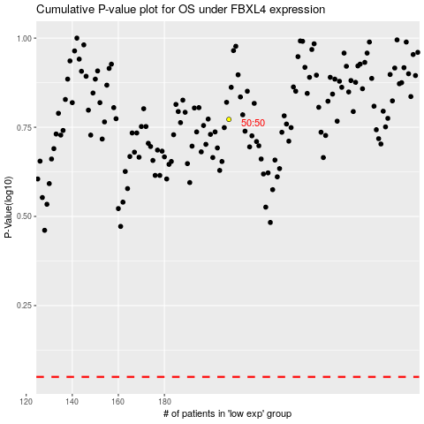

 |  |  |  |  |  | cases_OS | p_OS | rank | exp
 |  |  |  |  |  |  | cases_RFS | p_RFS | rank | exp

