FBXL6 _multivariate
Reported by Tex Li-Hsing Chi. tex@gate.sinica.edu.tw 2019-08-19

Table 2. The clinicopathological features of HNSCC cohort and FBXL6 expression. (Chi square test)
Cutoff at -0.129 (50.0%)
 |  | FBXL6 expression |  | FBXL6 expression |  | (Optimised)
 | Features | Low | (%) | High | (%) | Case no | P-value | Remark | Matthews
Gender | Female | 157 | 37.8 | 149 | 35.9 | 415 | 0.3881 | 0 | 0
2 | Male | 50 | 12 | 59 | 14.2
Age at diagnosis | <=65y | 139 | 33.5 | 135 | 32.5 | 415 | 0.7044 | 0 | 0
4 | >65y | 68 | 16.4 | 73 | 17.6
Clinical T Status | T1+T2 | 78 | 18.8 | 71 | 17.1 | 415 | 0.5152 | 0 | 0
6 | T3+T4 | 129 | 31.1 | 137 | 33
Clinical N Status | N0 | 104 | 25.1 | 112 | 27 | 415 | 0.5243 | 0 | 0
8 | N1-3 | 103 | 24.8 | 96 | 23.1
Clinical M Status | M0 | 207 | 49.9 | 205 | 49.4 | 415 | 0.2482 | 0 | 0
10 | M1 | 0 | 0 | 3 | 0.7
Clinical Stage | Stage I+II | 53 | 12.8 | 49 | 11.8 | 415 | 0.7113 | 0 | 0
12 | Stage III+IV | 154 | 37.1 | 159 | 38.3
Surgical Margin status | Negative | 161 | 38.8 | 157 | 37.8 | 415 | 0.6429 | 0 | 0
14 | Positive | 46 | 11.1 | 51 | 12.3
Tobacco Exposure | Low | 80 | 19.3 | 81 | 19.5 | 415 | 1 | 0 | 0
16 | High | 127 | 30.6 | 127 | 30.6

Table 3. Univariate/Multivariate Cox's proportional hazards regression analyses on OS time of FBXL6 gene expression in HNSCC

 |  | Univariate |  |  |  | Multivariate
 | Features | HR | CI95%(L) | CI95%(H) | P-value | HR | CI95%(L) | CI95%(H) | P-value
1 | Female | 1 |  |  |  | 1
Gender | Male | 1.157 | 0.843 | 1.587 | 0.367 | 1.232 | 0.882 | 1.722 | 0.221
11 | <=65y | 1 |  |  |  | 1
Age at diagnosis | >65y | 1.329 | 0.99 | 1.784 | 0.058 | 1.389 | 1.023 | 1.886 | 0.035
12 | T1+T2 | 1 |  |  |  | 1
Clinical T Status | T3+T4 | 1.409 | 1.028 | 1.931 | 0.033 | 2.237 | 1.182 | 4.232 | 0.013
13 | N0 | 1 |  |  |  | 1
Clinical N Status | N1-3 | 1.185 | 0.89 | 1.577 | 0.246 | 1.235 | 0.866 | 1.76 | 0.244
14 | M0 | 1 |  |  |  | 1
Clinical M Status | M1 | 4.097 | 1.009 | 16.644 | 0.049 | 10.855 | 2.341 | 50.338 | 0.002
15 | Stage I+II | 1 |  |  |  | 1
Clinical Stage | Stage III+IV | 1.245 | 0.882 | 1.759 | 0.213 | 0.501 | 0.233 | 1.075 | 0.076
16 | Negative | 1 |  |  |  | 1
Surgical Margin status | Positive | 1.591 | 1.155 | 2.191 | 0.004 | 1.711 | 1.236 | 2.368 | 0.001
17 | Low | 1 |  |  |  | 1
Tobacco Exposure | High | 1.364 | 1.008 | 1.844 | 0.044 | 1.449 | 1.052 | 1.997 | 0.023
18 | Low | 1 |  |  |  | 1
RNAseq(z-score) | High | 0.867 | 0.65 | 1.155 | 0.329 | 0.795 | 0.593 | 1.065 | 0.125

Table 4. Univariate/Multivariate Cox's proportional hazards regression analyses on RFS time of FBXL6 gene expression in HNSCC

 |  | Univariate |  |  |  | Multivariate
 | Features | HR | CI95%(L) | CI95%(H) | P-value | HR | CI95%(L) | CI95%(H) | P-value
1 | Female | 1 |  |  |  | 1
Gender | Male | 1.157 | 0.843 | 1.587 | 0.367 | 1.232 | 0.882 | 1.722 | 0.221
11 | <=65y | 1 |  |  |  | 1
Age at diagnosis | >65y | 1.329 | 0.99 | 1.784 | 0.058 | 1.389 | 1.023 | 1.886 | 0.035
12 | T1+T2 | 1 |  |  |  | 1
Clinical T Status | T3+T4 | 1.409 | 1.028 | 1.931 | 0.033 | 2.237 | 1.182 | 4.232 | 0.013
13 | N0 | 1 |  |  |  | 1
Clinical N Status | N1-3 | 1.185 | 0.89 | 1.577 | 0.246 | 1.235 | 0.866 | 1.76 | 0.244
14 | M0 | 1 |  |  |  | 1
Clinical M Status | M1 | 4.097 | 1.009 | 16.644 | 0.049 | 10.855 | 2.341 | 50.338 | 0.002
15 | Stage I+II | 1 |  |  |  | 1
Clinical Stage | Stage III+IV | 1.245 | 0.882 | 1.759 | 0.213 | 0.501 | 0.233 | 1.075 | 0.076
16 | Negative | 1 |  |  |  | 1
Surgical Margin status | Positive | 1.591 | 1.155 | 2.191 | 0.004 | 1.711 | 1.236 | 2.368 | 0.001
17 | Low | 1 |  |  |  | 1
Tobacco Exposure | High | 1.364 | 1.008 | 1.844 | 0.044 | 1.449 | 1.052 | 1.997 | 0.023
18 | Low | 1 |  |  |  | 1
RNAseq(z-score) | High | 0.867 | 0.65 | 1.155 | 0.329 | 0.795 | 0.593 | 1.065 | 0.125

Kaplan-Meier survival estimate: Cutoff at -0.129 (50.0%)



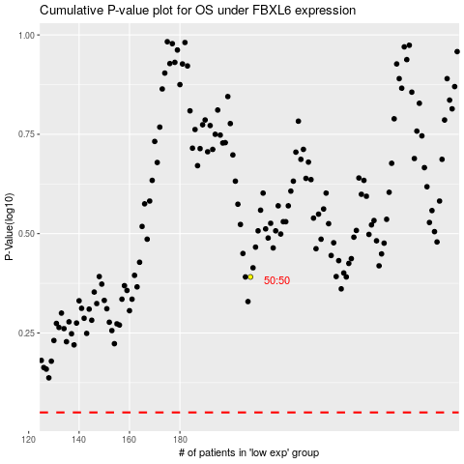

 |  |  |  |  |  | cases_OS | p_OS | rank | exp
 |  |  |  |  |  |  | cases_RFS | p_RFS | rank | exp

