FBXL8 _multivariate
Reported by Tex Li-Hsing Chi. tex@gate.sinica.edu.tw 2019-08-19

Table 2. The clinicopathological features of HNSCC cohort and FBXL8 expression. (Chi square test)
Cutoff at -0.281 (49.8%)
 |  | FBXL8 expression |  | FBXL8 expression |  | (Optimised)
 | Features | Low | (%) | High | (%) | Case no | P-value | Remark | Matthews
Gender | Female | 150 | 36.1 | 156 | 37.6 | 415 | 0.6344 | 0 | 0
2 | Male | 57 | 13.7 | 52 | 12.5
Age at diagnosis | <=65y | 145 | 34.9 | 129 | 31.1 | 415 | 0.1046 | 0 | 0
4 | >65y | 62 | 14.9 | 79 | 19
Clinical T Status | T1+T2 | 78 | 18.8 | 71 | 17.1 | 415 | 0.5152 | 0 | 0
6 | T3+T4 | 129 | 31.1 | 137 | 33
Clinical N Status | N0 | 98 | 23.6 | 118 | 28.4 | 415 | 0.0694 | 0 | 0
8 | N1-3 | 109 | 26.3 | 90 | 21.7
Clinical M Status | M0 | 206 | 49.6 | 206 | 49.6 | 415 | 1 | 0 | 0
10 | M1 | 1 | 0.2 | 2 | 0.5
Clinical Stage | Stage I+II | 53 | 12.8 | 49 | 11.8 | 415 | 0.7113 | 0 | 0
12 | Stage III+IV | 154 | 37.1 | 159 | 38.3
Surgical Margin status | Negative | 166 | 40 | 152 | 36.6 | 415 | 0.1042 | 0 | 0
14 | Positive | 41 | 9.9 | 56 | 13.5
Tobacco Exposure | Low | 76 | 18.3 | 85 | 20.5 | 415 | 0.4207 | 0 | 0
16 | High | 131 | 31.6 | 123 | 29.6

Table 3. Univariate/Multivariate Cox's proportional hazards regression analyses on OS time of FBXL8 gene expression in HNSCC

 |  | Univariate |  |  |  | Multivariate
 | Features | HR | CI95%(L) | CI95%(H) | P-value | HR | CI95%(L) | CI95%(H) | P-value
1 | Female | 1 |  |  |  | 1
Gender | Male | 1.157 | 0.843 | 1.587 | 0.367 | 1.206 | 0.864 | 1.684 | 0.271
11 | <=65y | 1 |  |  |  | 1
Age at diagnosis | >65y | 1.329 | 0.99 | 1.784 | 0.058 | 1.406 | 1.033 | 1.913 | 0.03
12 | T1+T2 | 1 |  |  |  | 1
Clinical T Status | T3+T4 | 1.409 | 1.028 | 1.931 | 0.033 | 2.249 | 1.188 | 4.257 | 0.013
13 | N0 | 1 |  |  |  | 1
Clinical N Status | N1-3 | 1.185 | 0.89 | 1.577 | 0.246 | 1.234 | 0.865 | 1.76 | 0.246
14 | M0 | 1 |  |  |  | 1
Clinical M Status | M1 | 4.097 | 1.009 | 16.644 | 0.049 | 9.8 | 2.133 | 45.033 | 0.003
15 | Stage I+II | 1 |  |  |  | 1
Clinical Stage | Stage III+IV | 1.245 | 0.882 | 1.759 | 0.213 | 0.498 | 0.232 | 1.069 | 0.074
16 | Negative | 1 |  |  |  | 1
Surgical Margin status | Positive | 1.591 | 1.155 | 2.191 | 0.004 | 1.713 | 1.234 | 2.376 | 0.001
17 | Low | 1 |  |  |  | 1
Tobacco Exposure | High | 1.364 | 1.008 | 1.844 | 0.044 | 1.457 | 1.057 | 2.009 | 0.021
18 | Low | 1 |  |  |  | 1
RNAseq(z-score) | High | 0.97 | 0.728 | 1.293 | 0.837 | 0.867 | 0.647 | 1.162 | 0.34

Table 4. Univariate/Multivariate Cox's proportional hazards regression analyses on RFS time of FBXL8 gene expression in HNSCC

 |  | Univariate |  |  |  | Multivariate
 | Features | HR | CI95%(L) | CI95%(H) | P-value | HR | CI95%(L) | CI95%(H) | P-value
1 | Female | 1 |  |  |  | 1
Gender | Male | 1.157 | 0.843 | 1.587 | 0.367 | 1.206 | 0.864 | 1.684 | 0.271
11 | <=65y | 1 |  |  |  | 1
Age at diagnosis | >65y | 1.329 | 0.99 | 1.784 | 0.058 | 1.406 | 1.033 | 1.913 | 0.03
12 | T1+T2 | 1 |  |  |  | 1
Clinical T Status | T3+T4 | 1.409 | 1.028 | 1.931 | 0.033 | 2.249 | 1.188 | 4.257 | 0.013
13 | N0 | 1 |  |  |  | 1
Clinical N Status | N1-3 | 1.185 | 0.89 | 1.577 | 0.246 | 1.234 | 0.865 | 1.76 | 0.246
14 | M0 | 1 |  |  |  | 1
Clinical M Status | M1 | 4.097 | 1.009 | 16.644 | 0.049 | 9.8 | 2.133 | 45.033 | 0.003
15 | Stage I+II | 1 |  |  |  | 1
Clinical Stage | Stage III+IV | 1.245 | 0.882 | 1.759 | 0.213 | 0.498 | 0.232 | 1.069 | 0.074
16 | Negative | 1 |  |  |  | 1
Surgical Margin status | Positive | 1.591 | 1.155 | 2.191 | 0.004 | 1.713 | 1.234 | 2.376 | 0.001
17 | Low | 1 |  |  |  | 1
Tobacco Exposure | High | 1.364 | 1.008 | 1.844 | 0.044 | 1.457 | 1.057 | 2.009 | 0.021
18 | Low | 1 |  |  |  | 1
RNAseq(z-score) | High | 0.97 | 0.728 | 1.293 | 0.837 | 0.867 | 0.647 | 1.162 | 0.34

Kaplan-Meier survival estimate: Cutoff at -0.281 (49.8%)



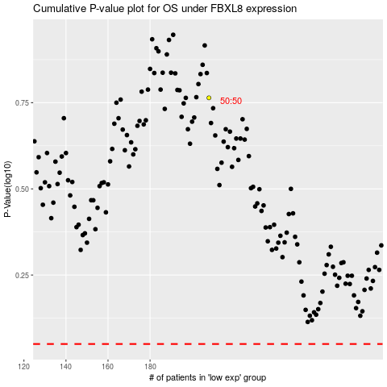

 |  |  |  |  |  | cases_OS | p_OS | rank | exp
 |  |  |  |  |  |  | cases_RFS | p_RFS | rank | exp

