FBXO10 _multivariate
Reported by Tex Li-Hsing Chi. tex@gate.sinica.edu.tw 2019-08-19

Table 2. The clinicopathological features of HNSCC cohort and FBXO10 expression. (Chi square test)
Cutoff at -0.272 (50.0%)
 |  | FBXO10 expression |  | FBXO10 expression |  | (Optimised)
 | Features | Low | (%) | High | (%) | Case no | P-value | Remark | Matthews
Gender | Female | 160 | 38.6 | 146 | 35.2 | 415 | 0.1254 | 0 | 0
2 | Male | 47 | 11.3 | 62 | 14.9
Age at diagnosis | <=65y | 139 | 33.5 | 135 | 32.5 | 415 | 0.7044 | 0 | 0
4 | >65y | 68 | 16.4 | 73 | 17.6
Clinical T Status | T1+T2 | 63 | 15.2 | 86 | 20.7 | 415 | 0.0268 | 1 | 0
6 | T3+T4 | 144 | 34.7 | 122 | 29.4
Clinical N Status | N0 | 101 | 24.3 | 115 | 27.7 | 415 | 0.2201 | 0 | 0
8 | N1-3 | 106 | 25.5 | 93 | 22.4
Clinical M Status | M0 | 204 | 49.2 | 208 | 50.1 | 415 | 0.1232 | 0 | 0
10 | M1 | 3 | 0.7 | 0 | 0
Clinical Stage | Stage I+II | 36 | 8.7 | 66 | 15.9 | 415 | 0.001 | 1 | 0
12 | Stage III+IV | 171 | 41.2 | 142 | 34.2
Surgical Margin status | Negative | 157 | 37.8 | 161 | 38.8 | 415 | 0.729 | 0 | 0
14 | Positive | 50 | 12 | 47 | 11.3
Tobacco Exposure | Low | 72 | 17.3 | 89 | 21.4 | 415 | 0.1071 | 0 | 0
16 | High | 135 | 32.5 | 119 | 28.7

Table 3. Univariate/Multivariate Cox's proportional hazards regression analyses on OS time of FBXO10 gene expression in HNSCC

 |  | Univariate |  |  |  | Multivariate
 | Features | HR | CI95%(L) | CI95%(H) | P-value | HR | CI95%(L) | CI95%(H) | P-value
1 | Female | 1 |  |  |  | 1
Gender | Male | 1.157 | 0.843 | 1.587 | 0.367 | 1.201 | 0.86 | 1.678 | 0.283
11 | <=65y | 1 |  |  |  | 1
Age at diagnosis | >65y | 1.329 | 0.99 | 1.784 | 0.058 | 1.39 | 1.022 | 1.89 | 0.036
12 | T1+T2 | 1 |  |  |  | 1
Clinical T Status | T3+T4 | 1.409 | 1.028 | 1.931 | 0.033 | 2.19 | 1.157 | 4.144 | 0.016
13 | N0 | 1 |  |  |  | 1
Clinical N Status | N1-3 | 1.185 | 0.89 | 1.577 | 0.246 | 1.239 | 0.868 | 1.767 | 0.238
14 | M0 | 1 |  |  |  | 1
Clinical M Status | M1 | 4.097 | 1.009 | 16.644 | 0.049 | 9.59 | 2.084 | 44.125 | 0.004
15 | Stage I+II | 1 |  |  |  | 1
Clinical Stage | Stage III+IV | 1.245 | 0.882 | 1.759 | 0.213 | 0.514 | 0.238 | 1.111 | 0.091
16 | Negative | 1 |  |  |  | 1
Surgical Margin status | Positive | 1.591 | 1.155 | 2.191 | 0.004 | 1.669 | 1.208 | 2.307 | 0.002
17 | Low | 1 |  |  |  | 1
Tobacco Exposure | High | 1.364 | 1.008 | 1.844 | 0.044 | 1.457 | 1.057 | 2.008 | 0.022
18 | Low | 1 |  |  |  | 1
RNAseq(z-score) | High | 1.019 | 0.765 | 1.357 | 0.899 | 1.055 | 0.785 | 1.417 | 0.724

Table 4. Univariate/Multivariate Cox's proportional hazards regression analyses on RFS time of FBXO10 gene expression in HNSCC

 |  | Univariate |  |  |  | Multivariate
 | Features | HR | CI95%(L) | CI95%(H) | P-value | HR | CI95%(L) | CI95%(H) | P-value
1 | Female | 1 |  |  |  | 1
Gender | Male | 1.157 | 0.843 | 1.587 | 0.367 | 1.201 | 0.86 | 1.678 | 0.283
11 | <=65y | 1 |  |  |  | 1
Age at diagnosis | >65y | 1.329 | 0.99 | 1.784 | 0.058 | 1.39 | 1.022 | 1.89 | 0.036
12 | T1+T2 | 1 |  |  |  | 1
Clinical T Status | T3+T4 | 1.409 | 1.028 | 1.931 | 0.033 | 2.19 | 1.157 | 4.144 | 0.016
13 | N0 | 1 |  |  |  | 1
Clinical N Status | N1-3 | 1.185 | 0.89 | 1.577 | 0.246 | 1.239 | 0.868 | 1.767 | 0.238
14 | M0 | 1 |  |  |  | 1
Clinical M Status | M1 | 4.097 | 1.009 | 16.644 | 0.049 | 9.59 | 2.084 | 44.125 | 0.004
15 | Stage I+II | 1 |  |  |  | 1
Clinical Stage | Stage III+IV | 1.245 | 0.882 | 1.759 | 0.213 | 0.514 | 0.238 | 1.111 | 0.091
16 | Negative | 1 |  |  |  | 1
Surgical Margin status | Positive | 1.591 | 1.155 | 2.191 | 0.004 | 1.669 | 1.208 | 2.307 | 0.002
17 | Low | 1 |  |  |  | 1
Tobacco Exposure | High | 1.364 | 1.008 | 1.844 | 0.044 | 1.457 | 1.057 | 2.008 | 0.022
18 | Low | 1 |  |  |  | 1
RNAseq(z-score) | High | 1.019 | 0.765 | 1.357 | 0.899 | 1.055 | 0.785 | 1.417 | 0.724

Kaplan-Meier survival estimate: Cutoff at -0.272 (50.0%)



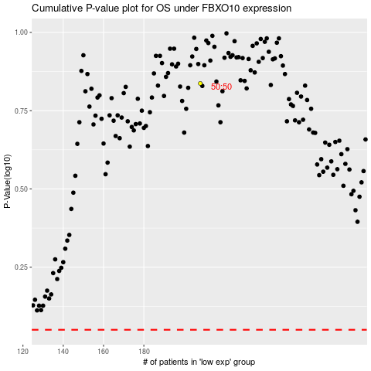

 |  |  |  |  |  | cases_OS | p_OS | rank | exp
 |  |  |  |  |  |  | cases_RFS | p_RFS | rank | exp

