FBXO15 _multivariate
Reported by Tex Li-Hsing Chi. tex@gate.sinica.edu.tw 2019-08-19

Table 2. The clinicopathological features of HNSCC cohort and FBXO15 expression. (Chi square test)
Cutoff at -0.17 (49.8%)
 |  | FBXO15 expression |  | FBXO15 expression |  | (Optimised)
 | Features | Low | (%) | High | (%) | Case no | P-value | Remark | Matthews
Gender | Female | 151 | 36.4 | 155 | 37.3 | 415 | 0.8007 | 0 | 0
2 | Male | 56 | 13.5 | 53 | 12.8
Age at diagnosis | <=65y | 144 | 34.7 | 130 | 31.3 | 415 | 0.1568 | 0 | 0
4 | >65y | 63 | 15.2 | 78 | 18.8
Clinical T Status | T1+T2 | 69 | 16.6 | 80 | 19.3 | 415 | 0.3239 | 0 | 0
6 | T3+T4 | 138 | 33.3 | 128 | 30.8
Clinical N Status | N0 | 114 | 27.5 | 102 | 24.6 | 415 | 0.2576 | 1 | 0
8 | N1-3 | 93 | 22.4 | 106 | 25.5
Clinical M Status | M0 | 206 | 49.6 | 206 | 49.6 | 415 | 1 | 0 | 0
10 | M1 | 1 | 0.2 | 2 | 0.5
Clinical Stage | Stage I+II | 53 | 12.8 | 49 | 11.8 | 415 | 0.7113 | 0 | 0
12 | Stage III+IV | 154 | 37.1 | 159 | 38.3
Surgical Margin status | Negative | 163 | 39.3 | 155 | 37.3 | 415 | 0.3537 | 0 | 0
14 | Positive | 44 | 10.6 | 53 | 12.8
Tobacco Exposure | Low | 89 | 21.4 | 72 | 17.3 | 415 | 0.0872 | 0 | 0
16 | High | 118 | 28.4 | 136 | 32.8

Table 3. Univariate/Multivariate Cox's proportional hazards regression analyses on OS time of FBXO15 gene expression in HNSCC

 |  | Univariate |  |  |  | Multivariate
 | Features | HR | CI95%(L) | CI95%(H) | P-value | HR | CI95%(L) | CI95%(H) | P-value
1 | Female | 1 |  |  |  | 1
Gender | Male | 1.157 | 0.843 | 1.587 | 0.367 | 1.209 | 0.865 | 1.69 | 0.267
11 | <=65y | 1 |  |  |  | 1
Age at diagnosis | >65y | 1.329 | 0.99 | 1.784 | 0.058 | 1.372 | 1.007 | 1.868 | 0.045
12 | T1+T2 | 1 |  |  |  | 1
Clinical T Status | T3+T4 | 1.409 | 1.028 | 1.931 | 0.033 | 2.246 | 1.186 | 4.254 | 0.013
13 | N0 | 1 |  |  |  | 1
Clinical N Status | N1-3 | 1.185 | 0.89 | 1.577 | 0.246 | 1.223 | 0.856 | 1.749 | 0.269
14 | M0 | 1 |  |  |  | 1
Clinical M Status | M1 | 4.097 | 1.009 | 16.644 | 0.049 | 9.527 | 2.077 | 43.689 | 0.004
15 | Stage I+II | 1 |  |  |  | 1
Clinical Stage | Stage III+IV | 1.245 | 0.882 | 1.759 | 0.213 | 0.497 | 0.231 | 1.067 | 0.073
16 | Negative | 1 |  |  |  | 1
Surgical Margin status | Positive | 1.591 | 1.155 | 2.191 | 0.004 | 1.674 | 1.211 | 2.313 | 0.002
17 | Low | 1 |  |  |  | 1
Tobacco Exposure | High | 1.364 | 1.008 | 1.844 | 0.044 | 1.437 | 1.041 | 1.981 | 0.027
18 | Low | 1 |  |  |  | 1
RNAseq(z-score) | High | 1.153 | 0.865 | 1.536 | 0.332 | 1.134 | 0.846 | 1.521 | 0.399

Table 4. Univariate/Multivariate Cox's proportional hazards regression analyses on RFS time of FBXO15 gene expression in HNSCC

 |  | Univariate |  |  |  | Multivariate
 | Features | HR | CI95%(L) | CI95%(H) | P-value | HR | CI95%(L) | CI95%(H) | P-value
1 | Female | 1 |  |  |  | 1
Gender | Male | 1.157 | 0.843 | 1.587 | 0.367 | 1.209 | 0.865 | 1.69 | 0.267
11 | <=65y | 1 |  |  |  | 1
Age at diagnosis | >65y | 1.329 | 0.99 | 1.784 | 0.058 | 1.372 | 1.007 | 1.868 | 0.045
12 | T1+T2 | 1 |  |  |  | 1
Clinical T Status | T3+T4 | 1.409 | 1.028 | 1.931 | 0.033 | 2.246 | 1.186 | 4.254 | 0.013
13 | N0 | 1 |  |  |  | 1
Clinical N Status | N1-3 | 1.185 | 0.89 | 1.577 | 0.246 | 1.223 | 0.856 | 1.749 | 0.269
14 | M0 | 1 |  |  |  | 1
Clinical M Status | M1 | 4.097 | 1.009 | 16.644 | 0.049 | 9.527 | 2.077 | 43.689 | 0.004
15 | Stage I+II | 1 |  |  |  | 1
Clinical Stage | Stage III+IV | 1.245 | 0.882 | 1.759 | 0.213 | 0.497 | 0.231 | 1.067 | 0.073
16 | Negative | 1 |  |  |  | 1
Surgical Margin status | Positive | 1.591 | 1.155 | 2.191 | 0.004 | 1.674 | 1.211 | 2.313 | 0.002
17 | Low | 1 |  |  |  | 1
Tobacco Exposure | High | 1.364 | 1.008 | 1.844 | 0.044 | 1.437 | 1.041 | 1.981 | 0.027
18 | Low | 1 |  |  |  | 1
RNAseq(z-score) | High | 1.153 | 0.865 | 1.536 | 0.332 | 1.134 | 0.846 | 1.521 | 0.399

Kaplan-Meier survival estimate: Cutoff at -0.17 (49.8%)



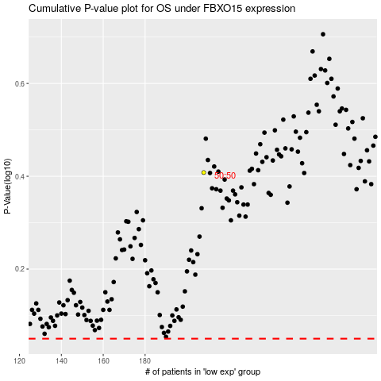

 |  |  |  |  |  | cases_OS | p_OS | rank | exp
 |  |  |  |  |  |  | cases_RFS | p_RFS | rank | exp

