FBXO17 _multivariate
Reported by Tex Li-Hsing Chi. tex@gate.sinica.edu.tw 2019-08-19

Table 2. The clinicopathological features of HNSCC cohort and FBXO17 expression. (Chi square test)
Cutoff at -0.16 (50.0%)
 |  | FBXO17 expression |  | FBXO17 expression |  | (Optimised)
 | Features | Low | (%) | High | (%) | Case no | P-value | Remark | Matthews
Gender | Female | 146 | 35.2 | 160 | 38.6 | 415 | 0.1714 | 0 | 0
2 | Male | 61 | 14.7 | 48 | 11.6
Age at diagnosis | <=65y | 142 | 34.2 | 132 | 31.8 | 415 | 0.3167 | 0 | 0
4 | >65y | 65 | 15.7 | 76 | 18.3
Clinical T Status | T1+T2 | 82 | 19.8 | 67 | 16.1 | 415 | 0.1417 | 0 | 0
6 | T3+T4 | 125 | 30.1 | 141 | 34
Clinical N Status | N0 | 108 | 26 | 108 | 26 | 415 | 1 | 0 | 0
8 | N1-3 | 99 | 23.9 | 100 | 24.1
Clinical M Status | M0 | 206 | 49.6 | 206 | 49.6 | 415 | 1 | 0 | 0
10 | M1 | 1 | 0.2 | 2 | 0.5
Clinical Stage | Stage I+II | 53 | 12.8 | 49 | 11.8 | 415 | 0.7113 | 0 | 0
12 | Stage III+IV | 154 | 37.1 | 159 | 38.3
Surgical Margin status | Negative | 156 | 37.6 | 162 | 39 | 415 | 0.5636 | 0 | 0
14 | Positive | 51 | 12.3 | 46 | 11.1
Tobacco Exposure | Low | 89 | 21.4 | 72 | 17.3 | 415 | 0.0872 | 0 | 0
16 | High | 118 | 28.4 | 136 | 32.8

Table 3. Univariate/Multivariate Cox's proportional hazards regression analyses on OS time of FBXO17 gene expression in HNSCC

 |  | Univariate |  |  |  | Multivariate
 | Features | HR | CI95%(L) | CI95%(H) | P-value | HR | CI95%(L) | CI95%(H) | P-value
1 | Female | 1 |  |  |  | 1
Gender | Male | 1.157 | 0.843 | 1.587 | 0.367 | 1.15 | 0.819 | 1.615 | 0.419
11 | <=65y | 1 |  |  |  | 1
Age at diagnosis | >65y | 1.329 | 0.99 | 1.784 | 0.058 | 1.416 | 1.042 | 1.925 | 0.026
12 | T1+T2 | 1 |  |  |  | 1
Clinical T Status | T3+T4 | 1.409 | 1.028 | 1.931 | 0.033 | 2.31 | 1.217 | 4.385 | 0.01
13 | N0 | 1 |  |  |  | 1
Clinical N Status | N1-3 | 1.185 | 0.89 | 1.577 | 0.246 | 1.274 | 0.892 | 1.82 | 0.184
14 | M0 | 1 |  |  |  | 1
Clinical M Status | M1 | 4.097 | 1.009 | 16.644 | 0.049 | 10.235 | 2.223 | 47.127 | 0.003
15 | Stage I+II | 1 |  |  |  | 1
Clinical Stage | Stage III+IV | 1.245 | 0.882 | 1.759 | 0.213 | 0.486 | 0.226 | 1.046 | 0.065
16 | Negative | 1 |  |  |  | 1
Surgical Margin status | Positive | 1.591 | 1.155 | 2.191 | 0.004 | 1.65 | 1.193 | 2.28 | 0.002
17 | Low | 1 |  |  |  | 1
Tobacco Exposure | High | 1.364 | 1.008 | 1.844 | 0.044 | 1.473 | 1.07 | 2.029 | 0.018
18 | Low | 1 |  |  |  | 1
RNAseq(z-score) | High | 0.883 | 0.662 | 1.177 | 0.395 | 0.803 | 0.596 | 1.083 | 0.151

Table 4. Univariate/Multivariate Cox's proportional hazards regression analyses on RFS time of FBXO17 gene expression in HNSCC

 |  | Univariate |  |  |  | Multivariate
 | Features | HR | CI95%(L) | CI95%(H) | P-value | HR | CI95%(L) | CI95%(H) | P-value
1 | Female | 1 |  |  |  | 1
Gender | Male | 1.157 | 0.843 | 1.587 | 0.367 | 1.15 | 0.819 | 1.615 | 0.419
11 | <=65y | 1 |  |  |  | 1
Age at diagnosis | >65y | 1.329 | 0.99 | 1.784 | 0.058 | 1.416 | 1.042 | 1.925 | 0.026
12 | T1+T2 | 1 |  |  |  | 1
Clinical T Status | T3+T4 | 1.409 | 1.028 | 1.931 | 0.033 | 2.31 | 1.217 | 4.385 | 0.01
13 | N0 | 1 |  |  |  | 1
Clinical N Status | N1-3 | 1.185 | 0.89 | 1.577 | 0.246 | 1.274 | 0.892 | 1.82 | 0.184
14 | M0 | 1 |  |  |  | 1
Clinical M Status | M1 | 4.097 | 1.009 | 16.644 | 0.049 | 10.235 | 2.223 | 47.127 | 0.003
15 | Stage I+II | 1 |  |  |  | 1
Clinical Stage | Stage III+IV | 1.245 | 0.882 | 1.759 | 0.213 | 0.486 | 0.226 | 1.046 | 0.065
16 | Negative | 1 |  |  |  | 1
Surgical Margin status | Positive | 1.591 | 1.155 | 2.191 | 0.004 | 1.65 | 1.193 | 2.28 | 0.002
17 | Low | 1 |  |  |  | 1
Tobacco Exposure | High | 1.364 | 1.008 | 1.844 | 0.044 | 1.473 | 1.07 | 2.029 | 0.018
18 | Low | 1 |  |  |  | 1
RNAseq(z-score) | High | 0.883 | 0.662 | 1.177 | 0.395 | 0.803 | 0.596 | 1.083 | 0.151

Kaplan-Meier survival estimate: Cutoff at -0.16 (50.0%)



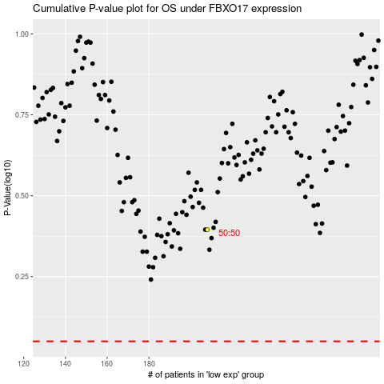

 |  |  |  |  |  | cases_OS | p_OS | rank | exp
 |  |  |  |  |  |  | cases_RFS | p_RFS | rank | exp

