FBXO18 _multivariate
Reported by Tex Li-Hsing Chi. tex@gate.sinica.edu.tw 2019-08-19

Table 2. The clinicopathological features of HNSCC cohort and FBXO18 expression. (Chi square test)
Cutoff at -0.074 (50.0%)
 |  | FBXO18 expression |  | FBXO18 expression |  | (Optimised)
 | Features | Low | (%) | High | (%) | Case no | P-value | Remark | Matthews
Gender | Female | 148 | 35.7 | 158 | 38.1 | 415 | 0.3567 | 0 | 0
2 | Male | 59 | 14.2 | 50 | 12
Age at diagnosis | <=65y | 136 | 32.8 | 138 | 33.3 | 415 | 0.9719 | 0 | 0
4 | >65y | 71 | 17.1 | 70 | 16.9
Clinical T Status | T1+T2 | 76 | 18.3 | 73 | 17.6 | 415 | 0.8092 | 0 | 0
6 | T3+T4 | 131 | 31.6 | 135 | 32.5
Clinical N Status | N0 | 111 | 26.7 | 105 | 25.3 | 415 | 0.5875 | 0 | 0
8 | N1-3 | 96 | 23.1 | 103 | 24.8
Clinical M Status | M0 | 205 | 49.4 | 207 | 49.9 | 415 | 0.6232 | 0 | 0
10 | M1 | 2 | 0.5 | 1 | 0.2
Clinical Stage | Stage I+II | 57 | 13.7 | 45 | 10.8 | 415 | 0.1998 | 0 | 0
12 | Stage III+IV | 150 | 36.1 | 163 | 39.3
Surgical Margin status | Negative | 157 | 37.8 | 161 | 38.8 | 415 | 0.729 | 0 | 0
14 | Positive | 50 | 12 | 47 | 11.3
Tobacco Exposure | Low | 92 | 22.2 | 69 | 16.6 | 415 | 0.0206 | 1 | 0
16 | High | 115 | 27.7 | 139 | 33.5

Table 3. Univariate/Multivariate Cox's proportional hazards regression analyses on OS time of FBXO18 gene expression in HNSCC

 |  | Univariate |  |  |  | Multivariate
 | Features | HR | CI95%(L) | CI95%(H) | P-value | HR | CI95%(L) | CI95%(H) | P-value
1 | Female | 1 |  |  |  | 1
Gender | Male | 1.157 | 0.843 | 1.587 | 0.367 | 1.196 | 0.856 | 1.671 | 0.295
11 | <=65y | 1 |  |  |  | 1
Age at diagnosis | >65y | 1.329 | 0.99 | 1.784 | 0.058 | 1.391 | 1.024 | 1.891 | 0.035
12 | T1+T2 | 1 |  |  |  | 1
Clinical T Status | T3+T4 | 1.409 | 1.028 | 1.931 | 0.033 | 2.173 | 1.149 | 4.107 | 0.017
13 | N0 | 1 |  |  |  | 1
Clinical N Status | N1-3 | 1.185 | 0.89 | 1.577 | 0.246 | 1.241 | 0.869 | 1.772 | 0.234
14 | M0 | 1 |  |  |  | 1
Clinical M Status | M1 | 4.097 | 1.009 | 16.644 | 0.049 | 9.033 | 1.968 | 41.467 | 0.005
15 | Stage I+II | 1 |  |  |  | 1
Clinical Stage | Stage III+IV | 1.245 | 0.882 | 1.759 | 0.213 | 0.523 | 0.243 | 1.126 | 0.097
16 | Negative | 1 |  |  |  | 1
Surgical Margin status | Positive | 1.591 | 1.155 | 2.191 | 0.004 | 1.664 | 1.204 | 2.298 | 0.002
17 | Low | 1 |  |  |  | 1
Tobacco Exposure | High | 1.364 | 1.008 | 1.844 | 0.044 | 1.497 | 1.082 | 2.07 | 0.015
18 | Low | 1 |  |  |  | 1
RNAseq(z-score) | High | 0.863 | 0.647 | 1.15 | 0.314 | 0.833 | 0.621 | 1.117 | 0.221

Table 4. Univariate/Multivariate Cox's proportional hazards regression analyses on RFS time of FBXO18 gene expression in HNSCC

 |  | Univariate |  |  |  | Multivariate
 | Features | HR | CI95%(L) | CI95%(H) | P-value | HR | CI95%(L) | CI95%(H) | P-value
1 | Female | 1 |  |  |  | 1
Gender | Male | 1.157 | 0.843 | 1.587 | 0.367 | 1.196 | 0.856 | 1.671 | 0.295
11 | <=65y | 1 |  |  |  | 1
Age at diagnosis | >65y | 1.329 | 0.99 | 1.784 | 0.058 | 1.391 | 1.024 | 1.891 | 0.035
12 | T1+T2 | 1 |  |  |  | 1
Clinical T Status | T3+T4 | 1.409 | 1.028 | 1.931 | 0.033 | 2.173 | 1.149 | 4.107 | 0.017
13 | N0 | 1 |  |  |  | 1
Clinical N Status | N1-3 | 1.185 | 0.89 | 1.577 | 0.246 | 1.241 | 0.869 | 1.772 | 0.234
14 | M0 | 1 |  |  |  | 1
Clinical M Status | M1 | 4.097 | 1.009 | 16.644 | 0.049 | 9.033 | 1.968 | 41.467 | 0.005
15 | Stage I+II | 1 |  |  |  | 1
Clinical Stage | Stage III+IV | 1.245 | 0.882 | 1.759 | 0.213 | 0.523 | 0.243 | 1.126 | 0.097
16 | Negative | 1 |  |  |  | 1
Surgical Margin status | Positive | 1.591 | 1.155 | 2.191 | 0.004 | 1.664 | 1.204 | 2.298 | 0.002
17 | Low | 1 |  |  |  | 1
Tobacco Exposure | High | 1.364 | 1.008 | 1.844 | 0.044 | 1.497 | 1.082 | 2.07 | 0.015
18 | Low | 1 |  |  |  | 1
RNAseq(z-score) | High | 0.863 | 0.647 | 1.15 | 0.314 | 0.833 | 0.621 | 1.117 | 0.221

Kaplan-Meier survival estimate: Cutoff at -0.074 (50.0%)



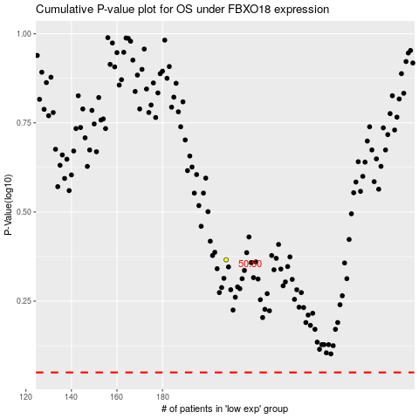

 |  |  |  |  |  | cases_OS | p_OS | rank | exp
 |  |  |  |  |  |  | cases_RFS | p_RFS | rank | exp

