FBXO2 _multivariate
Reported by Tex Li-Hsing Chi. tex@gate.sinica.edu.tw 2019-08-19

Table 2. The clinicopathological features of HNSCC cohort and FBXO2 expression. (Chi square test)
Cutoff at -0.292 (50.0%)
 |  | FBXO2 expression |  | FBXO2 expression |  | (Optimised)
 | Features | Low | (%) | High | (%) | Case no | P-value | Remark | Matthews
Gender | Female | 153 | 36.9 | 153 | 36.9 | 415 | 1 | 0 | 0
2 | Male | 54 | 13 | 55 | 13.3
Age at diagnosis | <=65y | 125 | 30.1 | 149 | 35.9 | 415 | 0.0206 | 1 | 0
4 | >65y | 82 | 19.8 | 59 | 14.2
Clinical T Status | T1+T2 | 79 | 19 | 70 | 16.9 | 415 | 0.3924 | 0 | 0
6 | T3+T4 | 128 | 30.8 | 138 | 33.3
Clinical N Status | N0 | 110 | 26.5 | 106 | 25.5 | 415 | 0.7294 | 0 | 0
8 | N1-3 | 97 | 23.4 | 102 | 24.6
Clinical M Status | M0 | 205 | 49.4 | 207 | 49.9 | 415 | 0.6232 | 0 | 0
10 | M1 | 2 | 0.5 | 1 | 0.2
Clinical Stage | Stage I+II | 50 | 12 | 52 | 12.5 | 415 | 0.9315 | 0 | 0
12 | Stage III+IV | 157 | 37.8 | 156 | 37.6
Surgical Margin status | Negative | 157 | 37.8 | 161 | 38.8 | 415 | 0.729 | 0 | 0
14 | Positive | 50 | 12 | 47 | 11.3
Tobacco Exposure | Low | 80 | 19.3 | 81 | 19.5 | 415 | 1 | 0 | 0
16 | High | 127 | 30.6 | 127 | 30.6

Table 3. Univariate/Multivariate Cox's proportional hazards regression analyses on OS time of FBXO2 gene expression in HNSCC

 |  | Univariate |  |  |  | Multivariate
 | Features | HR | CI95%(L) | CI95%(H) | P-value | HR | CI95%(L) | CI95%(H) | P-value
1 | Female | 1 |  |  |  | 1
Gender | Male | 1.157 | 0.843 | 1.587 | 0.367 | 1.194 | 0.855 | 1.667 | 0.299
11 | <=65y | 1 |  |  |  | 1
Age at diagnosis | >65y | 1.329 | 0.99 | 1.784 | 0.058 | 1.424 | 1.045 | 1.94 | 0.025
12 | T1+T2 | 1 |  |  |  | 1
Clinical T Status | T3+T4 | 1.409 | 1.028 | 1.931 | 0.033 | 2.171 | 1.148 | 4.106 | 0.017
13 | N0 | 1 |  |  |  | 1
Clinical N Status | N1-3 | 1.185 | 0.89 | 1.577 | 0.246 | 1.234 | 0.864 | 1.761 | 0.247
14 | M0 | 1 |  |  |  | 1
Clinical M Status | M1 | 4.097 | 1.009 | 16.644 | 0.049 | 9.513 | 2.075 | 43.619 | 0.004
15 | Stage I+II | 1 |  |  |  | 1
Clinical Stage | Stage III+IV | 1.245 | 0.882 | 1.759 | 0.213 | 0.513 | 0.239 | 1.101 | 0.087
16 | Negative | 1 |  |  |  | 1
Surgical Margin status | Positive | 1.591 | 1.155 | 2.191 | 0.004 | 1.665 | 1.205 | 2.301 | 0.002
17 | Low | 1 |  |  |  | 1
Tobacco Exposure | High | 1.364 | 1.008 | 1.844 | 0.044 | 1.433 | 1.04 | 1.975 | 0.028
18 | Low | 1 |  |  |  | 1
RNAseq(z-score) | High | 1.187 | 0.892 | 1.581 | 0.24 | 1.189 | 0.889 | 1.591 | 0.242

Table 4. Univariate/Multivariate Cox's proportional hazards regression analyses on RFS time of FBXO2 gene expression in HNSCC

 |  | Univariate |  |  |  | Multivariate
 | Features | HR | CI95%(L) | CI95%(H) | P-value | HR | CI95%(L) | CI95%(H) | P-value
1 | Female | 1 |  |  |  | 1
Gender | Male | 1.157 | 0.843 | 1.587 | 0.367 | 1.194 | 0.855 | 1.667 | 0.299
11 | <=65y | 1 |  |  |  | 1
Age at diagnosis | >65y | 1.329 | 0.99 | 1.784 | 0.058 | 1.424 | 1.045 | 1.94 | 0.025
12 | T1+T2 | 1 |  |  |  | 1
Clinical T Status | T3+T4 | 1.409 | 1.028 | 1.931 | 0.033 | 2.171 | 1.148 | 4.106 | 0.017
13 | N0 | 1 |  |  |  | 1
Clinical N Status | N1-3 | 1.185 | 0.89 | 1.577 | 0.246 | 1.234 | 0.864 | 1.761 | 0.247
14 | M0 | 1 |  |  |  | 1
Clinical M Status | M1 | 4.097 | 1.009 | 16.644 | 0.049 | 9.513 | 2.075 | 43.619 | 0.004
15 | Stage I+II | 1 |  |  |  | 1
Clinical Stage | Stage III+IV | 1.245 | 0.882 | 1.759 | 0.213 | 0.513 | 0.239 | 1.101 | 0.087
16 | Negative | 1 |  |  |  | 1
Surgical Margin status | Positive | 1.591 | 1.155 | 2.191 | 0.004 | 1.665 | 1.205 | 2.301 | 0.002
17 | Low | 1 |  |  |  | 1
Tobacco Exposure | High | 1.364 | 1.008 | 1.844 | 0.044 | 1.433 | 1.04 | 1.975 | 0.028
18 | Low | 1 |  |  |  | 1
RNAseq(z-score) | High | 1.187 | 0.892 | 1.581 | 0.24 | 1.189 | 0.889 | 1.591 | 0.242

Kaplan-Meier survival estimate: Cutoff at -0.292 (50.0%)



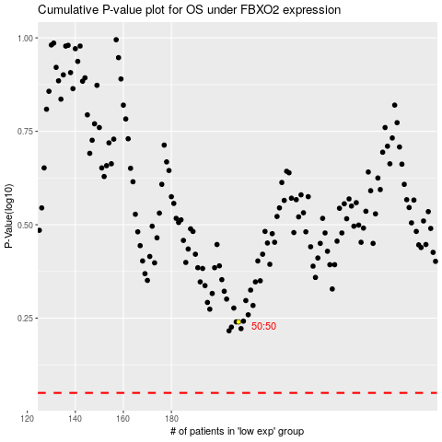

 |  |  |  |  |  | cases_OS | p_OS | rank | exp
 |  |  |  |  |  |  | cases_RFS | p_RFS | rank | exp

