FBXO21 _multivariate
Reported by Tex Li-Hsing Chi. tex@gate.sinica.edu.tw 2019-08-19

Table 2. The clinicopathological features of HNSCC cohort and FBXO21 expression. (Chi square test)
Cutoff at -0.151 (49.8%)
 |  | FBXO21 expression |  | FBXO21 expression |  | (Optimised)
 | Features | Low | (%) | High | (%) | Case no | P-value | Remark | Matthews
Gender | Female | 147 | 35.4 | 159 | 38.3 | 415 | 0.2523 | 0 | 0
2 | Male | 60 | 14.5 | 49 | 11.8
Age at diagnosis | <=65y | 133 | 32 | 141 | 34 | 415 | 0.5111 | 0 | 0
4 | >65y | 74 | 17.8 | 67 | 16.1
Clinical T Status | T1+T2 | 85 | 20.5 | 64 | 15.4 | 415 | 0.0372 | 1 | 0
6 | T3+T4 | 122 | 29.4 | 144 | 34.7
Clinical N Status | N0 | 108 | 26 | 108 | 26 | 415 | 1 | 0 | 0
8 | N1-3 | 99 | 23.9 | 100 | 24.1
Clinical M Status | M0 | 205 | 49.4 | 207 | 49.9 | 415 | 0.6232 | 0 | 0
10 | M1 | 2 | 0.5 | 1 | 0.2
Clinical Stage | Stage I+II | 60 | 14.5 | 42 | 10.1 | 415 | 0.0493 | 1 | 0
12 | Stage III+IV | 147 | 35.4 | 166 | 40
Surgical Margin status | Negative | 159 | 38.3 | 159 | 38.3 | 415 | 1 | 0 | 0
14 | Positive | 48 | 11.6 | 49 | 11.8
Tobacco Exposure | Low | 95 | 22.9 | 66 | 15.9 | 415 | 0.0035 | 1 | 0
16 | High | 112 | 27 | 142 | 34.2

Table 3. Univariate/Multivariate Cox's proportional hazards regression analyses on OS time of FBXO21 gene expression in HNSCC

 |  | Univariate |  |  |  | Multivariate
 | Features | HR | CI95%(L) | CI95%(H) | P-value | HR | CI95%(L) | CI95%(H) | P-value
1 | Female | 1 |  |  |  | 1
Gender | Male | 1.157 | 0.843 | 1.587 | 0.367 | 1.216 | 0.87 | 1.7 | 0.253
11 | <=65y | 1 |  |  |  | 1
Age at diagnosis | >65y | 1.329 | 0.99 | 1.784 | 0.058 | 1.409 | 1.035 | 1.918 | 0.029
12 | T1+T2 | 1 |  |  |  | 1
Clinical T Status | T3+T4 | 1.409 | 1.028 | 1.931 | 0.033 | 2.192 | 1.159 | 4.147 | 0.016
13 | N0 | 1 |  |  |  | 1
Clinical N Status | N1-3 | 1.185 | 0.89 | 1.577 | 0.246 | 1.256 | 0.879 | 1.795 | 0.21
14 | M0 | 1 |  |  |  | 1
Clinical M Status | M1 | 4.097 | 1.009 | 16.644 | 0.049 | 9.827 | 2.138 | 45.171 | 0.003
15 | Stage I+II | 1 |  |  |  | 1
Clinical Stage | Stage III+IV | 1.245 | 0.882 | 1.759 | 0.213 | 0.492 | 0.229 | 1.059 | 0.07
16 | Negative | 1 |  |  |  | 1
Surgical Margin status | Positive | 1.591 | 1.155 | 2.191 | 0.004 | 1.683 | 1.217 | 2.326 | 0.002
17 | Low | 1 |  |  |  | 1
Tobacco Exposure | High | 1.364 | 1.008 | 1.844 | 0.044 | 1.43 | 1.036 | 1.973 | 0.03
18 | Low | 1 |  |  |  | 1
RNAseq(z-score) | High | 1.141 | 0.856 | 1.522 | 0.368 | 1.151 | 0.854 | 1.552 | 0.357

Table 4. Univariate/Multivariate Cox's proportional hazards regression analyses on RFS time of FBXO21 gene expression in HNSCC

 |  | Univariate |  |  |  | Multivariate
 | Features | HR | CI95%(L) | CI95%(H) | P-value | HR | CI95%(L) | CI95%(H) | P-value
1 | Female | 1 |  |  |  | 1
Gender | Male | 1.157 | 0.843 | 1.587 | 0.367 | 1.216 | 0.87 | 1.7 | 0.253
11 | <=65y | 1 |  |  |  | 1
Age at diagnosis | >65y | 1.329 | 0.99 | 1.784 | 0.058 | 1.409 | 1.035 | 1.918 | 0.029
12 | T1+T2 | 1 |  |  |  | 1
Clinical T Status | T3+T4 | 1.409 | 1.028 | 1.931 | 0.033 | 2.192 | 1.159 | 4.147 | 0.016
13 | N0 | 1 |  |  |  | 1
Clinical N Status | N1-3 | 1.185 | 0.89 | 1.577 | 0.246 | 1.256 | 0.879 | 1.795 | 0.21
14 | M0 | 1 |  |  |  | 1
Clinical M Status | M1 | 4.097 | 1.009 | 16.644 | 0.049 | 9.827 | 2.138 | 45.171 | 0.003
15 | Stage I+II | 1 |  |  |  | 1
Clinical Stage | Stage III+IV | 1.245 | 0.882 | 1.759 | 0.213 | 0.492 | 0.229 | 1.059 | 0.07
16 | Negative | 1 |  |  |  | 1
Surgical Margin status | Positive | 1.591 | 1.155 | 2.191 | 0.004 | 1.683 | 1.217 | 2.326 | 0.002
17 | Low | 1 |  |  |  | 1
Tobacco Exposure | High | 1.364 | 1.008 | 1.844 | 0.044 | 1.43 | 1.036 | 1.973 | 0.03
18 | Low | 1 |  |  |  | 1
RNAseq(z-score) | High | 1.141 | 0.856 | 1.522 | 0.368 | 1.151 | 0.854 | 1.552 | 0.357

Kaplan-Meier survival estimate: Cutoff at -0.151 (49.8%)



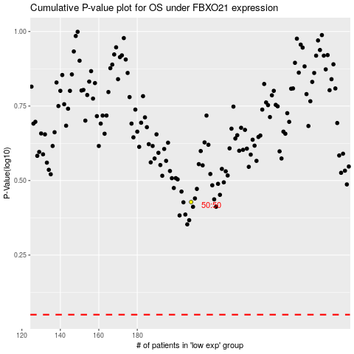

 |  |  |  |  |  | cases_OS | p_OS | rank | exp
 |  |  |  |  |  |  | cases_RFS | p_RFS | rank | exp

