FBXO28 _multivariate
Reported by Tex Li-Hsing Chi. tex@gate.sinica.edu.tw 2019-08-19

Table 2. The clinicopathological features of HNSCC cohort and FBXO28 expression. (Chi square test)
Cutoff at -0.134 (50.0%)
 |  | FBXO28 expression |  | FBXO28 expression |  | (Optimised)
 | Features | Low | (%) | High | (%) | Case no | P-value | Remark | Matthews
Gender | Female | 159 | 38.3 | 147 | 35.4 | 415 | 0.1905 | 0 | 0
2 | Male | 48 | 11.6 | 61 | 14.7
Age at diagnosis | <=65y | 139 | 33.5 | 135 | 32.5 | 415 | 0.7044 | 0 | 0
4 | >65y | 68 | 16.4 | 73 | 17.6
Clinical T Status | T1+T2 | 81 | 19.5 | 68 | 16.4 | 415 | 0.206 | 0 | 0
6 | T3+T4 | 126 | 30.4 | 140 | 33.7
Clinical N Status | N0 | 107 | 25.8 | 109 | 26.3 | 415 | 0.9624 | 0 | 0
8 | N1-3 | 100 | 24.1 | 99 | 23.9
Clinical M Status | M0 | 204 | 49.2 | 208 | 50.1 | 415 | 0.1232 | 0 | 0
10 | M1 | 3 | 0.7 | 0 | 0
Clinical Stage | Stage I+II | 54 | 13 | 48 | 11.6 | 415 | 0.5498 | 0 | 0
12 | Stage III+IV | 153 | 36.9 | 160 | 38.6
Surgical Margin status | Negative | 153 | 36.9 | 165 | 39.8 | 415 | 0.2036 | 0 | 0
14 | Positive | 54 | 13 | 43 | 10.4
Tobacco Exposure | Low | 86 | 20.7 | 75 | 18.1 | 415 | 0.2687 | 0 | 0
16 | High | 121 | 29.2 | 133 | 32

Table 3. Univariate/Multivariate Cox's proportional hazards regression analyses on OS time of FBXO28 gene expression in HNSCC

 |  | Univariate |  |  |  | Multivariate
 | Features | HR | CI95%(L) | CI95%(H) | P-value | HR | CI95%(L) | CI95%(H) | P-value
1 | Female | 1 |  |  |  | 1
Gender | Male | 1.157 | 0.843 | 1.587 | 0.367 | 1.183 | 0.846 | 1.653 | 0.326
11 | <=65y | 1 |  |  |  | 1
Age at diagnosis | >65y | 1.329 | 0.99 | 1.784 | 0.058 | 1.394 | 1.026 | 1.894 | 0.034
12 | T1+T2 | 1 |  |  |  | 1
Clinical T Status | T3+T4 | 1.409 | 1.028 | 1.931 | 0.033 | 2.205 | 1.166 | 4.172 | 0.015
13 | N0 | 1 |  |  |  | 1
Clinical N Status | N1-3 | 1.185 | 0.89 | 1.577 | 0.246 | 1.243 | 0.871 | 1.773 | 0.23
14 | M0 | 1 |  |  |  | 1
Clinical M Status | M1 | 4.097 | 1.009 | 16.644 | 0.049 | 10.329 | 2.232 | 47.795 | 0.003
15 | Stage I+II | 1 |  |  |  | 1
Clinical Stage | Stage III+IV | 1.245 | 0.882 | 1.759 | 0.213 | 0.493 | 0.229 | 1.06 | 0.07
16 | Negative | 1 |  |  |  | 1
Surgical Margin status | Positive | 1.591 | 1.155 | 2.191 | 0.004 | 1.7 | 1.228 | 2.353 | 0.001
17 | Low | 1 |  |  |  | 1
Tobacco Exposure | High | 1.364 | 1.008 | 1.844 | 0.044 | 1.443 | 1.047 | 1.987 | 0.025
18 | Low | 1 |  |  |  | 1
RNAseq(z-score) | High | 1.168 | 0.874 | 1.561 | 0.293 | 1.19 | 0.885 | 1.599 | 0.25

Table 4. Univariate/Multivariate Cox's proportional hazards regression analyses on RFS time of FBXO28 gene expression in HNSCC

 |  | Univariate |  |  |  | Multivariate
 | Features | HR | CI95%(L) | CI95%(H) | P-value | HR | CI95%(L) | CI95%(H) | P-value
1 | Female | 1 |  |  |  | 1
Gender | Male | 1.157 | 0.843 | 1.587 | 0.367 | 1.183 | 0.846 | 1.653 | 0.326
11 | <=65y | 1 |  |  |  | 1
Age at diagnosis | >65y | 1.329 | 0.99 | 1.784 | 0.058 | 1.394 | 1.026 | 1.894 | 0.034
12 | T1+T2 | 1 |  |  |  | 1
Clinical T Status | T3+T4 | 1.409 | 1.028 | 1.931 | 0.033 | 2.205 | 1.166 | 4.172 | 0.015
13 | N0 | 1 |  |  |  | 1
Clinical N Status | N1-3 | 1.185 | 0.89 | 1.577 | 0.246 | 1.243 | 0.871 | 1.773 | 0.23
14 | M0 | 1 |  |  |  | 1
Clinical M Status | M1 | 4.097 | 1.009 | 16.644 | 0.049 | 10.329 | 2.232 | 47.795 | 0.003
15 | Stage I+II | 1 |  |  |  | 1
Clinical Stage | Stage III+IV | 1.245 | 0.882 | 1.759 | 0.213 | 0.493 | 0.229 | 1.06 | 0.07
16 | Negative | 1 |  |  |  | 1
Surgical Margin status | Positive | 1.591 | 1.155 | 2.191 | 0.004 | 1.7 | 1.228 | 2.353 | 0.001
17 | Low | 1 |  |  |  | 1
Tobacco Exposure | High | 1.364 | 1.008 | 1.844 | 0.044 | 1.443 | 1.047 | 1.987 | 0.025
18 | Low | 1 |  |  |  | 1
RNAseq(z-score) | High | 1.168 | 0.874 | 1.561 | 0.293 | 1.19 | 0.885 | 1.599 | 0.25

Kaplan-Meier survival estimate: Cutoff at -0.134 (50.0%)



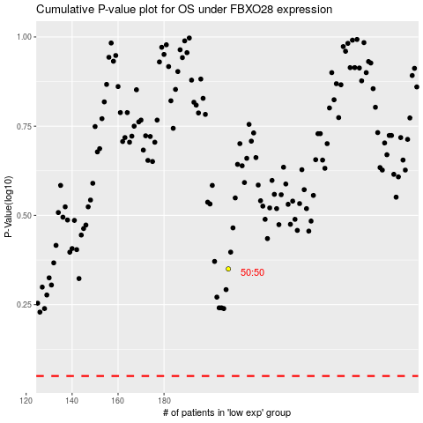

 |  |  |  |  |  | cases_OS | p_OS | rank | exp
 |  |  |  |  |  |  | cases_RFS | p_RFS | rank | exp

