FBXO31 _multivariate
Reported by Tex Li-Hsing Chi. tex@gate.sinica.edu.tw 2019-08-19

Table 2. The clinicopathological features of HNSCC cohort and FBXO31 expression. (Chi square test)
Cutoff at -0.187 (50.0%)
 |  | FBXO31 expression |  | FBXO31 expression |  | (Optimised)
 | Features | Low | (%) | High | (%) | Case no | P-value | Remark | Matthews
Gender | Female | 149 | 35.9 | 157 | 37.8 | 415 | 0.4848 | 0 | 0
2 | Male | 58 | 14 | 51 | 12.3
Age at diagnosis | <=65y | 133 | 32 | 141 | 34 | 415 | 0.5111 | 0 | 0
4 | >65y | 74 | 17.8 | 67 | 16.1
Clinical T Status | T1+T2 | 75 | 18.1 | 74 | 17.8 | 415 | 0.9707 | 0 | 0
6 | T3+T4 | 132 | 31.8 | 134 | 32.3
Clinical N Status | N0 | 107 | 25.8 | 109 | 26.3 | 415 | 0.9624 | 0 | 0
8 | N1-3 | 100 | 24.1 | 99 | 23.9
Clinical M Status | M0 | 206 | 49.6 | 206 | 49.6 | 415 | 1 | 0 | 0
10 | M1 | 1 | 0.2 | 2 | 0.5
Clinical Stage | Stage I+II | 49 | 11.8 | 53 | 12.8 | 415 | 0.7535 | 0 | 0
12 | Stage III+IV | 158 | 38.1 | 155 | 37.3
Surgical Margin status | Negative | 158 | 38.1 | 160 | 38.6 | 415 | 0.9081 | 0 | 0
14 | Positive | 49 | 11.8 | 48 | 11.6
Tobacco Exposure | Low | 89 | 21.4 | 72 | 17.3 | 415 | 0.0872 | 0 | 0
16 | High | 118 | 28.4 | 136 | 32.8

Table 3. Univariate/Multivariate Cox's proportional hazards regression analyses on OS time of FBXO31 gene expression in HNSCC

 |  | Univariate |  |  |  | Multivariate
 | Features | HR | CI95%(L) | CI95%(H) | P-value | HR | CI95%(L) | CI95%(H) | P-value
1 | Female | 1 |  |  |  | 1
Gender | Male | 1.157 | 0.843 | 1.587 | 0.367 | 1.201 | 0.86 | 1.678 | 0.282
11 | <=65y | 1 |  |  |  | 1
Age at diagnosis | >65y | 1.329 | 0.99 | 1.784 | 0.058 | 1.39 | 1.022 | 1.89 | 0.036
12 | T1+T2 | 1 |  |  |  | 1
Clinical T Status | T3+T4 | 1.409 | 1.028 | 1.931 | 0.033 | 2.216 | 1.168 | 4.205 | 0.015
13 | N0 | 1 |  |  |  | 1
Clinical N Status | N1-3 | 1.185 | 0.89 | 1.577 | 0.246 | 1.243 | 0.871 | 1.775 | 0.231
14 | M0 | 1 |  |  |  | 1
Clinical M Status | M1 | 4.097 | 1.009 | 16.644 | 0.049 | 9.486 | 2.064 | 43.592 | 0.004
15 | Stage I+II | 1 |  |  |  | 1
Clinical Stage | Stage III+IV | 1.245 | 0.882 | 1.759 | 0.213 | 0.501 | 0.233 | 1.079 | 0.077
16 | Negative | 1 |  |  |  | 1
Surgical Margin status | Positive | 1.591 | 1.155 | 2.191 | 0.004 | 1.674 | 1.211 | 2.313 | 0.002
17 | Low | 1 |  |  |  | 1
Tobacco Exposure | High | 1.364 | 1.008 | 1.844 | 0.044 | 1.456 | 1.056 | 2.008 | 0.022
18 | Low | 1 |  |  |  | 1
RNAseq(z-score) | High | 1.047 | 0.786 | 1.396 | 0.752 | 0.972 | 0.726 | 1.301 | 0.847

Table 4. Univariate/Multivariate Cox's proportional hazards regression analyses on RFS time of FBXO31 gene expression in HNSCC

 |  | Univariate |  |  |  | Multivariate
 | Features | HR | CI95%(L) | CI95%(H) | P-value | HR | CI95%(L) | CI95%(H) | P-value
1 | Female | 1 |  |  |  | 1
Gender | Male | 1.157 | 0.843 | 1.587 | 0.367 | 1.201 | 0.86 | 1.678 | 0.282
11 | <=65y | 1 |  |  |  | 1
Age at diagnosis | >65y | 1.329 | 0.99 | 1.784 | 0.058 | 1.39 | 1.022 | 1.89 | 0.036
12 | T1+T2 | 1 |  |  |  | 1
Clinical T Status | T3+T4 | 1.409 | 1.028 | 1.931 | 0.033 | 2.216 | 1.168 | 4.205 | 0.015
13 | N0 | 1 |  |  |  | 1
Clinical N Status | N1-3 | 1.185 | 0.89 | 1.577 | 0.246 | 1.243 | 0.871 | 1.775 | 0.231
14 | M0 | 1 |  |  |  | 1
Clinical M Status | M1 | 4.097 | 1.009 | 16.644 | 0.049 | 9.486 | 2.064 | 43.592 | 0.004
15 | Stage I+II | 1 |  |  |  | 1
Clinical Stage | Stage III+IV | 1.245 | 0.882 | 1.759 | 0.213 | 0.501 | 0.233 | 1.079 | 0.077
16 | Negative | 1 |  |  |  | 1
Surgical Margin status | Positive | 1.591 | 1.155 | 2.191 | 0.004 | 1.674 | 1.211 | 2.313 | 0.002
17 | Low | 1 |  |  |  | 1
Tobacco Exposure | High | 1.364 | 1.008 | 1.844 | 0.044 | 1.456 | 1.056 | 2.008 | 0.022
18 | Low | 1 |  |  |  | 1
RNAseq(z-score) | High | 1.047 | 0.786 | 1.396 | 0.752 | 0.972 | 0.726 | 1.301 | 0.847

Kaplan-Meier survival estimate: Cutoff at -0.187 (50.0%)



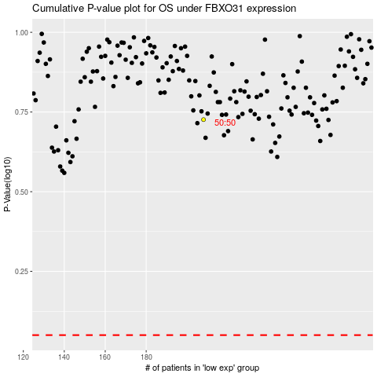

 |  |  |  |  |  | cases_OS | p_OS | rank | exp
 |  |  |  |  |  |  | cases_RFS | p_RFS | rank | exp

