FBXO36 _multivariate
Reported by Tex Li-Hsing Chi. tex@gate.sinica.edu.tw 2019-08-19

Table 2. The clinicopathological features of HNSCC cohort and FBXO36 expression. (Chi square test)
Cutoff at -0.209 (50.0%)
 |  | FBXO36 expression |  | FBXO36 expression |  | (Optimised)
 | Features | Low | (%) | High | (%) | Case no | P-value | Remark | Matthews
Gender | Female | 148 | 35.7 | 158 | 38.1 | 415 | 0.3567 | 0 | 0
2 | Male | 59 | 14.2 | 50 | 12
Age at diagnosis | <=65y | 133 | 32 | 141 | 34 | 415 | 0.5111 | 0 | 0
4 | >65y | 74 | 17.8 | 67 | 16.1
Clinical T Status | T1+T2 | 76 | 18.3 | 73 | 17.6 | 415 | 0.8092 | 0 | 0
6 | T3+T4 | 131 | 31.6 | 135 | 32.5
Clinical N Status | N0 | 118 | 28.4 | 98 | 23.6 | 415 | 0.0551 | 1 | 0
8 | N1-3 | 89 | 21.4 | 110 | 26.5
Clinical M Status | M0 | 205 | 49.4 | 207 | 49.9 | 415 | 0.6232 | 0 | 0
10 | M1 | 2 | 0.5 | 1 | 0.2
Clinical Stage | Stage I+II | 52 | 12.5 | 50 | 12 | 415 | 0.8871 | 0 | 0
12 | Stage III+IV | 155 | 37.3 | 158 | 38.1
Surgical Margin status | Negative | 156 | 37.6 | 162 | 39 | 415 | 0.5636 | 0 | 0
14 | Positive | 51 | 12.3 | 46 | 11.1
Tobacco Exposure | Low | 84 | 20.2 | 77 | 18.6 | 415 | 0.4816 | 0 | 0
16 | High | 123 | 29.6 | 131 | 31.6

Table 3. Univariate/Multivariate Cox's proportional hazards regression analyses on OS time of FBXO36 gene expression in HNSCC

 |  | Univariate |  |  |  | Multivariate
 | Features | HR | CI95%(L) | CI95%(H) | P-value | HR | CI95%(L) | CI95%(H) | P-value
1 | Female | 1 |  |  |  | 1
Gender | Male | 1.157 | 0.843 | 1.587 | 0.367 | 1.179 | 0.843 | 1.65 | 0.336
11 | <=65y | 1 |  |  |  | 1
Age at diagnosis | >65y | 1.329 | 0.99 | 1.784 | 0.058 | 1.381 | 1.015 | 1.878 | 0.04
12 | T1+T2 | 1 |  |  |  | 1
Clinical T Status | T3+T4 | 1.409 | 1.028 | 1.931 | 0.033 | 2.262 | 1.196 | 4.28 | 0.012
13 | N0 | 1 |  |  |  | 1
Clinical N Status | N1-3 | 1.185 | 0.89 | 1.577 | 0.246 | 1.298 | 0.906 | 1.862 | 0.155
14 | M0 | 1 |  |  |  | 1
Clinical M Status | M1 | 4.097 | 1.009 | 16.644 | 0.049 | 9.127 | 1.99 | 41.869 | 0.004
15 | Stage I+II | 1 |  |  |  | 1
Clinical Stage | Stage III+IV | 1.245 | 0.882 | 1.759 | 0.213 | 0.487 | 0.227 | 1.046 | 0.065
16 | Negative | 1 |  |  |  | 1
Surgical Margin status | Positive | 1.591 | 1.155 | 2.191 | 0.004 | 1.662 | 1.203 | 2.295 | 0.002
17 | Low | 1 |  |  |  | 1
Tobacco Exposure | High | 1.364 | 1.008 | 1.844 | 0.044 | 1.441 | 1.045 | 1.987 | 0.026
18 | Low | 1 |  |  |  | 1
RNAseq(z-score) | High | 0.796 | 0.597 | 1.062 | 0.122 | 0.802 | 0.597 | 1.078 | 0.144

Table 4. Univariate/Multivariate Cox's proportional hazards regression analyses on RFS time of FBXO36 gene expression in HNSCC

 |  | Univariate |  |  |  | Multivariate
 | Features | HR | CI95%(L) | CI95%(H) | P-value | HR | CI95%(L) | CI95%(H) | P-value
1 | Female | 1 |  |  |  | 1
Gender | Male | 1.157 | 0.843 | 1.587 | 0.367 | 1.179 | 0.843 | 1.65 | 0.336
11 | <=65y | 1 |  |  |  | 1
Age at diagnosis | >65y | 1.329 | 0.99 | 1.784 | 0.058 | 1.381 | 1.015 | 1.878 | 0.04
12 | T1+T2 | 1 |  |  |  | 1
Clinical T Status | T3+T4 | 1.409 | 1.028 | 1.931 | 0.033 | 2.262 | 1.196 | 4.28 | 0.012
13 | N0 | 1 |  |  |  | 1
Clinical N Status | N1-3 | 1.185 | 0.89 | 1.577 | 0.246 | 1.298 | 0.906 | 1.862 | 0.155
14 | M0 | 1 |  |  |  | 1
Clinical M Status | M1 | 4.097 | 1.009 | 16.644 | 0.049 | 9.127 | 1.99 | 41.869 | 0.004
15 | Stage I+II | 1 |  |  |  | 1
Clinical Stage | Stage III+IV | 1.245 | 0.882 | 1.759 | 0.213 | 0.487 | 0.227 | 1.046 | 0.065
16 | Negative | 1 |  |  |  | 1
Surgical Margin status | Positive | 1.591 | 1.155 | 2.191 | 0.004 | 1.662 | 1.203 | 2.295 | 0.002
17 | Low | 1 |  |  |  | 1
Tobacco Exposure | High | 1.364 | 1.008 | 1.844 | 0.044 | 1.441 | 1.045 | 1.987 | 0.026
18 | Low | 1 |  |  |  | 1
RNAseq(z-score) | High | 0.796 | 0.597 | 1.062 | 0.122 | 0.802 | 0.597 | 1.078 | 0.144

Kaplan-Meier survival estimate: Cutoff at -0.209 (50.0%)



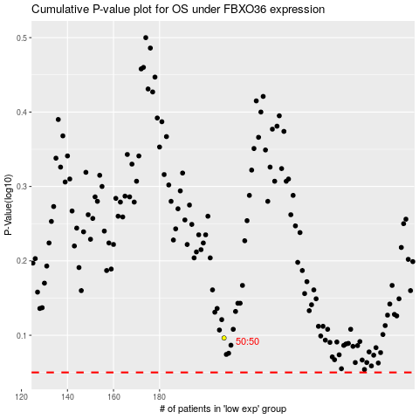

 |  |  |  |  |  | cases_OS | p_OS | rank | exp
 |  |  |  |  |  |  | cases_RFS | p_RFS | rank | exp

