FBXO39 _multivariate
Reported by Tex Li-Hsing Chi. tex@gate.sinica.edu.tw 2019-08-19

Table 2. The clinicopathological features of HNSCC cohort and FBXO39 expression. (Chi square test)
Cutoff at -0.155 (49.8%)
 |  | FBXO39 expression |  | FBXO39 expression |  | (Optimised)
 | Features | Low | (%) | High | (%) | Case no | P-value | Remark | Matthews
Gender | Female | 156 | 37.6 | 150 | 36.1 | 415 | 0.5222 | 0 | 0
2 | Male | 51 | 12.3 | 58 | 14
Age at diagnosis | <=65y | 138 | 33.3 | 136 | 32.8 | 415 | 0.8634 | 0 | 0
4 | >65y | 69 | 16.6 | 72 | 17.3
Clinical T Status | T1+T2 | 74 | 17.8 | 75 | 18.1 | 415 | 1 | 0 | 0
6 | T3+T4 | 133 | 32 | 133 | 32
Clinical N Status | N0 | 104 | 25.1 | 112 | 27 | 415 | 0.5243 | 0 | 0
8 | N1-3 | 103 | 24.8 | 96 | 23.1
Clinical M Status | M0 | 206 | 49.6 | 206 | 49.6 | 415 | 1 | 0 | 0
10 | M1 | 1 | 0.2 | 2 | 0.5
Clinical Stage | Stage I+II | 44 | 10.6 | 58 | 14 | 415 | 0.1459 | 0 | 0
12 | Stage III+IV | 163 | 39.3 | 150 | 36.1
Surgical Margin status | Negative | 160 | 38.6 | 158 | 38.1 | 415 | 0.8167 | 0 | 0
14 | Positive | 47 | 11.3 | 50 | 12
Tobacco Exposure | Low | 79 | 19 | 82 | 19.8 | 415 | 0.8405 | 0 | 0
16 | High | 128 | 30.8 | 126 | 30.4

Table 3. Univariate/Multivariate Cox's proportional hazards regression analyses on OS time of FBXO39 gene expression in HNSCC

 |  | Univariate |  |  |  | Multivariate
 | Features | HR | CI95%(L) | CI95%(H) | P-value | HR | CI95%(L) | CI95%(H) | P-value
1 | Female | 1 |  |  |  | 1
Gender | Male | 1.157 | 0.843 | 1.587 | 0.367 | 1.207 | 0.864 | 1.685 | 0.27
11 | <=65y | 1 |  |  |  | 1
Age at diagnosis | >65y | 1.329 | 0.99 | 1.784 | 0.058 | 1.406 | 1.033 | 1.912 | 0.03
12 | T1+T2 | 1 |  |  |  | 1
Clinical T Status | T3+T4 | 1.409 | 1.028 | 1.931 | 0.033 | 2.255 | 1.191 | 4.273 | 0.013
13 | N0 | 1 |  |  |  | 1
Clinical N Status | N1-3 | 1.185 | 0.89 | 1.577 | 0.246 | 1.239 | 0.868 | 1.768 | 0.237
14 | M0 | 1 |  |  |  | 1
Clinical M Status | M1 | 4.097 | 1.009 | 16.644 | 0.049 | 9.794 | 2.131 | 45.025 | 0.003
15 | Stage I+II | 1 |  |  |  | 1
Clinical Stage | Stage III+IV | 1.245 | 0.882 | 1.759 | 0.213 | 0.489 | 0.227 | 1.052 | 0.067
16 | Negative | 1 |  |  |  | 1
Surgical Margin status | Positive | 1.591 | 1.155 | 2.191 | 0.004 | 1.668 | 1.207 | 2.305 | 0.002
17 | Low | 1 |  |  |  | 1
Tobacco Exposure | High | 1.364 | 1.008 | 1.844 | 0.044 | 1.458 | 1.059 | 2.009 | 0.021
18 | Low | 1 |  |  |  | 1
RNAseq(z-score) | High | 0.916 | 0.688 | 1.22 | 0.548 | 0.879 | 0.658 | 1.174 | 0.383

Table 4. Univariate/Multivariate Cox's proportional hazards regression analyses on RFS time of FBXO39 gene expression in HNSCC

 |  | Univariate |  |  |  | Multivariate
 | Features | HR | CI95%(L) | CI95%(H) | P-value | HR | CI95%(L) | CI95%(H) | P-value
1 | Female | 1 |  |  |  | 1
Gender | Male | 1.157 | 0.843 | 1.587 | 0.367 | 1.207 | 0.864 | 1.685 | 0.27
11 | <=65y | 1 |  |  |  | 1
Age at diagnosis | >65y | 1.329 | 0.99 | 1.784 | 0.058 | 1.406 | 1.033 | 1.912 | 0.03
12 | T1+T2 | 1 |  |  |  | 1
Clinical T Status | T3+T4 | 1.409 | 1.028 | 1.931 | 0.033 | 2.255 | 1.191 | 4.273 | 0.013
13 | N0 | 1 |  |  |  | 1
Clinical N Status | N1-3 | 1.185 | 0.89 | 1.577 | 0.246 | 1.239 | 0.868 | 1.768 | 0.237
14 | M0 | 1 |  |  |  | 1
Clinical M Status | M1 | 4.097 | 1.009 | 16.644 | 0.049 | 9.794 | 2.131 | 45.025 | 0.003
15 | Stage I+II | 1 |  |  |  | 1
Clinical Stage | Stage III+IV | 1.245 | 0.882 | 1.759 | 0.213 | 0.489 | 0.227 | 1.052 | 0.067
16 | Negative | 1 |  |  |  | 1
Surgical Margin status | Positive | 1.591 | 1.155 | 2.191 | 0.004 | 1.668 | 1.207 | 2.305 | 0.002
17 | Low | 1 |  |  |  | 1
Tobacco Exposure | High | 1.364 | 1.008 | 1.844 | 0.044 | 1.458 | 1.059 | 2.009 | 0.021
18 | Low | 1 |  |  |  | 1
RNAseq(z-score) | High | 0.916 | 0.688 | 1.22 | 0.548 | 0.879 | 0.658 | 1.174 | 0.383

Kaplan-Meier survival estimate: Cutoff at -0.155 (49.8%)

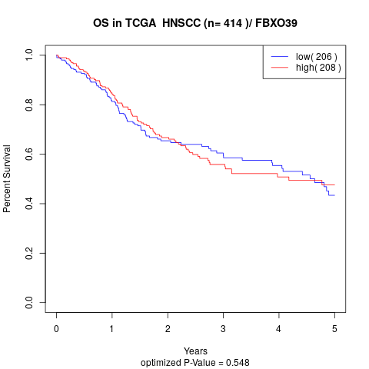

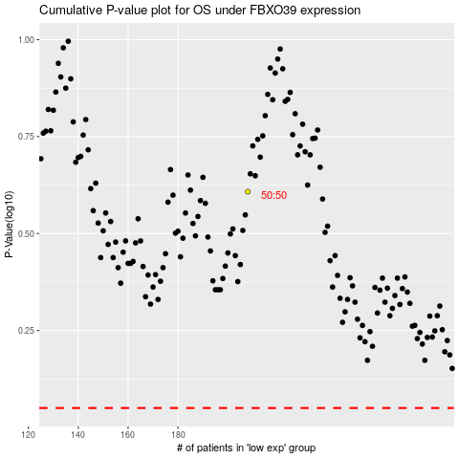

 |  |  |  |  |  | cases_OS | p_OS | rank | exp
 |  |  |  |  |  |  | cases_RFS | p_RFS | rank | exp

