FBXO4 _multivariate
Reported by Tex Li-Hsing Chi. tex@gate.sinica.edu.tw 2019-08-19

Table 2. The clinicopathological features of HNSCC cohort and FBXO4 expression. (Chi square test)
Cutoff at -0.249 (49.8%)
 |  | FBXO4 expression |  | FBXO4 expression |  | (Optimised)
 | Features | Low | (%) | High | (%) | Case no | P-value | Remark | Matthews
Gender | Female | 142 | 34.2 | 164 | 39.5 | 415 | 0.0238 | 1 | 0
2 | Male | 65 | 15.7 | 44 | 10.6
Age at diagnosis | <=65y | 126 | 30.4 | 148 | 35.7 | 415 | 0.035 | 1 | 0
4 | >65y | 81 | 19.5 | 60 | 14.5
Clinical T Status | T1+T2 | 70 | 16.9 | 79 | 19 | 415 | 0.4343 | 0 | 0
6 | T3+T4 | 137 | 33 | 129 | 31.1
Clinical N Status | N0 | 114 | 27.5 | 102 | 24.6 | 415 | 0.2576 | 1 | 0
8 | N1-3 | 93 | 22.4 | 106 | 25.5
Clinical M Status | M0 | 205 | 49.4 | 207 | 49.9 | 415 | 0.6232 | 0 | 0
10 | M1 | 2 | 0.5 | 1 | 0.2
Clinical Stage | Stage I+II | 48 | 11.6 | 54 | 13 | 415 | 0.5878 | 0 | 0
12 | Stage III+IV | 159 | 38.3 | 154 | 37.1
Surgical Margin status | Negative | 163 | 39.3 | 155 | 37.3 | 415 | 0.3537 | 0 | 0
14 | Positive | 44 | 10.6 | 53 | 12.8
Tobacco Exposure | Low | 84 | 20.2 | 77 | 18.6 | 415 | 0.4816 | 0 | 0
16 | High | 123 | 29.6 | 131 | 31.6

Table 3. Univariate/Multivariate Cox's proportional hazards regression analyses on OS time of FBXO4 gene expression in HNSCC

 |  | Univariate |  |  |  | Multivariate
 | Features | HR | CI95%(L) | CI95%(H) | P-value | HR | CI95%(L) | CI95%(H) | P-value
1 | Female | 1 |  |  |  | 1
Gender | Male | 1.157 | 0.843 | 1.587 | 0.367 | 1.19 | 0.851 | 1.665 | 0.31
11 | <=65y | 1 |  |  |  | 1
Age at diagnosis | >65y | 1.329 | 0.99 | 1.784 | 0.058 | 1.377 | 1.012 | 1.875 | 0.042
12 | T1+T2 | 1 |  |  |  | 1
Clinical T Status | T3+T4 | 1.409 | 1.028 | 1.931 | 0.033 | 2.22 | 1.174 | 4.201 | 0.014
13 | N0 | 1 |  |  |  | 1
Clinical N Status | N1-3 | 1.185 | 0.89 | 1.577 | 0.246 | 1.255 | 0.878 | 1.793 | 0.213
14 | M0 | 1 |  |  |  | 1
Clinical M Status | M1 | 4.097 | 1.009 | 16.644 | 0.049 | 9.361 | 2.042 | 42.919 | 0.004
15 | Stage I+II | 1 |  |  |  | 1
Clinical Stage | Stage III+IV | 1.245 | 0.882 | 1.759 | 0.213 | 0.492 | 0.228 | 1.059 | 0.07
16 | Negative | 1 |  |  |  | 1
Surgical Margin status | Positive | 1.591 | 1.155 | 2.191 | 0.004 | 1.694 | 1.223 | 2.347 | 0.002
17 | Low | 1 |  |  |  | 1
Tobacco Exposure | High | 1.364 | 1.008 | 1.844 | 0.044 | 1.455 | 1.056 | 2.006 | 0.022
18 | Low | 1 |  |  |  | 1
RNAseq(z-score) | High | 0.911 | 0.684 | 1.214 | 0.525 | 0.905 | 0.674 | 1.215 | 0.507

Table 4. Univariate/Multivariate Cox's proportional hazards regression analyses on RFS time of FBXO4 gene expression in HNSCC

 |  | Univariate |  |  |  | Multivariate
 | Features | HR | CI95%(L) | CI95%(H) | P-value | HR | CI95%(L) | CI95%(H) | P-value
1 | Female | 1 |  |  |  | 1
Gender | Male | 1.157 | 0.843 | 1.587 | 0.367 | 1.19 | 0.851 | 1.665 | 0.31
11 | <=65y | 1 |  |  |  | 1
Age at diagnosis | >65y | 1.329 | 0.99 | 1.784 | 0.058 | 1.377 | 1.012 | 1.875 | 0.042
12 | T1+T2 | 1 |  |  |  | 1
Clinical T Status | T3+T4 | 1.409 | 1.028 | 1.931 | 0.033 | 2.22 | 1.174 | 4.201 | 0.014
13 | N0 | 1 |  |  |  | 1
Clinical N Status | N1-3 | 1.185 | 0.89 | 1.577 | 0.246 | 1.255 | 0.878 | 1.793 | 0.213
14 | M0 | 1 |  |  |  | 1
Clinical M Status | M1 | 4.097 | 1.009 | 16.644 | 0.049 | 9.361 | 2.042 | 42.919 | 0.004
15 | Stage I+II | 1 |  |  |  | 1
Clinical Stage | Stage III+IV | 1.245 | 0.882 | 1.759 | 0.213 | 0.492 | 0.228 | 1.059 | 0.07
16 | Negative | 1 |  |  |  | 1
Surgical Margin status | Positive | 1.591 | 1.155 | 2.191 | 0.004 | 1.694 | 1.223 | 2.347 | 0.002
17 | Low | 1 |  |  |  | 1
Tobacco Exposure | High | 1.364 | 1.008 | 1.844 | 0.044 | 1.455 | 1.056 | 2.006 | 0.022
18 | Low | 1 |  |  |  | 1
RNAseq(z-score) | High | 0.911 | 0.684 | 1.214 | 0.525 | 0.905 | 0.674 | 1.215 | 0.507

Kaplan-Meier survival estimate: Cutoff at -0.249 (49.8%)



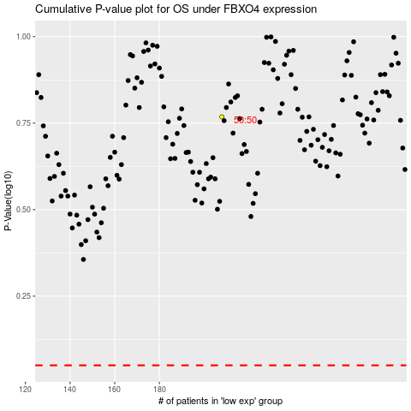

 |  |  |  |  |  | cases_OS | p_OS | rank | exp
 |  |  |  |  |  |  | cases_RFS | p_RFS | rank | exp

