FBXO41 _multivariate
Reported by Tex Li-Hsing Chi. tex@gate.sinica.edu.tw 2019-08-19

Table 2. The clinicopathological features of HNSCC cohort and FBXO41 expression. (Chi square test)
Cutoff at -0.13 (49.8%)
 |  | FBXO41 expression |  | FBXO41 expression |  | (Optimised)
 | Features | Low | (%) | High | (%) | Case no | P-value | Remark | Matthews
Gender | Female | 146 | 35.2 | 160 | 38.6 | 415 | 0.1714 | 0 | 0
2 | Male | 61 | 14.7 | 48 | 11.6
Age at diagnosis | <=65y | 135 | 32.5 | 139 | 33.5 | 415 | 0.8084 | 0 | 0
4 | >65y | 72 | 17.3 | 69 | 16.6
Clinical T Status | T1+T2 | 85 | 20.5 | 64 | 15.4 | 415 | 0.0372 | 1 | 0
6 | T3+T4 | 122 | 29.4 | 144 | 34.7
Clinical N Status | N0 | 107 | 25.8 | 109 | 26.3 | 415 | 0.9624 | 0 | 0
8 | N1-3 | 100 | 24.1 | 99 | 23.9
Clinical M Status | M0 | 204 | 49.2 | 208 | 50.1 | 415 | 0.1232 | 0 | 0
10 | M1 | 3 | 0.7 | 0 | 0
Clinical Stage | Stage I+II | 58 | 14 | 44 | 10.6 | 415 | 0.131 | 0 | 0
12 | Stage III+IV | 149 | 35.9 | 164 | 39.5
Surgical Margin status | Negative | 156 | 37.6 | 162 | 39 | 415 | 0.5636 | 0 | 0
14 | Positive | 51 | 12.3 | 46 | 11.1
Tobacco Exposure | Low | 89 | 21.4 | 72 | 17.3 | 415 | 0.0872 | 0 | 0
16 | High | 118 | 28.4 | 136 | 32.8

Table 3. Univariate/Multivariate Cox's proportional hazards regression analyses on OS time of FBXO41 gene expression in HNSCC

 |  | Univariate |  |  |  | Multivariate
 | Features | HR | CI95%(L) | CI95%(H) | P-value | HR | CI95%(L) | CI95%(H) | P-value
1 | Female | 1 |  |  |  | 1
Gender | Male | 1.157 | 0.843 | 1.587 | 0.367 | 1.18 | 0.842 | 1.654 | 0.336
11 | <=65y | 1 |  |  |  | 1
Age at diagnosis | >65y | 1.329 | 0.99 | 1.784 | 0.058 | 1.387 | 1.021 | 1.886 | 0.037
12 | T1+T2 | 1 |  |  |  | 1
Clinical T Status | T3+T4 | 1.409 | 1.028 | 1.931 | 0.033 | 2.232 | 1.18 | 4.222 | 0.014
13 | N0 | 1 |  |  |  | 1
Clinical N Status | N1-3 | 1.185 | 0.89 | 1.577 | 0.246 | 1.231 | 0.862 | 1.757 | 0.253
14 | M0 | 1 |  |  |  | 1
Clinical M Status | M1 | 4.097 | 1.009 | 16.644 | 0.049 | 8.975 | 1.948 | 41.358 | 0.005
15 | Stage I+II | 1 |  |  |  | 1
Clinical Stage | Stage III+IV | 1.245 | 0.882 | 1.759 | 0.213 | 0.507 | 0.236 | 1.088 | 0.081
16 | Negative | 1 |  |  |  | 1
Surgical Margin status | Positive | 1.591 | 1.155 | 2.191 | 0.004 | 1.657 | 1.198 | 2.291 | 0.002
17 | Low | 1 |  |  |  | 1
Tobacco Exposure | High | 1.364 | 1.008 | 1.844 | 0.044 | 1.46 | 1.06 | 2.012 | 0.021
18 | Low | 1 |  |  |  | 1
RNAseq(z-score) | High | 0.895 | 0.672 | 1.192 | 0.45 | 0.899 | 0.667 | 1.21 | 0.482

Table 4. Univariate/Multivariate Cox's proportional hazards regression analyses on RFS time of FBXO41 gene expression in HNSCC

 |  | Univariate |  |  |  | Multivariate
 | Features | HR | CI95%(L) | CI95%(H) | P-value | HR | CI95%(L) | CI95%(H) | P-value
1 | Female | 1 |  |  |  | 1
Gender | Male | 1.157 | 0.843 | 1.587 | 0.367 | 1.18 | 0.842 | 1.654 | 0.336
11 | <=65y | 1 |  |  |  | 1
Age at diagnosis | >65y | 1.329 | 0.99 | 1.784 | 0.058 | 1.387 | 1.021 | 1.886 | 0.037
12 | T1+T2 | 1 |  |  |  | 1
Clinical T Status | T3+T4 | 1.409 | 1.028 | 1.931 | 0.033 | 2.232 | 1.18 | 4.222 | 0.014
13 | N0 | 1 |  |  |  | 1
Clinical N Status | N1-3 | 1.185 | 0.89 | 1.577 | 0.246 | 1.231 | 0.862 | 1.757 | 0.253
14 | M0 | 1 |  |  |  | 1
Clinical M Status | M1 | 4.097 | 1.009 | 16.644 | 0.049 | 8.975 | 1.948 | 41.358 | 0.005
15 | Stage I+II | 1 |  |  |  | 1
Clinical Stage | Stage III+IV | 1.245 | 0.882 | 1.759 | 0.213 | 0.507 | 0.236 | 1.088 | 0.081
16 | Negative | 1 |  |  |  | 1
Surgical Margin status | Positive | 1.591 | 1.155 | 2.191 | 0.004 | 1.657 | 1.198 | 2.291 | 0.002
17 | Low | 1 |  |  |  | 1
Tobacco Exposure | High | 1.364 | 1.008 | 1.844 | 0.044 | 1.46 | 1.06 | 2.012 | 0.021
18 | Low | 1 |  |  |  | 1
RNAseq(z-score) | High | 0.895 | 0.672 | 1.192 | 0.45 | 0.899 | 0.667 | 1.21 | 0.482

Kaplan-Meier survival estimate: Cutoff at -0.13 (49.8%)



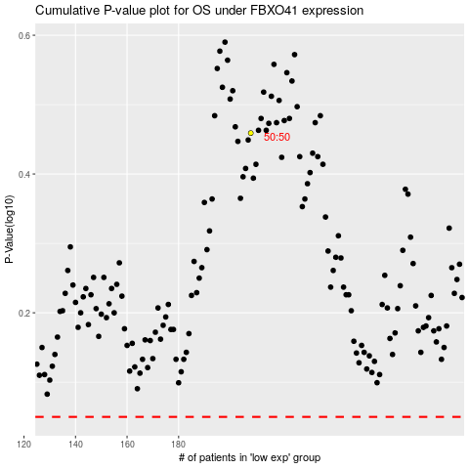

 |  |  |  |  |  | cases_OS | p_OS | rank | exp
 |  |  |  |  |  |  | cases_RFS | p_RFS | rank | exp

