FBXO42 _multivariate
Reported by Tex Li-Hsing Chi. tex@gate.sinica.edu.tw 2019-08-19

Table 2. The clinicopathological features of HNSCC cohort and FBXO42 expression. (Chi square test)
Cutoff at -0.168 (50.0%)
 |  | FBXO42 expression |  | FBXO42 expression |  | (Optimised)
 | Features | Low | (%) | High | (%) | Case no | P-value | Remark | Matthews
Gender | Female | 156 | 37.6 | 150 | 36.1 | 415 | 0.5222 | 0 | 0
2 | Male | 51 | 12.3 | 58 | 14
Age at diagnosis | <=65y | 130 | 31.3 | 144 | 34.7 | 415 | 0.2009 | 0 | 0
4 | >65y | 77 | 18.6 | 64 | 15.4
Clinical T Status | T1+T2 | 81 | 19.5 | 68 | 16.4 | 415 | 0.206 | 0 | 0
6 | T3+T4 | 126 | 30.4 | 140 | 33.7
Clinical N Status | N0 | 114 | 27.5 | 102 | 24.6 | 415 | 0.2576 | 1 | 0
8 | N1-3 | 93 | 22.4 | 106 | 25.5
Clinical M Status | M0 | 205 | 49.4 | 207 | 49.9 | 415 | 0.6232 | 0 | 0
10 | M1 | 2 | 0.5 | 1 | 0.2
Clinical Stage | Stage I+II | 61 | 14.7 | 41 | 9.9 | 415 | 0.0282 | 1 | 0
12 | Stage III+IV | 146 | 35.2 | 167 | 40.2
Surgical Margin status | Negative | 153 | 36.9 | 165 | 39.8 | 415 | 0.2036 | 0 | 0
14 | Positive | 54 | 13 | 43 | 10.4
Tobacco Exposure | Low | 77 | 18.6 | 84 | 20.2 | 415 | 0.5459 | 0 | 0
16 | High | 130 | 31.3 | 124 | 29.9

Table 3. Univariate/Multivariate Cox's proportional hazards regression analyses on OS time of FBXO42 gene expression in HNSCC

 |  | Univariate |  |  |  | Multivariate
 | Features | HR | CI95%(L) | CI95%(H) | P-value | HR | CI95%(L) | CI95%(H) | P-value
1 | Female | 1 |  |  |  | 1
Gender | Male | 1.157 | 0.843 | 1.587 | 0.367 | 1.211 | 0.865 | 1.695 | 0.265
11 | <=65y | 1 |  |  |  | 1
Age at diagnosis | >65y | 1.329 | 0.99 | 1.784 | 0.058 | 1.382 | 1.016 | 1.88 | 0.039
12 | T1+T2 | 1 |  |  |  | 1
Clinical T Status | T3+T4 | 1.409 | 1.028 | 1.931 | 0.033 | 2.178 | 1.152 | 4.12 | 0.017
13 | N0 | 1 |  |  |  | 1
Clinical N Status | N1-3 | 1.185 | 0.89 | 1.577 | 0.246 | 1.245 | 0.872 | 1.776 | 0.227
14 | M0 | 1 |  |  |  | 1
Clinical M Status | M1 | 4.097 | 1.009 | 16.644 | 0.049 | 9.092 | 1.98 | 41.744 | 0.005
15 | Stage I+II | 1 |  |  |  | 1
Clinical Stage | Stage III+IV | 1.245 | 0.882 | 1.759 | 0.213 | 0.52 | 0.242 | 1.12 | 0.095
16 | Negative | 1 |  |  |  | 1
Surgical Margin status | Positive | 1.591 | 1.155 | 2.191 | 0.004 | 1.648 | 1.191 | 2.28 | 0.003
17 | Low | 1 |  |  |  | 1
Tobacco Exposure | High | 1.364 | 1.008 | 1.844 | 0.044 | 1.439 | 1.042 | 1.985 | 0.027
18 | Low | 1 |  |  |  | 1
RNAseq(z-score) | High | 0.836 | 0.628 | 1.114 | 0.222 | 0.877 | 0.655 | 1.175 | 0.38

Table 4. Univariate/Multivariate Cox's proportional hazards regression analyses on RFS time of FBXO42 gene expression in HNSCC

 |  | Univariate |  |  |  | Multivariate
 | Features | HR | CI95%(L) | CI95%(H) | P-value | HR | CI95%(L) | CI95%(H) | P-value
1 | Female | 1 |  |  |  | 1
Gender | Male | 1.157 | 0.843 | 1.587 | 0.367 | 1.211 | 0.865 | 1.695 | 0.265
11 | <=65y | 1 |  |  |  | 1
Age at diagnosis | >65y | 1.329 | 0.99 | 1.784 | 0.058 | 1.382 | 1.016 | 1.88 | 0.039
12 | T1+T2 | 1 |  |  |  | 1
Clinical T Status | T3+T4 | 1.409 | 1.028 | 1.931 | 0.033 | 2.178 | 1.152 | 4.12 | 0.017
13 | N0 | 1 |  |  |  | 1
Clinical N Status | N1-3 | 1.185 | 0.89 | 1.577 | 0.246 | 1.245 | 0.872 | 1.776 | 0.227
14 | M0 | 1 |  |  |  | 1
Clinical M Status | M1 | 4.097 | 1.009 | 16.644 | 0.049 | 9.092 | 1.98 | 41.744 | 0.005
15 | Stage I+II | 1 |  |  |  | 1
Clinical Stage | Stage III+IV | 1.245 | 0.882 | 1.759 | 0.213 | 0.52 | 0.242 | 1.12 | 0.095
16 | Negative | 1 |  |  |  | 1
Surgical Margin status | Positive | 1.591 | 1.155 | 2.191 | 0.004 | 1.648 | 1.191 | 2.28 | 0.003
17 | Low | 1 |  |  |  | 1
Tobacco Exposure | High | 1.364 | 1.008 | 1.844 | 0.044 | 1.439 | 1.042 | 1.985 | 0.027
18 | Low | 1 |  |  |  | 1
RNAseq(z-score) | High | 0.836 | 0.628 | 1.114 | 0.222 | 0.877 | 0.655 | 1.175 | 0.38

Kaplan-Meier survival estimate: Cutoff at -0.168 (50.0%)



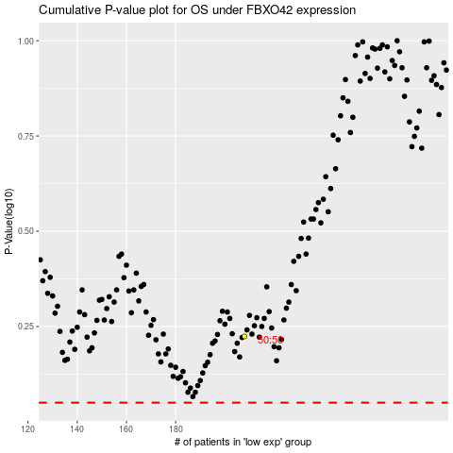

 |  |  |  |  |  | cases_OS | p_OS | rank | exp
 |  |  |  |  |  |  | cases_RFS | p_RFS | rank | exp

