FBXO43 _multivariate
Reported by Tex Li-Hsing Chi. tex@gate.sinica.edu.tw 2019-08-19

Table 2. The clinicopathological features of HNSCC cohort and FBXO43 expression. (Chi square test)
Cutoff at -0.301 (49.8%)
 |  | FBXO43 expression |  | FBXO43 expression |  | (Optimised)
 | Features | Low | (%) | High | (%) | Case no | P-value | Remark | Matthews
Gender | Female | 153 | 36.9 | 153 | 36.9 | 415 | 1 | 0 | 0
2 | Male | 54 | 13 | 55 | 13.3
Age at diagnosis | <=65y | 138 | 33.3 | 136 | 32.8 | 415 | 0.8634 | 0 | 0
4 | >65y | 69 | 16.6 | 72 | 17.3
Clinical T Status | T1+T2 | 73 | 17.6 | 76 | 18.3 | 415 | 0.8666 | 0 | 0
6 | T3+T4 | 134 | 32.3 | 132 | 31.8
Clinical N Status | N0 | 117 | 28.2 | 99 | 23.9 | 415 | 0.0852 | 1 | 0
8 | N1-3 | 90 | 21.7 | 109 | 26.3
Clinical M Status | M0 | 206 | 49.6 | 206 | 49.6 | 415 | 1 | 0 | 0
10 | M1 | 1 | 0.2 | 2 | 0.5
Clinical Stage | Stage I+II | 56 | 13.5 | 46 | 11.1 | 415 | 0.2918 | 0 | 0
12 | Stage III+IV | 151 | 36.4 | 162 | 39
Surgical Margin status | Negative | 167 | 40.2 | 151 | 36.4 | 415 | 0.0632 | 0 | 0
14 | Positive | 40 | 9.6 | 57 | 13.7
Tobacco Exposure | Low | 91 | 21.9 | 70 | 16.9 | 415 | 0.0346 | 1 | 0
16 | High | 116 | 28 | 138 | 33.3

Table 3. Univariate/Multivariate Cox's proportional hazards regression analyses on OS time of FBXO43 gene expression in HNSCC

 |  | Univariate |  |  |  | Multivariate
 | Features | HR | CI95%(L) | CI95%(H) | P-value | HR | CI95%(L) | CI95%(H) | P-value
1 | Female | 1 |  |  |  | 1
Gender | Male | 1.157 | 0.843 | 1.587 | 0.367 | 1.206 | 0.863 | 1.684 | 0.273
11 | <=65y | 1 |  |  |  | 1
Age at diagnosis | >65y | 1.329 | 0.99 | 1.784 | 0.058 | 1.445 | 1.061 | 1.969 | 0.019
12 | T1+T2 | 1 |  |  |  | 1
Clinical T Status | T3+T4 | 1.409 | 1.028 | 1.931 | 0.033 | 2.15 | 1.137 | 4.068 | 0.019
13 | N0 | 1 |  |  |  | 1
Clinical N Status | N1-3 | 1.185 | 0.89 | 1.577 | 0.246 | 1.27 | 0.89 | 1.812 | 0.188
14 | M0 | 1 |  |  |  | 1
Clinical M Status | M1 | 4.097 | 1.009 | 16.644 | 0.049 | 10.097 | 2.199 | 46.359 | 0.003
15 | Stage I+II | 1 |  |  |  | 1
Clinical Stage | Stage III+IV | 1.245 | 0.882 | 1.759 | 0.213 | 0.508 | 0.237 | 1.09 | 0.082
16 | Negative | 1 |  |  |  | 1
Surgical Margin status | Positive | 1.591 | 1.155 | 2.191 | 0.004 | 1.745 | 1.259 | 2.419 | 0.001
17 | Low | 1 |  |  |  | 1
Tobacco Exposure | High | 1.364 | 1.008 | 1.844 | 0.044 | 1.522 | 1.101 | 2.105 | 0.011
18 | Low | 1 |  |  |  | 1
RNAseq(z-score) | High | 0.83 | 0.621 | 1.109 | 0.209 | 0.728 | 0.541 | 0.98 | 0.036

Table 4. Univariate/Multivariate Cox's proportional hazards regression analyses on RFS time of FBXO43 gene expression in HNSCC

 |  | Univariate |  |  |  | Multivariate
 | Features | HR | CI95%(L) | CI95%(H) | P-value | HR | CI95%(L) | CI95%(H) | P-value
1 | Female | 1 |  |  |  | 1
Gender | Male | 1.157 | 0.843 | 1.587 | 0.367 | 1.206 | 0.863 | 1.684 | 0.273
11 | <=65y | 1 |  |  |  | 1
Age at diagnosis | >65y | 1.329 | 0.99 | 1.784 | 0.058 | 1.445 | 1.061 | 1.969 | 0.019
12 | T1+T2 | 1 |  |  |  | 1
Clinical T Status | T3+T4 | 1.409 | 1.028 | 1.931 | 0.033 | 2.15 | 1.137 | 4.068 | 0.019
13 | N0 | 1 |  |  |  | 1
Clinical N Status | N1-3 | 1.185 | 0.89 | 1.577 | 0.246 | 1.27 | 0.89 | 1.812 | 0.188
14 | M0 | 1 |  |  |  | 1
Clinical M Status | M1 | 4.097 | 1.009 | 16.644 | 0.049 | 10.097 | 2.199 | 46.359 | 0.003
15 | Stage I+II | 1 |  |  |  | 1
Clinical Stage | Stage III+IV | 1.245 | 0.882 | 1.759 | 0.213 | 0.508 | 0.237 | 1.09 | 0.082
16 | Negative | 1 |  |  |  | 1
Surgical Margin status | Positive | 1.591 | 1.155 | 2.191 | 0.004 | 1.745 | 1.259 | 2.419 | 0.001
17 | Low | 1 |  |  |  | 1
Tobacco Exposure | High | 1.364 | 1.008 | 1.844 | 0.044 | 1.522 | 1.101 | 2.105 | 0.011
18 | Low | 1 |  |  |  | 1
RNAseq(z-score) | High | 0.83 | 0.621 | 1.109 | 0.209 | 0.728 | 0.541 | 0.98 | 0.036

Kaplan-Meier survival estimate: Cutoff at -0.301 (49.8%)



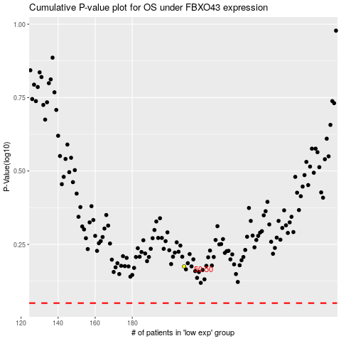

 |  |  |  |  |  | cases_OS | p_OS | rank | exp
 |  |  |  |  |  |  | cases_RFS | p_RFS | rank | exp

