FBXO6 _multivariate
Reported by Tex Li-Hsing Chi. tex@gate.sinica.edu.tw 2019-08-19

Table 2. The clinicopathological features of HNSCC cohort and FBXO6 expression. (Chi square test)
Cutoff at -0.215 (50.0%)
 |  | FBXO6 expression |  | FBXO6 expression |  | (Optimised)
 | Features | Low | (%) | High | (%) | Case no | P-value | Remark | Matthews
Gender | Female | 164 | 39.5 | 142 | 34.2 | 415 | 0.0153 | 1 | 0
2 | Male | 43 | 10.4 | 66 | 15.9
Age at diagnosis | <=65y | 148 | 35.7 | 126 | 30.4 | 415 | 0.0248 | 1 | 0
4 | >65y | 59 | 14.2 | 82 | 19.8
Clinical T Status | T1+T2 | 75 | 18.1 | 74 | 17.8 | 415 | 0.9707 | 0 | 0
6 | T3+T4 | 132 | 31.8 | 134 | 32.3
Clinical N Status | N0 | 109 | 26.3 | 107 | 25.8 | 415 | 0.8812 | 0 | 0
8 | N1-3 | 98 | 23.6 | 101 | 24.3
Clinical M Status | M0 | 207 | 49.9 | 205 | 49.4 | 415 | 0.2482 | 0 | 0
10 | M1 | 0 | 0 | 3 | 0.7
Clinical Stage | Stage I+II | 48 | 11.6 | 54 | 13 | 415 | 0.5878 | 0 | 0
12 | Stage III+IV | 159 | 38.3 | 154 | 37.1
Surgical Margin status | Negative | 158 | 38.1 | 160 | 38.6 | 415 | 0.9081 | 0 | 0
14 | Positive | 49 | 11.8 | 48 | 11.6
Tobacco Exposure | Low | 64 | 15.4 | 97 | 23.4 | 415 | 0.0012 | 1 | 0
16 | High | 143 | 34.5 | 111 | 26.7

Table 3. Univariate/Multivariate Cox's proportional hazards regression analyses on OS time of FBXO6 gene expression in HNSCC

 |  | Univariate |  |  |  | Multivariate
 | Features | HR | CI95%(L) | CI95%(H) | P-value | HR | CI95%(L) | CI95%(H) | P-value
1 | Female | 1 |  |  |  | 1
Gender | Male | 1.157 | 0.843 | 1.587 | 0.367 | 1.218 | 0.871 | 1.703 | 0.249
11 | <=65y | 1 |  |  |  | 1
Age at diagnosis | >65y | 1.329 | 0.99 | 1.784 | 0.058 | 1.435 | 1.053 | 1.956 | 0.022
12 | T1+T2 | 1 |  |  |  | 1
Clinical T Status | T3+T4 | 1.409 | 1.028 | 1.931 | 0.033 | 2.343 | 1.235 | 4.443 | 0.009
13 | N0 | 1 |  |  |  | 1
Clinical N Status | N1-3 | 1.185 | 0.89 | 1.577 | 0.246 | 1.292 | 0.902 | 1.849 | 0.162
14 | M0 | 1 |  |  |  | 1
Clinical M Status | M1 | 4.097 | 1.009 | 16.644 | 0.049 | 11.235 | 2.413 | 52.307 | 0.002
15 | Stage I+II | 1 |  |  |  | 1
Clinical Stage | Stage III+IV | 1.245 | 0.882 | 1.759 | 0.213 | 0.464 | 0.215 | 1.002 | 0.05
16 | Negative | 1 |  |  |  | 1
Surgical Margin status | Positive | 1.591 | 1.155 | 2.191 | 0.004 | 1.679 | 1.216 | 2.319 | 0.002
17 | Low | 1 |  |  |  | 1
Tobacco Exposure | High | 1.364 | 1.008 | 1.844 | 0.044 | 1.397 | 1.01 | 1.931 | 0.043
18 | Low | 1 |  |  |  | 1
RNAseq(z-score) | High | 0.855 | 0.64 | 1.142 | 0.288 | 0.776 | 0.573 | 1.051 | 0.101

Table 4. Univariate/Multivariate Cox's proportional hazards regression analyses on RFS time of FBXO6 gene expression in HNSCC

 |  | Univariate |  |  |  | Multivariate
 | Features | HR | CI95%(L) | CI95%(H) | P-value | HR | CI95%(L) | CI95%(H) | P-value
1 | Female | 1 |  |  |  | 1
Gender | Male | 1.157 | 0.843 | 1.587 | 0.367 | 1.218 | 0.871 | 1.703 | 0.249
11 | <=65y | 1 |  |  |  | 1
Age at diagnosis | >65y | 1.329 | 0.99 | 1.784 | 0.058 | 1.435 | 1.053 | 1.956 | 0.022
12 | T1+T2 | 1 |  |  |  | 1
Clinical T Status | T3+T4 | 1.409 | 1.028 | 1.931 | 0.033 | 2.343 | 1.235 | 4.443 | 0.009
13 | N0 | 1 |  |  |  | 1
Clinical N Status | N1-3 | 1.185 | 0.89 | 1.577 | 0.246 | 1.292 | 0.902 | 1.849 | 0.162
14 | M0 | 1 |  |  |  | 1
Clinical M Status | M1 | 4.097 | 1.009 | 16.644 | 0.049 | 11.235 | 2.413 | 52.307 | 0.002
15 | Stage I+II | 1 |  |  |  | 1
Clinical Stage | Stage III+IV | 1.245 | 0.882 | 1.759 | 0.213 | 0.464 | 0.215 | 1.002 | 0.05
16 | Negative | 1 |  |  |  | 1
Surgical Margin status | Positive | 1.591 | 1.155 | 2.191 | 0.004 | 1.679 | 1.216 | 2.319 | 0.002
17 | Low | 1 |  |  |  | 1
Tobacco Exposure | High | 1.364 | 1.008 | 1.844 | 0.044 | 1.397 | 1.01 | 1.931 | 0.043
18 | Low | 1 |  |  |  | 1
RNAseq(z-score) | High | 0.855 | 0.64 | 1.142 | 0.288 | 0.776 | 0.573 | 1.051 | 0.101

Kaplan-Meier survival estimate: Cutoff at -0.215 (50.0%)



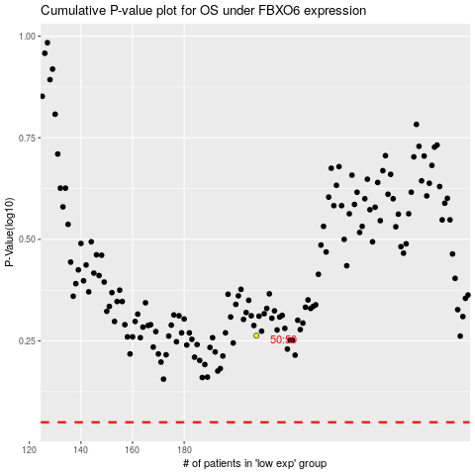

 |  |  |  |  |  | cases_OS | p_OS | rank | exp
 |  |  |  |  |  |  | cases_RFS | p_RFS | rank | exp

