FBXW2 _multivariate
Reported by Tex Li-Hsing Chi. tex@gate.sinica.edu.tw 2019-08-19

Table 2. The clinicopathological features of HNSCC cohort and FBXW2 expression. (Chi square test)
Cutoff at -0.092 (49.8%)
 |  | FBXW2 expression |  | FBXW2 expression |  | (Optimised)
 | Features | Low | (%) | High | (%) | Case no | P-value | Remark | Matthews
Gender | Female | 152 | 36.6 | 154 | 37.1 | 415 | 0.9766 | 0 | 0
2 | Male | 55 | 13.3 | 54 | 13
Age at diagnosis | <=65y | 130 | 31.3 | 144 | 34.7 | 415 | 0.2009 | 0 | 0
4 | >65y | 77 | 18.6 | 64 | 15.4
Clinical T Status | T1+T2 | 65 | 15.7 | 84 | 20.2 | 415 | 0.0711 | 0 | 0
6 | T3+T4 | 142 | 34.2 | 124 | 29.9
Clinical N Status | N0 | 110 | 26.5 | 106 | 25.5 | 415 | 0.7294 | 0 | 0
8 | N1-3 | 97 | 23.4 | 102 | 24.6
Clinical M Status | M0 | 206 | 49.6 | 206 | 49.6 | 415 | 1 | 0 | 0
10 | M1 | 1 | 0.2 | 2 | 0.5
Clinical Stage | Stage I+II | 44 | 10.6 | 58 | 14 | 415 | 0.1459 | 0 | 0
12 | Stage III+IV | 163 | 39.3 | 150 | 36.1
Surgical Margin status | Negative | 164 | 39.5 | 154 | 37.1 | 415 | 0.2462 | 0 | 0
14 | Positive | 43 | 10.4 | 54 | 13
Tobacco Exposure | Low | 77 | 18.6 | 84 | 20.2 | 415 | 0.5459 | 0 | 0
16 | High | 130 | 31.3 | 124 | 29.9

Table 3. Univariate/Multivariate Cox's proportional hazards regression analyses on OS time of FBXW2 gene expression in HNSCC

 |  | Univariate |  |  |  | Multivariate
 | Features | HR | CI95%(L) | CI95%(H) | P-value | HR | CI95%(L) | CI95%(H) | P-value
1 | Female | 1 |  |  |  | 1
Gender | Male | 1.157 | 0.843 | 1.587 | 0.367 | 1.212 | 0.867 | 1.695 | 0.26
11 | <=65y | 1 |  |  |  | 1
Age at diagnosis | >65y | 1.329 | 0.99 | 1.784 | 0.058 | 1.382 | 1.016 | 1.879 | 0.04
12 | T1+T2 | 1 |  |  |  | 1
Clinical T Status | T3+T4 | 1.409 | 1.028 | 1.931 | 0.033 | 2.221 | 1.174 | 4.202 | 0.014
13 | N0 | 1 |  |  |  | 1
Clinical N Status | N1-3 | 1.185 | 0.89 | 1.577 | 0.246 | 1.228 | 0.859 | 1.754 | 0.26
14 | M0 | 1 |  |  |  | 1
Clinical M Status | M1 | 4.097 | 1.009 | 16.644 | 0.049 | 9.431 | 2.057 | 43.229 | 0.004
15 | Stage I+II | 1 |  |  |  | 1
Clinical Stage | Stage III+IV | 1.245 | 0.882 | 1.759 | 0.213 | 0.508 | 0.237 | 1.091 | 0.083
16 | Negative | 1 |  |  |  | 1
Surgical Margin status | Positive | 1.591 | 1.155 | 2.191 | 0.004 | 1.661 | 1.201 | 2.297 | 0.002
17 | Low | 1 |  |  |  | 1
Tobacco Exposure | High | 1.364 | 1.008 | 1.844 | 0.044 | 1.458 | 1.058 | 2.008 | 0.021
18 | Low | 1 |  |  |  | 1
RNAseq(z-score) | High | 1.084 | 0.813 | 1.444 | 0.583 | 1.104 | 0.824 | 1.479 | 0.507

Table 4. Univariate/Multivariate Cox's proportional hazards regression analyses on RFS time of FBXW2 gene expression in HNSCC

 |  | Univariate |  |  |  | Multivariate
 | Features | HR | CI95%(L) | CI95%(H) | P-value | HR | CI95%(L) | CI95%(H) | P-value
1 | Female | 1 |  |  |  | 1
Gender | Male | 1.157 | 0.843 | 1.587 | 0.367 | 1.212 | 0.867 | 1.695 | 0.26
11 | <=65y | 1 |  |  |  | 1
Age at diagnosis | >65y | 1.329 | 0.99 | 1.784 | 0.058 | 1.382 | 1.016 | 1.879 | 0.04
12 | T1+T2 | 1 |  |  |  | 1
Clinical T Status | T3+T4 | 1.409 | 1.028 | 1.931 | 0.033 | 2.221 | 1.174 | 4.202 | 0.014
13 | N0 | 1 |  |  |  | 1
Clinical N Status | N1-3 | 1.185 | 0.89 | 1.577 | 0.246 | 1.228 | 0.859 | 1.754 | 0.26
14 | M0 | 1 |  |  |  | 1
Clinical M Status | M1 | 4.097 | 1.009 | 16.644 | 0.049 | 9.431 | 2.057 | 43.229 | 0.004
15 | Stage I+II | 1 |  |  |  | 1
Clinical Stage | Stage III+IV | 1.245 | 0.882 | 1.759 | 0.213 | 0.508 | 0.237 | 1.091 | 0.083
16 | Negative | 1 |  |  |  | 1
Surgical Margin status | Positive | 1.591 | 1.155 | 2.191 | 0.004 | 1.661 | 1.201 | 2.297 | 0.002
17 | Low | 1 |  |  |  | 1
Tobacco Exposure | High | 1.364 | 1.008 | 1.844 | 0.044 | 1.458 | 1.058 | 2.008 | 0.021
18 | Low | 1 |  |  |  | 1
RNAseq(z-score) | High | 1.084 | 0.813 | 1.444 | 0.583 | 1.104 | 0.824 | 1.479 | 0.507

Kaplan-Meier survival estimate: Cutoff at -0.092 (49.8%)



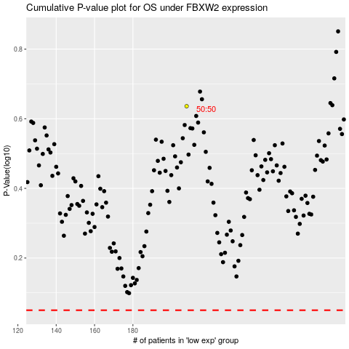

 |  |  |  |  |  | cases_OS | p_OS | rank | exp
 |  |  |  |  |  |  | cases_RFS | p_RFS | rank | exp

