FBXW4 _multivariate
Reported by Tex Li-Hsing Chi. tex@gate.sinica.edu.tw 2019-08-19

Table 2. The clinicopathological features of HNSCC cohort and FBXW4 expression. (Chi square test)
Cutoff at -0.31 (50.0%)
 |  | FBXW4 expression |  | FBXW4 expression |  | (Optimised)
 | Features | Low | (%) | High | (%) | Case no | P-value | Remark | Matthews
Gender | Female | 148 | 35.7 | 158 | 38.1 | 415 | 0.3567 | 0 | 0
2 | Male | 59 | 14.2 | 50 | 12
Age at diagnosis | <=65y | 143 | 34.5 | 131 | 31.6 | 415 | 0.2269 | 0 | 0
4 | >65y | 64 | 15.4 | 77 | 18.6
Clinical T Status | T1+T2 | 76 | 18.3 | 73 | 17.6 | 415 | 0.8092 | 0 | 0
6 | T3+T4 | 131 | 31.6 | 135 | 32.5
Clinical N Status | N0 | 103 | 24.8 | 113 | 27.2 | 415 | 0.4047 | 0 | 0
8 | N1-3 | 104 | 25.1 | 95 | 22.9
Clinical M Status | M0 | 206 | 49.6 | 206 | 49.6 | 415 | 1 | 0 | 0
10 | M1 | 1 | 0.2 | 2 | 0.5
Clinical Stage | Stage I+II | 53 | 12.8 | 49 | 11.8 | 415 | 0.7113 | 0 | 0
12 | Stage III+IV | 154 | 37.1 | 159 | 38.3
Surgical Margin status | Negative | 162 | 39 | 156 | 37.6 | 415 | 0.4867 | 0 | 0
14 | Positive | 45 | 10.8 | 52 | 12.5
Tobacco Exposure | Low | 85 | 20.5 | 76 | 18.3 | 415 | 0.3655 | 0 | 0
16 | High | 122 | 29.4 | 132 | 31.8

Table 3. Univariate/Multivariate Cox's proportional hazards regression analyses on OS time of FBXW4 gene expression in HNSCC

 |  | Univariate |  |  |  | Multivariate
 | Features | HR | CI95%(L) | CI95%(H) | P-value | HR | CI95%(L) | CI95%(H) | P-value
1 | Female | 1 |  |  |  | 1
Gender | Male | 1.157 | 0.843 | 1.587 | 0.367 | 1.195 | 0.855 | 1.669 | 0.297
11 | <=65y | 1 |  |  |  | 1
Age at diagnosis | >65y | 1.329 | 0.99 | 1.784 | 0.058 | 1.447 | 1.06 | 1.974 | 0.02
12 | T1+T2 | 1 |  |  |  | 1
Clinical T Status | T3+T4 | 1.409 | 1.028 | 1.931 | 0.033 | 2.209 | 1.169 | 4.176 | 0.015
13 | N0 | 1 |  |  |  | 1
Clinical N Status | N1-3 | 1.185 | 0.89 | 1.577 | 0.246 | 1.231 | 0.862 | 1.757 | 0.253
14 | M0 | 1 |  |  |  | 1
Clinical M Status | M1 | 4.097 | 1.009 | 16.644 | 0.049 | 9.741 | 2.122 | 44.713 | 0.003
15 | Stage I+II | 1 |  |  |  | 1
Clinical Stage | Stage III+IV | 1.245 | 0.882 | 1.759 | 0.213 | 0.503 | 0.235 | 1.079 | 0.078
16 | Negative | 1 |  |  |  | 1
Surgical Margin status | Positive | 1.591 | 1.155 | 2.191 | 0.004 | 1.695 | 1.226 | 2.344 | 0.001
17 | Low | 1 |  |  |  | 1
Tobacco Exposure | High | 1.364 | 1.008 | 1.844 | 0.044 | 1.491 | 1.081 | 2.059 | 0.015
18 | Low | 1 |  |  |  | 1
RNAseq(z-score) | High | 0.86 | 0.644 | 1.148 | 0.306 | 0.791 | 0.589 | 1.062 | 0.119

Table 4. Univariate/Multivariate Cox's proportional hazards regression analyses on RFS time of FBXW4 gene expression in HNSCC

 |  | Univariate |  |  |  | Multivariate
 | Features | HR | CI95%(L) | CI95%(H) | P-value | HR | CI95%(L) | CI95%(H) | P-value
1 | Female | 1 |  |  |  | 1
Gender | Male | 1.157 | 0.843 | 1.587 | 0.367 | 1.195 | 0.855 | 1.669 | 0.297
11 | <=65y | 1 |  |  |  | 1
Age at diagnosis | >65y | 1.329 | 0.99 | 1.784 | 0.058 | 1.447 | 1.06 | 1.974 | 0.02
12 | T1+T2 | 1 |  |  |  | 1
Clinical T Status | T3+T4 | 1.409 | 1.028 | 1.931 | 0.033 | 2.209 | 1.169 | 4.176 | 0.015
13 | N0 | 1 |  |  |  | 1
Clinical N Status | N1-3 | 1.185 | 0.89 | 1.577 | 0.246 | 1.231 | 0.862 | 1.757 | 0.253
14 | M0 | 1 |  |  |  | 1
Clinical M Status | M1 | 4.097 | 1.009 | 16.644 | 0.049 | 9.741 | 2.122 | 44.713 | 0.003
15 | Stage I+II | 1 |  |  |  | 1
Clinical Stage | Stage III+IV | 1.245 | 0.882 | 1.759 | 0.213 | 0.503 | 0.235 | 1.079 | 0.078
16 | Negative | 1 |  |  |  | 1
Surgical Margin status | Positive | 1.591 | 1.155 | 2.191 | 0.004 | 1.695 | 1.226 | 2.344 | 0.001
17 | Low | 1 |  |  |  | 1
Tobacco Exposure | High | 1.364 | 1.008 | 1.844 | 0.044 | 1.491 | 1.081 | 2.059 | 0.015
18 | Low | 1 |  |  |  | 1
RNAseq(z-score) | High | 0.86 | 0.644 | 1.148 | 0.306 | 0.791 | 0.589 | 1.062 | 0.119

Kaplan-Meier survival estimate: Cutoff at -0.31 (50.0%)



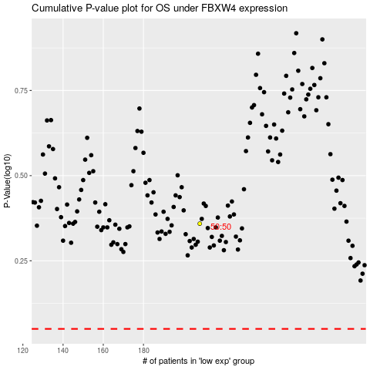

 |  |  |  |  |  | cases_OS | p_OS | rank | exp
 |  |  |  |  |  |  | cases_RFS | p_RFS | rank | exp

