FBXW5 _multivariate
Reported by Tex Li-Hsing Chi. tex@gate.sinica.edu.tw 2019-08-19

Table 2. The clinicopathological features of HNSCC cohort and FBXW5 expression. (Chi square test)
Cutoff at -0.291 (49.8%)
 |  | FBXW5 expression |  | FBXW5 expression |  | (Optimised)
 | Features | Low | (%) | High | (%) | Case no | P-value | Remark | Matthews
Gender | Female | 157 | 37.8 | 149 | 35.9 | 415 | 0.3881 | 0 | 0
2 | Male | 50 | 12 | 59 | 14.2
Age at diagnosis | <=65y | 134 | 32.3 | 140 | 33.7 | 415 | 0.6529 | 0 | 0
4 | >65y | 73 | 17.6 | 68 | 16.4
Clinical T Status | T1+T2 | 67 | 16.1 | 82 | 19.8 | 415 | 0.1628 | 0 | 0
6 | T3+T4 | 140 | 33.7 | 126 | 30.4
Clinical N Status | N0 | 104 | 25.1 | 112 | 27 | 415 | 0.5243 | 0 | 0
8 | N1-3 | 103 | 24.8 | 96 | 23.1
Clinical M Status | M0 | 205 | 49.4 | 207 | 49.9 | 415 | 0.6232 | 0 | 0
10 | M1 | 2 | 0.5 | 1 | 0.2
Clinical Stage | Stage I+II | 47 | 11.3 | 55 | 13.3 | 415 | 0.4413 | 0 | 0
12 | Stage III+IV | 160 | 38.6 | 153 | 36.9
Surgical Margin status | Negative | 158 | 38.1 | 160 | 38.6 | 415 | 0.9081 | 0 | 0
14 | Positive | 49 | 11.8 | 48 | 11.6
Tobacco Exposure | Low | 76 | 18.3 | 85 | 20.5 | 415 | 0.4207 | 0 | 0
16 | High | 131 | 31.6 | 123 | 29.6

Table 3. Univariate/Multivariate Cox's proportional hazards regression analyses on OS time of FBXW5 gene expression in HNSCC

 |  | Univariate |  |  |  | Multivariate
 | Features | HR | CI95%(L) | CI95%(H) | P-value | HR | CI95%(L) | CI95%(H) | P-value
1 | Female | 1 |  |  |  | 1
Gender | Male | 1.157 | 0.843 | 1.587 | 0.367 | 1.19 | 0.851 | 1.665 | 0.309
11 | <=65y | 1 |  |  |  | 1
Age at diagnosis | >65y | 1.329 | 0.99 | 1.784 | 0.058 | 1.392 | 1.023 | 1.894 | 0.035
12 | T1+T2 | 1 |  |  |  | 1
Clinical T Status | T3+T4 | 1.409 | 1.028 | 1.931 | 0.033 | 2.239 | 1.182 | 4.239 | 0.013
13 | N0 | 1 |  |  |  | 1
Clinical N Status | N1-3 | 1.185 | 0.89 | 1.577 | 0.246 | 1.237 | 0.867 | 1.766 | 0.24
14 | M0 | 1 |  |  |  | 1
Clinical M Status | M1 | 4.097 | 1.009 | 16.644 | 0.049 | 9.873 | 2.145 | 45.457 | 0.003
15 | Stage I+II | 1 |  |  |  | 1
Clinical Stage | Stage III+IV | 1.245 | 0.882 | 1.759 | 0.213 | 0.502 | 0.234 | 1.078 | 0.077
16 | Negative | 1 |  |  |  | 1
Surgical Margin status | Positive | 1.591 | 1.155 | 2.191 | 0.004 | 1.672 | 1.21 | 2.31 | 0.002
17 | Low | 1 |  |  |  | 1
Tobacco Exposure | High | 1.364 | 1.008 | 1.844 | 0.044 | 1.458 | 1.057 | 2.011 | 0.021
18 | Low | 1 |  |  |  | 1
RNAseq(z-score) | High | 1.09 | 0.818 | 1.453 | 0.556 | 1.132 | 0.846 | 1.515 | 0.402

Table 4. Univariate/Multivariate Cox's proportional hazards regression analyses on RFS time of FBXW5 gene expression in HNSCC

 |  | Univariate |  |  |  | Multivariate
 | Features | HR | CI95%(L) | CI95%(H) | P-value | HR | CI95%(L) | CI95%(H) | P-value
1 | Female | 1 |  |  |  | 1
Gender | Male | 1.157 | 0.843 | 1.587 | 0.367 | 1.19 | 0.851 | 1.665 | 0.309
11 | <=65y | 1 |  |  |  | 1
Age at diagnosis | >65y | 1.329 | 0.99 | 1.784 | 0.058 | 1.392 | 1.023 | 1.894 | 0.035
12 | T1+T2 | 1 |  |  |  | 1
Clinical T Status | T3+T4 | 1.409 | 1.028 | 1.931 | 0.033 | 2.239 | 1.182 | 4.239 | 0.013
13 | N0 | 1 |  |  |  | 1
Clinical N Status | N1-3 | 1.185 | 0.89 | 1.577 | 0.246 | 1.237 | 0.867 | 1.766 | 0.24
14 | M0 | 1 |  |  |  | 1
Clinical M Status | M1 | 4.097 | 1.009 | 16.644 | 0.049 | 9.873 | 2.145 | 45.457 | 0.003
15 | Stage I+II | 1 |  |  |  | 1
Clinical Stage | Stage III+IV | 1.245 | 0.882 | 1.759 | 0.213 | 0.502 | 0.234 | 1.078 | 0.077
16 | Negative | 1 |  |  |  | 1
Surgical Margin status | Positive | 1.591 | 1.155 | 2.191 | 0.004 | 1.672 | 1.21 | 2.31 | 0.002
17 | Low | 1 |  |  |  | 1
Tobacco Exposure | High | 1.364 | 1.008 | 1.844 | 0.044 | 1.458 | 1.057 | 2.011 | 0.021
18 | Low | 1 |  |  |  | 1
RNAseq(z-score) | High | 1.09 | 0.818 | 1.453 | 0.556 | 1.132 | 0.846 | 1.515 | 0.402

Kaplan-Meier survival estimate: Cutoff at -0.291 (49.8%)



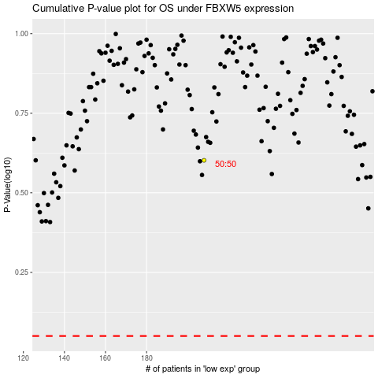

 |  |  |  |  |  | cases_OS | p_OS | rank | exp
 |  |  |  |  |  |  | cases_RFS | p_RFS | rank | exp

