FCER1G _multivariate
Reported by Tex Li-Hsing Chi. tex@gate.sinica.edu.tw 2019-08-19

Table 2. The clinicopathological features of HNSCC cohort and FCER1G expression. (Chi square test)
Cutoff at -0.281 (49.8%)
 |  | FCER1G expression |  | FCER1G expression |  | (Optimised)
 | Features | Low | (%) | High | (%) | Case no | P-value | Remark | Matthews
Gender | Female | 164 | 39.5 | 142 | 34.2 | 415 | 0.0153 | 1 | 0
2 | Male | 43 | 10.4 | 66 | 15.9
Age at diagnosis | <=65y | 144 | 34.7 | 130 | 31.3 | 415 | 0.1568 | 0 | 0
4 | >65y | 63 | 15.2 | 78 | 18.8
Clinical T Status | T1+T2 | 73 | 17.6 | 76 | 18.3 | 415 | 0.8666 | 0 | 0
6 | T3+T4 | 134 | 32.3 | 132 | 31.8
Clinical N Status | N0 | 124 | 29.9 | 92 | 22.2 | 415 | 0.002 | 1 | 0
8 | N1-3 | 83 | 20 | 116 | 28
Clinical M Status | M0 | 207 | 49.9 | 205 | 49.4 | 415 | 0.2482 | 0 | 0
10 | M1 | 0 | 0 | 3 | 0.7
Clinical Stage | Stage I+II | 54 | 13 | 48 | 11.6 | 415 | 0.5498 | 0 | 0
12 | Stage III+IV | 153 | 36.9 | 160 | 38.6
Surgical Margin status | Negative | 159 | 38.3 | 159 | 38.3 | 415 | 1 | 0 | 0
14 | Positive | 48 | 11.6 | 49 | 11.8
Tobacco Exposure | Low | 77 | 18.6 | 84 | 20.2 | 415 | 0.5459 | 0 | 0
16 | High | 130 | 31.3 | 124 | 29.9

Table 3. Univariate/Multivariate Cox's proportional hazards regression analyses on OS time of FCER1G gene expression in HNSCC

 |  | Univariate |  |  |  | Multivariate
 | Features | HR | CI95%(L) | CI95%(H) | P-value | HR | CI95%(L) | CI95%(H) | P-value
1 | Female | 1 |  |  |  | 1
Gender | Male | 1.157 | 0.843 | 1.587 | 0.367 | 1.205 | 0.862 | 1.686 | 0.276
11 | <=65y | 1 |  |  |  | 1
Age at diagnosis | >65y | 1.329 | 0.99 | 1.784 | 0.058 | 1.394 | 1.025 | 1.896 | 0.034
12 | T1+T2 | 1 |  |  |  | 1
Clinical T Status | T3+T4 | 1.409 | 1.028 | 1.931 | 0.033 | 2.207 | 1.167 | 4.174 | 0.015
13 | N0 | 1 |  |  |  | 1
Clinical N Status | N1-3 | 1.185 | 0.89 | 1.577 | 0.246 | 1.248 | 0.871 | 1.789 | 0.227
14 | M0 | 1 |  |  |  | 1
Clinical M Status | M1 | 4.097 | 1.009 | 16.644 | 0.049 | 9.555 | 2.069 | 44.14 | 0.004
15 | Stage I+II | 1 |  |  |  | 1
Clinical Stage | Stage III+IV | 1.245 | 0.882 | 1.759 | 0.213 | 0.502 | 0.234 | 1.08 | 0.078
16 | Negative | 1 |  |  |  | 1
Surgical Margin status | Positive | 1.591 | 1.155 | 2.191 | 0.004 | 1.675 | 1.212 | 2.317 | 0.002
17 | Low | 1 |  |  |  | 1
Tobacco Exposure | High | 1.364 | 1.008 | 1.844 | 0.044 | 1.451 | 1.053 | 2 | 0.023
18 | Low | 1 |  |  |  | 1
RNAseq(z-score) | High | 1.062 | 0.796 | 1.415 | 0.684 | 0.97 | 0.722 | 1.304 | 0.84

Table 4. Univariate/Multivariate Cox's proportional hazards regression analyses on RFS time of FCER1G gene expression in HNSCC

 |  | Univariate |  |  |  | Multivariate
 | Features | HR | CI95%(L) | CI95%(H) | P-value | HR | CI95%(L) | CI95%(H) | P-value
1 | Female | 1 |  |  |  | 1
Gender | Male | 1.157 | 0.843 | 1.587 | 0.367 | 1.205 | 0.862 | 1.686 | 0.276
11 | <=65y | 1 |  |  |  | 1
Age at diagnosis | >65y | 1.329 | 0.99 | 1.784 | 0.058 | 1.394 | 1.025 | 1.896 | 0.034
12 | T1+T2 | 1 |  |  |  | 1
Clinical T Status | T3+T4 | 1.409 | 1.028 | 1.931 | 0.033 | 2.207 | 1.167 | 4.174 | 0.015
13 | N0 | 1 |  |  |  | 1
Clinical N Status | N1-3 | 1.185 | 0.89 | 1.577 | 0.246 | 1.248 | 0.871 | 1.789 | 0.227
14 | M0 | 1 |  |  |  | 1
Clinical M Status | M1 | 4.097 | 1.009 | 16.644 | 0.049 | 9.555 | 2.069 | 44.14 | 0.004
15 | Stage I+II | 1 |  |  |  | 1
Clinical Stage | Stage III+IV | 1.245 | 0.882 | 1.759 | 0.213 | 0.502 | 0.234 | 1.08 | 0.078
16 | Negative | 1 |  |  |  | 1
Surgical Margin status | Positive | 1.591 | 1.155 | 2.191 | 0.004 | 1.675 | 1.212 | 2.317 | 0.002
17 | Low | 1 |  |  |  | 1
Tobacco Exposure | High | 1.364 | 1.008 | 1.844 | 0.044 | 1.451 | 1.053 | 2 | 0.023
18 | Low | 1 |  |  |  | 1
RNAseq(z-score) | High | 1.062 | 0.796 | 1.415 | 0.684 | 0.97 | 0.722 | 1.304 | 0.84

Kaplan-Meier survival estimate: Cutoff at -0.281 (49.8%)



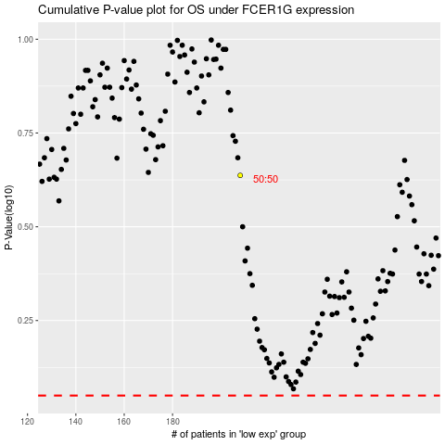

 |  |  |  |  |  | cases_OS | p_OS | rank | exp
 |  |  |  |  |  |  | cases_RFS | p_RFS | rank | exp

