FCGR1A _multivariate
Reported by Tex Li-Hsing Chi. tex@gate.sinica.edu.tw 2019-08-19

Table 2. The clinicopathological features of HNSCC cohort and FCGR1A expression. (Chi square test)
Cutoff at -0.305 (49.8%)
 |  | FCGR1A expression |  | FCGR1A expression |  | (Optimised)
 | Features | Low | (%) | High | (%) | Case no | P-value | Remark | Matthews
Gender | Female | 160 | 38.6 | 146 | 35.2 | 415 | 0.1254 | 0 | 0
2 | Male | 47 | 11.3 | 62 | 14.9
Age at diagnosis | <=65y | 151 | 36.4 | 123 | 29.6 | 415 | 0.0041 | 1 | 0
4 | >65y | 56 | 13.5 | 85 | 20.5
Clinical T Status | T1+T2 | 70 | 16.9 | 79 | 19 | 415 | 0.4343 | 0 | 0
6 | T3+T4 | 137 | 33 | 129 | 31.1
Clinical N Status | N0 | 119 | 28.7 | 97 | 23.4 | 415 | 0.0345 | 1 | 0
8 | N1-3 | 88 | 21.2 | 111 | 26.7
Clinical M Status | M0 | 207 | 49.9 | 205 | 49.4 | 415 | 0.2482 | 0 | 0
10 | M1 | 0 | 0 | 3 | 0.7
Clinical Stage | Stage I+II | 50 | 12 | 52 | 12.5 | 415 | 0.9315 | 0 | 0
12 | Stage III+IV | 157 | 37.8 | 156 | 37.6
Surgical Margin status | Negative | 160 | 38.6 | 158 | 38.1 | 415 | 0.8167 | 0 | 0
14 | Positive | 47 | 11.3 | 50 | 12
Tobacco Exposure | Low | 73 | 17.6 | 88 | 21.2 | 415 | 0.1587 | 0 | 0
16 | High | 134 | 32.3 | 120 | 28.9

Table 3. Univariate/Multivariate Cox's proportional hazards regression analyses on OS time of FCGR1A gene expression in HNSCC

 |  | Univariate |  |  |  | Multivariate
 | Features | HR | CI95%(L) | CI95%(H) | P-value | HR | CI95%(L) | CI95%(H) | P-value
1 | Female | 1 |  |  |  | 1
Gender | Male | 1.157 | 0.843 | 1.587 | 0.367 | 1.202 | 0.86 | 1.679 | 0.282
11 | <=65y | 1 |  |  |  | 1
Age at diagnosis | >65y | 1.329 | 0.99 | 1.784 | 0.058 | 1.392 | 1.022 | 1.894 | 0.036
12 | T1+T2 | 1 |  |  |  | 1
Clinical T Status | T3+T4 | 1.409 | 1.028 | 1.931 | 0.033 | 2.202 | 1.163 | 4.168 | 0.015
13 | N0 | 1 |  |  |  | 1
Clinical N Status | N1-3 | 1.185 | 0.89 | 1.577 | 0.246 | 1.241 | 0.864 | 1.782 | 0.243
14 | M0 | 1 |  |  |  | 1
Clinical M Status | M1 | 4.097 | 1.009 | 16.644 | 0.049 | 9.402 | 2.032 | 43.501 | 0.004
15 | Stage I+II | 1 |  |  |  | 1
Clinical Stage | Stage III+IV | 1.245 | 0.882 | 1.759 | 0.213 | 0.505 | 0.234 | 1.086 | 0.08
16 | Negative | 1 |  |  |  | 1
Surgical Margin status | Positive | 1.591 | 1.155 | 2.191 | 0.004 | 1.671 | 1.209 | 2.311 | 0.002
17 | Low | 1 |  |  |  | 1
Tobacco Exposure | High | 1.364 | 1.008 | 1.844 | 0.044 | 1.453 | 1.054 | 2.004 | 0.023
18 | Low | 1 |  |  |  | 1
RNAseq(z-score) | High | 1.098 | 0.822 | 1.468 | 0.526 | 1.001 | 0.741 | 1.353 | 0.995

Table 4. Univariate/Multivariate Cox's proportional hazards regression analyses on RFS time of FCGR1A gene expression in HNSCC

 |  | Univariate |  |  |  | Multivariate
 | Features | HR | CI95%(L) | CI95%(H) | P-value | HR | CI95%(L) | CI95%(H) | P-value
1 | Female | 1 |  |  |  | 1
Gender | Male | 1.157 | 0.843 | 1.587 | 0.367 | 1.202 | 0.86 | 1.679 | 0.282
11 | <=65y | 1 |  |  |  | 1
Age at diagnosis | >65y | 1.329 | 0.99 | 1.784 | 0.058 | 1.392 | 1.022 | 1.894 | 0.036
12 | T1+T2 | 1 |  |  |  | 1
Clinical T Status | T3+T4 | 1.409 | 1.028 | 1.931 | 0.033 | 2.202 | 1.163 | 4.168 | 0.015
13 | N0 | 1 |  |  |  | 1
Clinical N Status | N1-3 | 1.185 | 0.89 | 1.577 | 0.246 | 1.241 | 0.864 | 1.782 | 0.243
14 | M0 | 1 |  |  |  | 1
Clinical M Status | M1 | 4.097 | 1.009 | 16.644 | 0.049 | 9.402 | 2.032 | 43.501 | 0.004
15 | Stage I+II | 1 |  |  |  | 1
Clinical Stage | Stage III+IV | 1.245 | 0.882 | 1.759 | 0.213 | 0.505 | 0.234 | 1.086 | 0.08
16 | Negative | 1 |  |  |  | 1
Surgical Margin status | Positive | 1.591 | 1.155 | 2.191 | 0.004 | 1.671 | 1.209 | 2.311 | 0.002
17 | Low | 1 |  |  |  | 1
Tobacco Exposure | High | 1.364 | 1.008 | 1.844 | 0.044 | 1.453 | 1.054 | 2.004 | 0.023
18 | Low | 1 |  |  |  | 1
RNAseq(z-score) | High | 1.098 | 0.822 | 1.468 | 0.526 | 1.001 | 0.741 | 1.353 | 0.995

Kaplan-Meier survival estimate: Cutoff at -0.305 (49.8%)



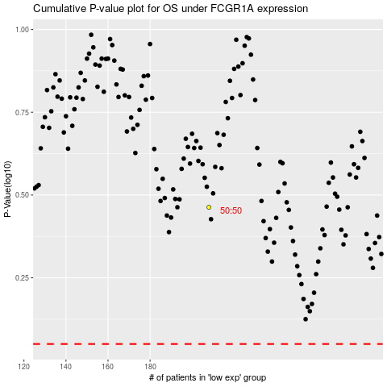

 |  |  |  |  |  | cases_OS | p_OS | rank | exp
 |  |  |  |  |  |  | cases_RFS | p_RFS | rank | exp

