FCGR1B _multivariate
Reported by Tex Li-Hsing Chi. tex@gate.sinica.edu.tw 2019-08-19

Table 2. The clinicopathological features of HNSCC cohort and FCGR1B expression. (Chi square test)
Cutoff at -0.308 (49.8%)
 |  | FCGR1B expression |  | FCGR1B expression |  | (Optimised)
 | Features | Low | (%) | High | (%) | Case no | P-value | Remark | Matthews
Gender | Female | 160 | 38.6 | 146 | 35.2 | 415 | 0.1254 | 0 | 0
2 | Male | 47 | 11.3 | 62 | 14.9
Age at diagnosis | <=65y | 151 | 36.4 | 123 | 29.6 | 415 | 0.0041 | 1 | 0
4 | >65y | 56 | 13.5 | 85 | 20.5
Clinical T Status | T1+T2 | 68 | 16.4 | 81 | 19.5 | 415 | 0.2336 | 0 | 0
6 | T3+T4 | 139 | 33.5 | 127 | 30.6
Clinical N Status | N0 | 119 | 28.7 | 97 | 23.4 | 415 | 0.0345 | 1 | 0
8 | N1-3 | 88 | 21.2 | 111 | 26.7
Clinical M Status | M0 | 207 | 49.9 | 205 | 49.4 | 415 | 0.2482 | 0 | 0
10 | M1 | 0 | 0 | 3 | 0.7
Clinical Stage | Stage I+II | 48 | 11.6 | 54 | 13 | 415 | 0.5878 | 0 | 0
12 | Stage III+IV | 159 | 38.3 | 154 | 37.1
Surgical Margin status | Negative | 158 | 38.1 | 160 | 38.6 | 415 | 0.9081 | 0 | 0
14 | Positive | 49 | 11.8 | 48 | 11.6
Tobacco Exposure | Low | 73 | 17.6 | 88 | 21.2 | 415 | 0.1587 | 0 | 0
16 | High | 134 | 32.3 | 120 | 28.9

Table 3. Univariate/Multivariate Cox's proportional hazards regression analyses on OS time of FCGR1B gene expression in HNSCC

 |  | Univariate |  |  |  | Multivariate
 | Features | HR | CI95%(L) | CI95%(H) | P-value | HR | CI95%(L) | CI95%(H) | P-value
1 | Female | 1 |  |  |  | 1
Gender | Male | 1.157 | 0.843 | 1.587 | 0.367 | 1.204 | 0.862 | 1.682 | 0.277
11 | <=65y | 1 |  |  |  | 1
Age at diagnosis | >65y | 1.329 | 0.99 | 1.784 | 0.058 | 1.401 | 1.029 | 1.908 | 0.032
12 | T1+T2 | 1 |  |  |  | 1
Clinical T Status | T3+T4 | 1.409 | 1.028 | 1.931 | 0.033 | 2.217 | 1.171 | 4.196 | 0.014
13 | N0 | 1 |  |  |  | 1
Clinical N Status | N1-3 | 1.185 | 0.89 | 1.577 | 0.246 | 1.255 | 0.875 | 1.798 | 0.217
14 | M0 | 1 |  |  |  | 1
Clinical M Status | M1 | 4.097 | 1.009 | 16.644 | 0.049 | 9.716 | 2.098 | 44.991 | 0.004
15 | Stage I+II | 1 |  |  |  | 1
Clinical Stage | Stage III+IV | 1.245 | 0.882 | 1.759 | 0.213 | 0.498 | 0.231 | 1.072 | 0.075
16 | Negative | 1 |  |  |  | 1
Surgical Margin status | Positive | 1.591 | 1.155 | 2.191 | 0.004 | 1.676 | 1.213 | 2.317 | 0.002
17 | Low | 1 |  |  |  | 1
Tobacco Exposure | High | 1.364 | 1.008 | 1.844 | 0.044 | 1.448 | 1.051 | 1.997 | 0.024
18 | Low | 1 |  |  |  | 1
RNAseq(z-score) | High | 1.026 | 0.769 | 1.368 | 0.863 | 0.946 | 0.703 | 1.272 | 0.713

Table 4. Univariate/Multivariate Cox's proportional hazards regression analyses on RFS time of FCGR1B gene expression in HNSCC

 |  | Univariate |  |  |  | Multivariate
 | Features | HR | CI95%(L) | CI95%(H) | P-value | HR | CI95%(L) | CI95%(H) | P-value
1 | Female | 1 |  |  |  | 1
Gender | Male | 1.157 | 0.843 | 1.587 | 0.367 | 1.204 | 0.862 | 1.682 | 0.277
11 | <=65y | 1 |  |  |  | 1
Age at diagnosis | >65y | 1.329 | 0.99 | 1.784 | 0.058 | 1.401 | 1.029 | 1.908 | 0.032
12 | T1+T2 | 1 |  |  |  | 1
Clinical T Status | T3+T4 | 1.409 | 1.028 | 1.931 | 0.033 | 2.217 | 1.171 | 4.196 | 0.014
13 | N0 | 1 |  |  |  | 1
Clinical N Status | N1-3 | 1.185 | 0.89 | 1.577 | 0.246 | 1.255 | 0.875 | 1.798 | 0.217
14 | M0 | 1 |  |  |  | 1
Clinical M Status | M1 | 4.097 | 1.009 | 16.644 | 0.049 | 9.716 | 2.098 | 44.991 | 0.004
15 | Stage I+II | 1 |  |  |  | 1
Clinical Stage | Stage III+IV | 1.245 | 0.882 | 1.759 | 0.213 | 0.498 | 0.231 | 1.072 | 0.075
16 | Negative | 1 |  |  |  | 1
Surgical Margin status | Positive | 1.591 | 1.155 | 2.191 | 0.004 | 1.676 | 1.213 | 2.317 | 0.002
17 | Low | 1 |  |  |  | 1
Tobacco Exposure | High | 1.364 | 1.008 | 1.844 | 0.044 | 1.448 | 1.051 | 1.997 | 0.024
18 | Low | 1 |  |  |  | 1
RNAseq(z-score) | High | 1.026 | 0.769 | 1.368 | 0.863 | 0.946 | 0.703 | 1.272 | 0.713

Kaplan-Meier survival estimate: Cutoff at -0.308 (49.8%)



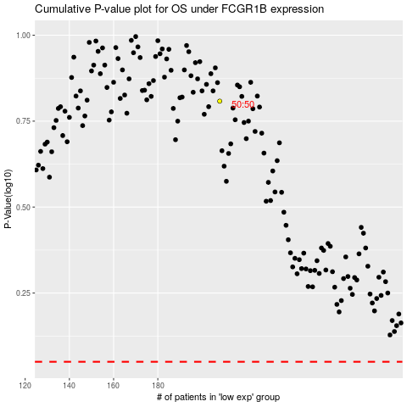

 |  |  |  |  |  | cases_OS | p_OS | rank | exp
 |  |  |  |  |  |  | cases_RFS | p_RFS | rank | exp

