FCGR2A _multivariate
Reported by Tex Li-Hsing Chi. tex@gate.sinica.edu.tw 2019-08-19

Table 2. The clinicopathological features of HNSCC cohort and FCGR2A expression. (Chi square test)
Cutoff at -0.212 (49.8%)
 |  | FCGR2A expression |  | FCGR2A expression |  | (Optimised)
 | Features | Low | (%) | High | (%) | Case no | P-value | Remark | Matthews
Gender | Female | 160 | 38.6 | 146 | 35.2 | 415 | 0.1254 | 0 | 0
2 | Male | 47 | 11.3 | 62 | 14.9
Age at diagnosis | <=65y | 147 | 35.4 | 127 | 30.6 | 415 | 0.0416 | 1 | 0
4 | >65y | 60 | 14.5 | 81 | 19.5
Clinical T Status | T1+T2 | 80 | 19.3 | 69 | 16.6 | 415 | 0.2891 | 0 | 0
6 | T3+T4 | 127 | 30.6 | 139 | 33.5
Clinical N Status | N0 | 115 | 27.7 | 101 | 24.3 | 415 | 0.184 | 1 | 0
8 | N1-3 | 92 | 22.2 | 107 | 25.8
Clinical M Status | M0 | 207 | 49.9 | 205 | 49.4 | 415 | 0.2482 | 0 | 0
10 | M1 | 0 | 0 | 3 | 0.7
Clinical Stage | Stage I+II | 54 | 13 | 48 | 11.6 | 415 | 0.5498 | 0 | 0
12 | Stage III+IV | 153 | 36.9 | 160 | 38.6
Surgical Margin status | Negative | 157 | 37.8 | 161 | 38.8 | 415 | 0.729 | 0 | 0
14 | Positive | 50 | 12 | 47 | 11.3
Tobacco Exposure | Low | 81 | 19.5 | 80 | 19.3 | 415 | 0.9199 | 0 | 0
16 | High | 126 | 30.4 | 128 | 30.8

Table 3. Univariate/Multivariate Cox's proportional hazards regression analyses on OS time of FCGR2A gene expression in HNSCC

 |  | Univariate |  |  |  | Multivariate
 | Features | HR | CI95%(L) | CI95%(H) | P-value | HR | CI95%(L) | CI95%(H) | P-value
1 | Female | 1 |  |  |  | 1
Gender | Male | 1.157 | 0.843 | 1.587 | 0.367 | 1.194 | 0.855 | 1.669 | 0.298
11 | <=65y | 1 |  |  |  | 1
Age at diagnosis | >65y | 1.329 | 0.99 | 1.784 | 0.058 | 1.376 | 1.011 | 1.873 | 0.042
12 | T1+T2 | 1 |  |  |  | 1
Clinical T Status | T3+T4 | 1.409 | 1.028 | 1.931 | 0.033 | 2.133 | 1.126 | 4.039 | 0.02
13 | N0 | 1 |  |  |  | 1
Clinical N Status | N1-3 | 1.185 | 0.89 | 1.577 | 0.246 | 1.222 | 0.856 | 1.746 | 0.269
14 | M0 | 1 |  |  |  | 1
Clinical M Status | M1 | 4.097 | 1.009 | 16.644 | 0.049 | 8.387 | 1.812 | 38.829 | 0.007
15 | Stage I+II | 1 |  |  |  | 1
Clinical Stage | Stage III+IV | 1.245 | 0.882 | 1.759 | 0.213 | 0.525 | 0.244 | 1.131 | 0.1
16 | Negative | 1 |  |  |  | 1
Surgical Margin status | Positive | 1.591 | 1.155 | 2.191 | 0.004 | 1.659 | 1.2 | 2.292 | 0.002
17 | Low | 1 |  |  |  | 1
Tobacco Exposure | High | 1.364 | 1.008 | 1.844 | 0.044 | 1.465 | 1.063 | 2.019 | 0.02
18 | Low | 1 |  |  |  | 1
RNAseq(z-score) | High | 1.297 | 0.973 | 1.729 | 0.076 | 1.202 | 0.898 | 1.608 | 0.217

Table 4. Univariate/Multivariate Cox's proportional hazards regression analyses on RFS time of FCGR2A gene expression in HNSCC

 |  | Univariate |  |  |  | Multivariate
 | Features | HR | CI95%(L) | CI95%(H) | P-value | HR | CI95%(L) | CI95%(H) | P-value
1 | Female | 1 |  |  |  | 1
Gender | Male | 1.157 | 0.843 | 1.587 | 0.367 | 1.194 | 0.855 | 1.669 | 0.298
11 | <=65y | 1 |  |  |  | 1
Age at diagnosis | >65y | 1.329 | 0.99 | 1.784 | 0.058 | 1.376 | 1.011 | 1.873 | 0.042
12 | T1+T2 | 1 |  |  |  | 1
Clinical T Status | T3+T4 | 1.409 | 1.028 | 1.931 | 0.033 | 2.133 | 1.126 | 4.039 | 0.02
13 | N0 | 1 |  |  |  | 1
Clinical N Status | N1-3 | 1.185 | 0.89 | 1.577 | 0.246 | 1.222 | 0.856 | 1.746 | 0.269
14 | M0 | 1 |  |  |  | 1
Clinical M Status | M1 | 4.097 | 1.009 | 16.644 | 0.049 | 8.387 | 1.812 | 38.829 | 0.007
15 | Stage I+II | 1 |  |  |  | 1
Clinical Stage | Stage III+IV | 1.245 | 0.882 | 1.759 | 0.213 | 0.525 | 0.244 | 1.131 | 0.1
16 | Negative | 1 |  |  |  | 1
Surgical Margin status | Positive | 1.591 | 1.155 | 2.191 | 0.004 | 1.659 | 1.2 | 2.292 | 0.002
17 | Low | 1 |  |  |  | 1
Tobacco Exposure | High | 1.364 | 1.008 | 1.844 | 0.044 | 1.465 | 1.063 | 2.019 | 0.02
18 | Low | 1 |  |  |  | 1
RNAseq(z-score) | High | 1.297 | 0.973 | 1.729 | 0.076 | 1.202 | 0.898 | 1.608 | 0.217

Kaplan-Meier survival estimate: Cutoff at -0.212 (49.8%)



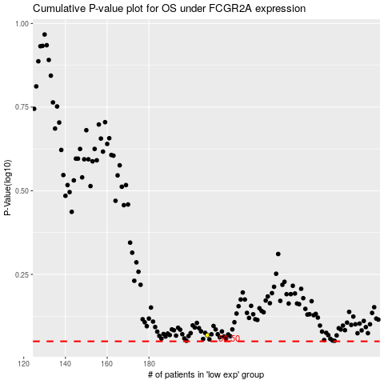

 |  |  |  |  |  | cases_OS | p_OS | rank | exp
 |  |  |  |  |  |  | cases_RFS | p_RFS | rank | exp

