FCGR3A _multivariate
Reported by Tex Li-Hsing Chi. tex@gate.sinica.edu.tw 2019-08-19

Table 2. The clinicopathological features of HNSCC cohort and FCGR3A expression. (Chi square test)
Cutoff at -0.252 (49.8%)
 |  | FCGR3A expression |  | FCGR3A expression |  | (Optimised)
 | Features | Low | (%) | High | (%) | Case no | P-value | Remark | Matthews
Gender | Female | 159 | 38.3 | 147 | 35.4 | 415 | 0.1905 | 0 | 0
2 | Male | 48 | 11.6 | 61 | 14.7
Age at diagnosis | <=65y | 150 | 36.1 | 124 | 29.9 | 415 | 0.0078 | 1 | 0
4 | >65y | 57 | 13.7 | 84 | 20.2
Clinical T Status | T1+T2 | 72 | 17.3 | 77 | 18.6 | 415 | 0.7095 | 0 | 0
6 | T3+T4 | 135 | 32.5 | 131 | 31.6
Clinical N Status | N0 | 121 | 29.2 | 95 | 22.9 | 415 | 0.0122 | 1 | 0
8 | N1-3 | 86 | 20.7 | 113 | 27.2
Clinical M Status | M0 | 207 | 49.9 | 205 | 49.4 | 415 | 0.2482 | 0 | 0
10 | M1 | 0 | 0 | 3 | 0.7
Clinical Stage | Stage I+II | 54 | 13 | 48 | 11.6 | 415 | 0.5498 | 0 | 0
12 | Stage III+IV | 153 | 36.9 | 160 | 38.6
Surgical Margin status | Negative | 158 | 38.1 | 160 | 38.6 | 415 | 0.9081 | 0 | 0
14 | Positive | 49 | 11.8 | 48 | 11.6
Tobacco Exposure | Low | 75 | 18.1 | 86 | 20.7 | 415 | 0.3141 | 0 | 0
16 | High | 132 | 31.8 | 122 | 29.4

Table 3. Univariate/Multivariate Cox's proportional hazards regression analyses on OS time of FCGR3A gene expression in HNSCC

 |  | Univariate |  |  |  | Multivariate
 | Features | HR | CI95%(L) | CI95%(H) | P-value | HR | CI95%(L) | CI95%(H) | P-value
1 | Female | 1 |  |  |  | 1
Gender | Male | 1.157 | 0.843 | 1.587 | 0.367 | 1.201 | 0.859 | 1.678 | 0.285
11 | <=65y | 1 |  |  |  | 1
Age at diagnosis | >65y | 1.329 | 0.99 | 1.784 | 0.058 | 1.39 | 1.021 | 1.893 | 0.036
12 | T1+T2 | 1 |  |  |  | 1
Clinical T Status | T3+T4 | 1.409 | 1.028 | 1.931 | 0.033 | 2.2 | 1.162 | 4.163 | 0.015
13 | N0 | 1 |  |  |  | 1
Clinical N Status | N1-3 | 1.185 | 0.89 | 1.577 | 0.246 | 1.238 | 0.865 | 1.774 | 0.244
14 | M0 | 1 |  |  |  | 1
Clinical M Status | M1 | 4.097 | 1.009 | 16.644 | 0.049 | 9.347 | 2.021 | 43.236 | 0.004
15 | Stage I+II | 1 |  |  |  | 1
Clinical Stage | Stage III+IV | 1.245 | 0.882 | 1.759 | 0.213 | 0.506 | 0.235 | 1.087 | 0.081
16 | Negative | 1 |  |  |  | 1
Surgical Margin status | Positive | 1.591 | 1.155 | 2.191 | 0.004 | 1.67 | 1.208 | 2.309 | 0.002
17 | Low | 1 |  |  |  | 1
Tobacco Exposure | High | 1.364 | 1.008 | 1.844 | 0.044 | 1.454 | 1.055 | 2.003 | 0.022
18 | Low | 1 |  |  |  | 1
RNAseq(z-score) | High | 1.106 | 0.83 | 1.474 | 0.49 | 1.011 | 0.753 | 1.358 | 0.94

Table 4. Univariate/Multivariate Cox's proportional hazards regression analyses on RFS time of FCGR3A gene expression in HNSCC

 |  | Univariate |  |  |  | Multivariate
 | Features | HR | CI95%(L) | CI95%(H) | P-value | HR | CI95%(L) | CI95%(H) | P-value
1 | Female | 1 |  |  |  | 1
Gender | Male | 1.157 | 0.843 | 1.587 | 0.367 | 1.201 | 0.859 | 1.678 | 0.285
11 | <=65y | 1 |  |  |  | 1
Age at diagnosis | >65y | 1.329 | 0.99 | 1.784 | 0.058 | 1.39 | 1.021 | 1.893 | 0.036
12 | T1+T2 | 1 |  |  |  | 1
Clinical T Status | T3+T4 | 1.409 | 1.028 | 1.931 | 0.033 | 2.2 | 1.162 | 4.163 | 0.015
13 | N0 | 1 |  |  |  | 1
Clinical N Status | N1-3 | 1.185 | 0.89 | 1.577 | 0.246 | 1.238 | 0.865 | 1.774 | 0.244
14 | M0 | 1 |  |  |  | 1
Clinical M Status | M1 | 4.097 | 1.009 | 16.644 | 0.049 | 9.347 | 2.021 | 43.236 | 0.004
15 | Stage I+II | 1 |  |  |  | 1
Clinical Stage | Stage III+IV | 1.245 | 0.882 | 1.759 | 0.213 | 0.506 | 0.235 | 1.087 | 0.081
16 | Negative | 1 |  |  |  | 1
Surgical Margin status | Positive | 1.591 | 1.155 | 2.191 | 0.004 | 1.67 | 1.208 | 2.309 | 0.002
17 | Low | 1 |  |  |  | 1
Tobacco Exposure | High | 1.364 | 1.008 | 1.844 | 0.044 | 1.454 | 1.055 | 2.003 | 0.022
18 | Low | 1 |  |  |  | 1
RNAseq(z-score) | High | 1.106 | 0.83 | 1.474 | 0.49 | 1.011 | 0.753 | 1.358 | 0.94

Kaplan-Meier survival estimate: Cutoff at -0.252 (49.8%)



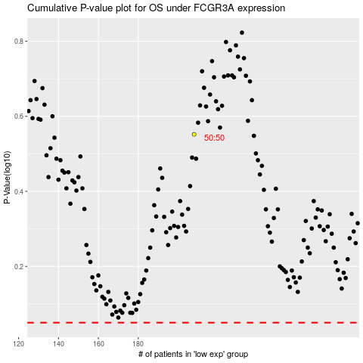

 |  |  |  |  |  | cases_OS | p_OS | rank | exp
 |  |  |  |  |  |  | cases_RFS | p_RFS | rank | exp

