FCGRT _multivariate
Reported by Tex Li-Hsing Chi. tex@gate.sinica.edu.tw 2019-08-19

Table 2. The clinicopathological features of HNSCC cohort and FCGRT expression. (Chi square test)
Cutoff at -0.224 (49.8%)
 |  | FCGRT expression |  | FCGRT expression |  | (Optimised)
 | Features | Low | (%) | High | (%) | Case no | P-value | Remark | Matthews
Gender | Female | 157 | 37.8 | 149 | 35.9 | 415 | 0.3881 | 0 | 0
2 | Male | 50 | 12 | 59 | 14.2
Age at diagnosis | <=65y | 136 | 32.8 | 138 | 33.3 | 415 | 0.9719 | 0 | 0
4 | >65y | 71 | 17.1 | 70 | 16.9
Clinical T Status | T1+T2 | 71 | 17.1 | 78 | 18.8 | 415 | 0.5638 | 0 | 0
6 | T3+T4 | 136 | 32.8 | 130 | 31.3
Clinical N Status | N0 | 117 | 28.2 | 99 | 23.9 | 415 | 0.0852 | 1 | 0
8 | N1-3 | 90 | 21.7 | 109 | 26.3
Clinical M Status | M0 | 205 | 49.4 | 207 | 49.9 | 415 | 0.6232 | 0 | 0
10 | M1 | 2 | 0.5 | 1 | 0.2
Clinical Stage | Stage I+II | 55 | 13.3 | 47 | 11.3 | 415 | 0.4087 | 0 | 0
12 | Stage III+IV | 152 | 36.6 | 161 | 38.8
Surgical Margin status | Negative | 157 | 37.8 | 161 | 38.8 | 415 | 0.729 | 0 | 0
14 | Positive | 50 | 12 | 47 | 11.3
Tobacco Exposure | Low | 86 | 20.7 | 75 | 18.1 | 415 | 0.2687 | 0 | 0
16 | High | 121 | 29.2 | 133 | 32

Table 3. Univariate/Multivariate Cox's proportional hazards regression analyses on OS time of FCGRT gene expression in HNSCC

 |  | Univariate |  |  |  | Multivariate
 | Features | HR | CI95%(L) | CI95%(H) | P-value | HR | CI95%(L) | CI95%(H) | P-value
1 | Female | 1 |  |  |  | 1
Gender | Male | 1.157 | 0.843 | 1.587 | 0.367 | 1.208 | 0.864 | 1.69 | 0.27
11 | <=65y | 1 |  |  |  | 1
Age at diagnosis | >65y | 1.329 | 0.99 | 1.784 | 0.058 | 1.383 | 1.017 | 1.88 | 0.039
12 | T1+T2 | 1 |  |  |  | 1
Clinical T Status | T3+T4 | 1.409 | 1.028 | 1.931 | 0.033 | 2.148 | 1.136 | 4.064 | 0.019
13 | N0 | 1 |  |  |  | 1
Clinical N Status | N1-3 | 1.185 | 0.89 | 1.577 | 0.246 | 1.274 | 0.892 | 1.821 | 0.183
14 | M0 | 1 |  |  |  | 1
Clinical M Status | M1 | 4.097 | 1.009 | 16.644 | 0.049 | 8.906 | 1.94 | 40.889 | 0.005
15 | Stage I+II | 1 |  |  |  | 1
Clinical Stage | Stage III+IV | 1.245 | 0.882 | 1.759 | 0.213 | 0.515 | 0.24 | 1.106 | 0.089
16 | Negative | 1 |  |  |  | 1
Surgical Margin status | Positive | 1.591 | 1.155 | 2.191 | 0.004 | 1.681 | 1.216 | 2.322 | 0.002
17 | Low | 1 |  |  |  | 1
Tobacco Exposure | High | 1.364 | 1.008 | 1.844 | 0.044 | 1.48 | 1.072 | 2.043 | 0.017
18 | Low | 1 |  |  |  | 1
RNAseq(z-score) | High | 0.827 | 0.621 | 1.102 | 0.195 | 0.8 | 0.598 | 1.072 | 0.135

Table 4. Univariate/Multivariate Cox's proportional hazards regression analyses on RFS time of FCGRT gene expression in HNSCC

 |  | Univariate |  |  |  | Multivariate
 | Features | HR | CI95%(L) | CI95%(H) | P-value | HR | CI95%(L) | CI95%(H) | P-value
1 | Female | 1 |  |  |  | 1
Gender | Male | 1.157 | 0.843 | 1.587 | 0.367 | 1.208 | 0.864 | 1.69 | 0.27
11 | <=65y | 1 |  |  |  | 1
Age at diagnosis | >65y | 1.329 | 0.99 | 1.784 | 0.058 | 1.383 | 1.017 | 1.88 | 0.039
12 | T1+T2 | 1 |  |  |  | 1
Clinical T Status | T3+T4 | 1.409 | 1.028 | 1.931 | 0.033 | 2.148 | 1.136 | 4.064 | 0.019
13 | N0 | 1 |  |  |  | 1
Clinical N Status | N1-3 | 1.185 | 0.89 | 1.577 | 0.246 | 1.274 | 0.892 | 1.821 | 0.183
14 | M0 | 1 |  |  |  | 1
Clinical M Status | M1 | 4.097 | 1.009 | 16.644 | 0.049 | 8.906 | 1.94 | 40.889 | 0.005
15 | Stage I+II | 1 |  |  |  | 1
Clinical Stage | Stage III+IV | 1.245 | 0.882 | 1.759 | 0.213 | 0.515 | 0.24 | 1.106 | 0.089
16 | Negative | 1 |  |  |  | 1
Surgical Margin status | Positive | 1.591 | 1.155 | 2.191 | 0.004 | 1.681 | 1.216 | 2.322 | 0.002
17 | Low | 1 |  |  |  | 1
Tobacco Exposure | High | 1.364 | 1.008 | 1.844 | 0.044 | 1.48 | 1.072 | 2.043 | 0.017
18 | Low | 1 |  |  |  | 1
RNAseq(z-score) | High | 0.827 | 0.621 | 1.102 | 0.195 | 0.8 | 0.598 | 1.072 | 0.135

Kaplan-Meier survival estimate: Cutoff at -0.224 (49.8%)



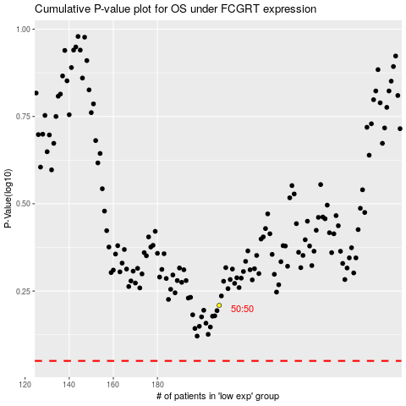

 |  |  |  |  |  | cases_OS | p_OS | rank | exp
 |  |  |  |  |  |  | cases_RFS | p_RFS | rank | exp

