FCHO1 _multivariate
Reported by Tex Li-Hsing Chi. tex@gate.sinica.edu.tw 2019-08-19

Table 2. The clinicopathological features of HNSCC cohort and FCHO1 expression. (Chi square test)
Cutoff at -0.34 (49.8%)
 |  | FCHO1 expression |  | FCHO1 expression |  | (Optimised)
 | Features | Low | (%) | High | (%) | Case no | P-value | Remark | Matthews
Gender | Female | 143 | 34.5 | 163 | 39.3 | 415 | 0.0416 | 1 | 0
2 | Male | 64 | 15.4 | 45 | 10.8
Age at diagnosis | <=65y | 138 | 33.3 | 136 | 32.8 | 415 | 0.8634 | 0 | 0
4 | >65y | 69 | 16.6 | 72 | 17.3
Clinical T Status | T1+T2 | 81 | 19.5 | 68 | 16.4 | 415 | 0.206 | 0 | 0
6 | T3+T4 | 126 | 30.4 | 140 | 33.7
Clinical N Status | N0 | 112 | 27 | 104 | 25.1 | 415 | 0.4599 | 0 | 0
8 | N1-3 | 95 | 22.9 | 104 | 25.1
Clinical M Status | M0 | 206 | 49.6 | 206 | 49.6 | 415 | 1 | 0 | 0
10 | M1 | 1 | 0.2 | 2 | 0.5
Clinical Stage | Stage I+II | 62 | 14.9 | 40 | 9.6 | 415 | 0.0154 | 1 | 0
12 | Stage III+IV | 145 | 34.9 | 168 | 40.5
Surgical Margin status | Negative | 160 | 38.6 | 158 | 38.1 | 415 | 0.8167 | 0 | 0
14 | Positive | 47 | 11.3 | 50 | 12
Tobacco Exposure | Low | 94 | 22.7 | 67 | 16.1 | 415 | 0.0065 | 1 | 0
16 | High | 113 | 27.2 | 141 | 34

Table 3. Univariate/Multivariate Cox's proportional hazards regression analyses on OS time of FCHO1 gene expression in HNSCC

 |  | Univariate |  |  |  | Multivariate
 | Features | HR | CI95%(L) | CI95%(H) | P-value | HR | CI95%(L) | CI95%(H) | P-value
1 | Female | 1 |  |  |  | 1
Gender | Male | 1.157 | 0.843 | 1.587 | 0.367 | 1.176 | 0.84 | 1.648 | 0.344
11 | <=65y | 1 |  |  |  | 1
Age at diagnosis | >65y | 1.329 | 0.99 | 1.784 | 0.058 | 1.403 | 1.032 | 1.908 | 0.031
12 | T1+T2 | 1 |  |  |  | 1
Clinical T Status | T3+T4 | 1.409 | 1.028 | 1.931 | 0.033 | 2.145 | 1.132 | 4.066 | 0.019
13 | N0 | 1 |  |  |  | 1
Clinical N Status | N1-3 | 1.185 | 0.89 | 1.577 | 0.246 | 1.23 | 0.861 | 1.755 | 0.255
14 | M0 | 1 |  |  |  | 1
Clinical M Status | M1 | 4.097 | 1.009 | 16.644 | 0.049 | 9.289 | 2.026 | 42.59 | 0.004
15 | Stage I+II | 1 |  |  |  | 1
Clinical Stage | Stage III+IV | 1.245 | 0.882 | 1.759 | 0.213 | 0.526 | 0.244 | 1.133 | 0.101
16 | Negative | 1 |  |  |  | 1
Surgical Margin status | Positive | 1.591 | 1.155 | 2.191 | 0.004 | 1.693 | 1.224 | 2.342 | 0.001
17 | Low | 1 |  |  |  | 1
Tobacco Exposure | High | 1.364 | 1.008 | 1.844 | 0.044 | 1.483 | 1.073 | 2.049 | 0.017
18 | Low | 1 |  |  |  | 1
RNAseq(z-score) | High | 0.885 | 0.664 | 1.178 | 0.402 | 0.852 | 0.634 | 1.143 | 0.285

Table 4. Univariate/Multivariate Cox's proportional hazards regression analyses on RFS time of FCHO1 gene expression in HNSCC

 |  | Univariate |  |  |  | Multivariate
 | Features | HR | CI95%(L) | CI95%(H) | P-value | HR | CI95%(L) | CI95%(H) | P-value
1 | Female | 1 |  |  |  | 1
Gender | Male | 1.157 | 0.843 | 1.587 | 0.367 | 1.176 | 0.84 | 1.648 | 0.344
11 | <=65y | 1 |  |  |  | 1
Age at diagnosis | >65y | 1.329 | 0.99 | 1.784 | 0.058 | 1.403 | 1.032 | 1.908 | 0.031
12 | T1+T2 | 1 |  |  |  | 1
Clinical T Status | T3+T4 | 1.409 | 1.028 | 1.931 | 0.033 | 2.145 | 1.132 | 4.066 | 0.019
13 | N0 | 1 |  |  |  | 1
Clinical N Status | N1-3 | 1.185 | 0.89 | 1.577 | 0.246 | 1.23 | 0.861 | 1.755 | 0.255
14 | M0 | 1 |  |  |  | 1
Clinical M Status | M1 | 4.097 | 1.009 | 16.644 | 0.049 | 9.289 | 2.026 | 42.59 | 0.004
15 | Stage I+II | 1 |  |  |  | 1
Clinical Stage | Stage III+IV | 1.245 | 0.882 | 1.759 | 0.213 | 0.526 | 0.244 | 1.133 | 0.101
16 | Negative | 1 |  |  |  | 1
Surgical Margin status | Positive | 1.591 | 1.155 | 2.191 | 0.004 | 1.693 | 1.224 | 2.342 | 0.001
17 | Low | 1 |  |  |  | 1
Tobacco Exposure | High | 1.364 | 1.008 | 1.844 | 0.044 | 1.483 | 1.073 | 2.049 | 0.017
18 | Low | 1 |  |  |  | 1
RNAseq(z-score) | High | 0.885 | 0.664 | 1.178 | 0.402 | 0.852 | 0.634 | 1.143 | 0.285

Kaplan-Meier survival estimate: Cutoff at -0.34 (49.8%)



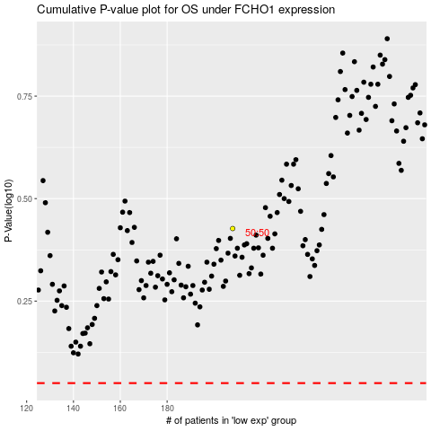

 |  |  |  |  |  | cases_OS | p_OS | rank | exp
 |  |  |  |  |  |  | cases_RFS | p_RFS | rank | exp

