FDPS _multivariate
Reported by Tex Li-Hsing Chi. tex@gate.sinica.edu.tw 2019-08-19

Table 2. The clinicopathological features of HNSCC cohort and FDPS expression. (Chi square test)
Cutoff at -0.205 (49.8%)
 |  | FDPS expression |  | FDPS expression |  | (Optimised)
 | Features | Low | (%) | High | (%) | Case no | P-value | Remark | Matthews
Gender | Female | 152 | 36.6 | 154 | 37.1 | 415 | 0.9766 | 0 | 0
2 | Male | 55 | 13.3 | 54 | 13
Age at diagnosis | <=65y | 142 | 34.2 | 132 | 31.8 | 415 | 0.3167 | 0 | 0
4 | >65y | 65 | 15.7 | 76 | 18.3
Clinical T Status | T1+T2 | 80 | 19.3 | 69 | 16.6 | 415 | 0.2891 | 0 | 0
6 | T3+T4 | 127 | 30.6 | 139 | 33.5
Clinical N Status | N0 | 111 | 26.7 | 105 | 25.3 | 415 | 0.5875 | 0 | 0
8 | N1-3 | 96 | 23.1 | 103 | 24.8
Clinical M Status | M0 | 207 | 49.9 | 205 | 49.4 | 415 | 0.2482 | 0 | 0
10 | M1 | 0 | 0 | 3 | 0.7
Clinical Stage | Stage I+II | 62 | 14.9 | 40 | 9.6 | 415 | 0.0154 | 1 | 0
12 | Stage III+IV | 145 | 34.9 | 168 | 40.5
Surgical Margin status | Negative | 170 | 41 | 148 | 35.7 | 415 | 0.0105 | 1 | 0
14 | Positive | 37 | 8.9 | 60 | 14.5
Tobacco Exposure | Low | 83 | 20 | 78 | 18.8 | 415 | 0.6152 | 0 | 0
16 | High | 124 | 29.9 | 130 | 31.3

Table 3. Univariate/Multivariate Cox's proportional hazards regression analyses on OS time of FDPS gene expression in HNSCC

 |  | Univariate |  |  |  | Multivariate
 | Features | HR | CI95%(L) | CI95%(H) | P-value | HR | CI95%(L) | CI95%(H) | P-value
1 | Female | 1 |  |  |  | 1
Gender | Male | 1.157 | 0.843 | 1.587 | 0.367 | 1.202 | 0.86 | 1.68 | 0.28
11 | <=65y | 1 |  |  |  | 1
Age at diagnosis | >65y | 1.329 | 0.99 | 1.784 | 0.058 | 1.393 | 1.024 | 1.896 | 0.035
12 | T1+T2 | 1 |  |  |  | 1
Clinical T Status | T3+T4 | 1.409 | 1.028 | 1.931 | 0.033 | 2.201 | 1.163 | 4.162 | 0.015
13 | N0 | 1 |  |  |  | 1
Clinical N Status | N1-3 | 1.185 | 0.89 | 1.577 | 0.246 | 1.239 | 0.867 | 1.771 | 0.238
14 | M0 | 1 |  |  |  | 1
Clinical M Status | M1 | 4.097 | 1.009 | 16.644 | 0.049 | 9.459 | 2.05 | 43.644 | 0.004
15 | Stage I+II | 1 |  |  |  | 1
Clinical Stage | Stage III+IV | 1.245 | 0.882 | 1.759 | 0.213 | 0.506 | 0.235 | 1.092 | 0.083
16 | Negative | 1 |  |  |  | 1
Surgical Margin status | Positive | 1.591 | 1.155 | 2.191 | 0.004 | 1.675 | 1.207 | 2.326 | 0.002
17 | Low | 1 |  |  |  | 1
Tobacco Exposure | High | 1.364 | 1.008 | 1.844 | 0.044 | 1.453 | 1.055 | 2.002 | 0.022
18 | Low | 1 |  |  |  | 1
RNAseq(z-score) | High | 1.115 | 0.838 | 1.486 | 0.455 | 0.988 | 0.734 | 1.332 | 0.939

Table 4. Univariate/Multivariate Cox's proportional hazards regression analyses on RFS time of FDPS gene expression in HNSCC

 |  | Univariate |  |  |  | Multivariate
 | Features | HR | CI95%(L) | CI95%(H) | P-value | HR | CI95%(L) | CI95%(H) | P-value
1 | Female | 1 |  |  |  | 1
Gender | Male | 1.157 | 0.843 | 1.587 | 0.367 | 1.202 | 0.86 | 1.68 | 0.28
11 | <=65y | 1 |  |  |  | 1
Age at diagnosis | >65y | 1.329 | 0.99 | 1.784 | 0.058 | 1.393 | 1.024 | 1.896 | 0.035
12 | T1+T2 | 1 |  |  |  | 1
Clinical T Status | T3+T4 | 1.409 | 1.028 | 1.931 | 0.033 | 2.201 | 1.163 | 4.162 | 0.015
13 | N0 | 1 |  |  |  | 1
Clinical N Status | N1-3 | 1.185 | 0.89 | 1.577 | 0.246 | 1.239 | 0.867 | 1.771 | 0.238
14 | M0 | 1 |  |  |  | 1
Clinical M Status | M1 | 4.097 | 1.009 | 16.644 | 0.049 | 9.459 | 2.05 | 43.644 | 0.004
15 | Stage I+II | 1 |  |  |  | 1
Clinical Stage | Stage III+IV | 1.245 | 0.882 | 1.759 | 0.213 | 0.506 | 0.235 | 1.092 | 0.083
16 | Negative | 1 |  |  |  | 1
Surgical Margin status | Positive | 1.591 | 1.155 | 2.191 | 0.004 | 1.675 | 1.207 | 2.326 | 0.002
17 | Low | 1 |  |  |  | 1
Tobacco Exposure | High | 1.364 | 1.008 | 1.844 | 0.044 | 1.453 | 1.055 | 2.002 | 0.022
18 | Low | 1 |  |  |  | 1
RNAseq(z-score) | High | 1.115 | 0.838 | 1.486 | 0.455 | 0.988 | 0.734 | 1.332 | 0.939

Kaplan-Meier survival estimate: Cutoff at -0.205 (49.8%)

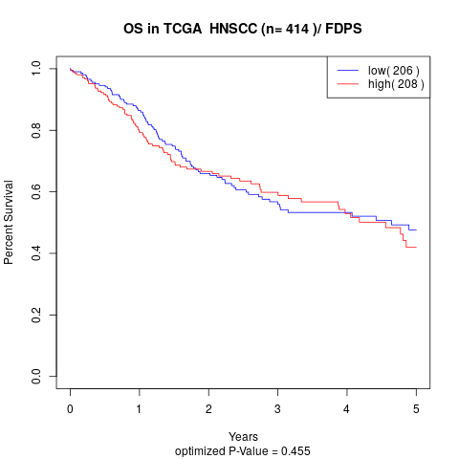

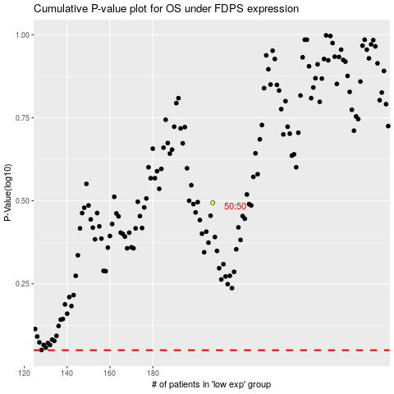

 |  |  |  |  |  | cases_OS | p_OS | rank | exp
 |  |  |  |  |  |  | cases_RFS | p_RFS | rank | exp

