FDX1L _multivariate
Reported by Tex Li-Hsing Chi. tex@gate.sinica.edu.tw 2019-08-19

Table 2. The clinicopathological features of HNSCC cohort and FDX1L expression. (Chi square test)
Cutoff at -0.221 (49.8%)
 |  | FDX1L expression |  | FDX1L expression |  | (Optimised)
 | Features | Low | (%) | High | (%) | Case no | P-value | Remark | Matthews
Gender | Female | 141 | 34 | 165 | 39.8 | 415 | 0.013 | 1 | 0
2 | Male | 66 | 15.9 | 43 | 10.4
Age at diagnosis | <=65y | 125 | 30.1 | 149 | 35.9 | 415 | 0.0206 | 1 | 0
4 | >65y | 82 | 19.8 | 59 | 14.2
Clinical T Status | T1+T2 | 73 | 17.6 | 76 | 18.3 | 415 | 0.8666 | 0 | 0
6 | T3+T4 | 134 | 32.3 | 132 | 31.8
Clinical N Status | N0 | 106 | 25.5 | 110 | 26.5 | 415 | 0.8075 | 0 | 0
8 | N1-3 | 101 | 24.3 | 98 | 23.6
Clinical M Status | M0 | 205 | 49.4 | 207 | 49.9 | 415 | 0.6232 | 0 | 0
10 | M1 | 2 | 0.5 | 1 | 0.2
Clinical Stage | Stage I+II | 48 | 11.6 | 54 | 13 | 415 | 0.5878 | 0 | 0
12 | Stage III+IV | 159 | 38.3 | 154 | 37.1
Surgical Margin status | Negative | 165 | 39.8 | 153 | 36.9 | 415 | 0.1639 | 0 | 0
14 | Positive | 42 | 10.1 | 55 | 13.3
Tobacco Exposure | Low | 86 | 20.7 | 75 | 18.1 | 415 | 0.2687 | 0 | 0
16 | High | 121 | 29.2 | 133 | 32

Table 3. Univariate/Multivariate Cox's proportional hazards regression analyses on OS time of FDX1L gene expression in HNSCC

 |  | Univariate |  |  |  | Multivariate
 | Features | HR | CI95%(L) | CI95%(H) | P-value | HR | CI95%(L) | CI95%(H) | P-value
1 | Female | 1 |  |  |  | 1
Gender | Male | 1.157 | 0.843 | 1.587 | 0.367 | 1.194 | 0.853 | 1.67 | 0.302
11 | <=65y | 1 |  |  |  | 1
Age at diagnosis | >65y | 1.329 | 0.99 | 1.784 | 0.058 | 1.388 | 1.021 | 1.888 | 0.036
12 | T1+T2 | 1 |  |  |  | 1
Clinical T Status | T3+T4 | 1.409 | 1.028 | 1.931 | 0.033 | 2.214 | 1.17 | 4.19 | 0.015
13 | N0 | 1 |  |  |  | 1
Clinical N Status | N1-3 | 1.185 | 0.89 | 1.577 | 0.246 | 1.243 | 0.871 | 1.774 | 0.23
14 | M0 | 1 |  |  |  | 1
Clinical M Status | M1 | 4.097 | 1.009 | 16.644 | 0.049 | 9.39 | 2.048 | 43.044 | 0.004
15 | Stage I+II | 1 |  |  |  | 1
Clinical Stage | Stage III+IV | 1.245 | 0.882 | 1.759 | 0.213 | 0.501 | 0.233 | 1.077 | 0.077
16 | Negative | 1 |  |  |  | 1
Surgical Margin status | Positive | 1.591 | 1.155 | 2.191 | 0.004 | 1.685 | 1.216 | 2.335 | 0.002
17 | Low | 1 |  |  |  | 1
Tobacco Exposure | High | 1.364 | 1.008 | 1.844 | 0.044 | 1.46 | 1.059 | 2.013 | 0.021
18 | Low | 1 |  |  |  | 1
RNAseq(z-score) | High | 1.01 | 0.758 | 1.346 | 0.945 | 0.947 | 0.706 | 1.272 | 0.719

Table 4. Univariate/Multivariate Cox's proportional hazards regression analyses on RFS time of FDX1L gene expression in HNSCC

 |  | Univariate |  |  |  | Multivariate
 | Features | HR | CI95%(L) | CI95%(H) | P-value | HR | CI95%(L) | CI95%(H) | P-value
1 | Female | 1 |  |  |  | 1
Gender | Male | 1.157 | 0.843 | 1.587 | 0.367 | 1.194 | 0.853 | 1.67 | 0.302
11 | <=65y | 1 |  |  |  | 1
Age at diagnosis | >65y | 1.329 | 0.99 | 1.784 | 0.058 | 1.388 | 1.021 | 1.888 | 0.036
12 | T1+T2 | 1 |  |  |  | 1
Clinical T Status | T3+T4 | 1.409 | 1.028 | 1.931 | 0.033 | 2.214 | 1.17 | 4.19 | 0.015
13 | N0 | 1 |  |  |  | 1
Clinical N Status | N1-3 | 1.185 | 0.89 | 1.577 | 0.246 | 1.243 | 0.871 | 1.774 | 0.23
14 | M0 | 1 |  |  |  | 1
Clinical M Status | M1 | 4.097 | 1.009 | 16.644 | 0.049 | 9.39 | 2.048 | 43.044 | 0.004
15 | Stage I+II | 1 |  |  |  | 1
Clinical Stage | Stage III+IV | 1.245 | 0.882 | 1.759 | 0.213 | 0.501 | 0.233 | 1.077 | 0.077
16 | Negative | 1 |  |  |  | 1
Surgical Margin status | Positive | 1.591 | 1.155 | 2.191 | 0.004 | 1.685 | 1.216 | 2.335 | 0.002
17 | Low | 1 |  |  |  | 1
Tobacco Exposure | High | 1.364 | 1.008 | 1.844 | 0.044 | 1.46 | 1.059 | 2.013 | 0.021
18 | Low | 1 |  |  |  | 1
RNAseq(z-score) | High | 1.01 | 0.758 | 1.346 | 0.945 | 0.947 | 0.706 | 1.272 | 0.719

Kaplan-Meier survival estimate: Cutoff at -0.221 (49.8%)



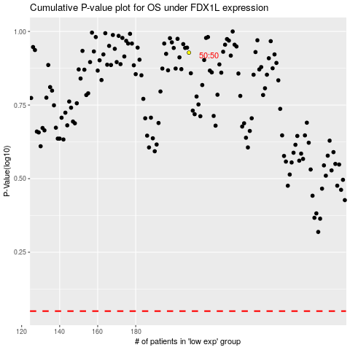

 |  |  |  |  |  | cases_OS | p_OS | rank | exp
 |  |  |  |  |  |  | cases_RFS | p_RFS | rank | exp

