FDXACB1 _multivariate
Reported by Tex Li-Hsing Chi. tex@gate.sinica.edu.tw 2019-08-19

Table 2. The clinicopathological features of HNSCC cohort and FDXACB1 expression. (Chi square test)
Cutoff at -0.171 (49.8%)
 |  | FDXACB1 expression |  | FDXACB1 expression |  | (Optimised)
 | Features | Low | (%) | High | (%) | Case no | P-value | Remark | Matthews
Gender | Female | 166 | 40 | 140 | 33.7 | 415 | 0.0041 | 1 | 0
2 | Male | 41 | 9.9 | 68 | 16.4
Age at diagnosis | <=65y | 140 | 33.7 | 134 | 32.3 | 415 | 0.5574 | 0 | 0
4 | >65y | 67 | 16.1 | 74 | 17.8
Clinical T Status | T1+T2 | 64 | 15.4 | 85 | 20.5 | 415 | 0.0445 | 1 | 0
6 | T3+T4 | 143 | 34.5 | 123 | 29.6
Clinical N Status | N0 | 93 | 22.4 | 123 | 29.6 | 415 | 0.0051 | 1 | 0
8 | N1-3 | 114 | 27.5 | 85 | 20.5
Clinical M Status | M0 | 205 | 49.4 | 207 | 49.9 | 415 | 0.6232 | 0 | 0
10 | M1 | 2 | 0.5 | 1 | 0.2
Clinical Stage | Stage I+II | 37 | 8.9 | 65 | 15.7 | 415 | 0.0023 | 1 | 0
12 | Stage III+IV | 170 | 41 | 143 | 34.5
Surgical Margin status | Negative | 157 | 37.8 | 161 | 38.8 | 415 | 0.729 | 0 | 0
14 | Positive | 50 | 12 | 47 | 11.3
Tobacco Exposure | Low | 75 | 18.1 | 86 | 20.7 | 415 | 0.3141 | 0 | 0
16 | High | 132 | 31.8 | 122 | 29.4

Table 3. Univariate/Multivariate Cox's proportional hazards regression analyses on OS time of FDXACB1 gene expression in HNSCC

 |  | Univariate |  |  |  | Multivariate
 | Features | HR | CI95%(L) | CI95%(H) | P-value | HR | CI95%(L) | CI95%(H) | P-value
1 | Female | 1 |  |  |  | 1
Gender | Male | 1.157 | 0.843 | 1.587 | 0.367 | 1.192 | 0.85 | 1.672 | 0.308
11 | <=65y | 1 |  |  |  | 1
Age at diagnosis | >65y | 1.329 | 0.99 | 1.784 | 0.058 | 1.392 | 1.024 | 1.893 | 0.035
12 | T1+T2 | 1 |  |  |  | 1
Clinical T Status | T3+T4 | 1.409 | 1.028 | 1.931 | 0.033 | 2.21 | 1.168 | 4.18 | 0.015
13 | N0 | 1 |  |  |  | 1
Clinical N Status | N1-3 | 1.185 | 0.89 | 1.577 | 0.246 | 1.245 | 0.872 | 1.778 | 0.228
14 | M0 | 1 |  |  |  | 1
Clinical M Status | M1 | 4.097 | 1.009 | 16.644 | 0.049 | 9.422 | 2.055 | 43.2 | 0.004
15 | Stage I+II | 1 |  |  |  | 1
Clinical Stage | Stage III+IV | 1.245 | 0.882 | 1.759 | 0.213 | 0.506 | 0.236 | 1.088 | 0.081
16 | Negative | 1 |  |  |  | 1
Surgical Margin status | Positive | 1.591 | 1.155 | 2.191 | 0.004 | 1.673 | 1.21 | 2.311 | 0.002
17 | Low | 1 |  |  |  | 1
Tobacco Exposure | High | 1.364 | 1.008 | 1.844 | 0.044 | 1.453 | 1.055 | 2.002 | 0.022
18 | Low | 1 |  |  |  | 1
RNAseq(z-score) | High | 1.012 | 0.76 | 1.348 | 0.933 | 1.046 | 0.778 | 1.407 | 0.764

Table 4. Univariate/Multivariate Cox's proportional hazards regression analyses on RFS time of FDXACB1 gene expression in HNSCC

 |  | Univariate |  |  |  | Multivariate
 | Features | HR | CI95%(L) | CI95%(H) | P-value | HR | CI95%(L) | CI95%(H) | P-value
1 | Female | 1 |  |  |  | 1
Gender | Male | 1.157 | 0.843 | 1.587 | 0.367 | 1.192 | 0.85 | 1.672 | 0.308
11 | <=65y | 1 |  |  |  | 1
Age at diagnosis | >65y | 1.329 | 0.99 | 1.784 | 0.058 | 1.392 | 1.024 | 1.893 | 0.035
12 | T1+T2 | 1 |  |  |  | 1
Clinical T Status | T3+T4 | 1.409 | 1.028 | 1.931 | 0.033 | 2.21 | 1.168 | 4.18 | 0.015
13 | N0 | 1 |  |  |  | 1
Clinical N Status | N1-3 | 1.185 | 0.89 | 1.577 | 0.246 | 1.245 | 0.872 | 1.778 | 0.228
14 | M0 | 1 |  |  |  | 1
Clinical M Status | M1 | 4.097 | 1.009 | 16.644 | 0.049 | 9.422 | 2.055 | 43.2 | 0.004
15 | Stage I+II | 1 |  |  |  | 1
Clinical Stage | Stage III+IV | 1.245 | 0.882 | 1.759 | 0.213 | 0.506 | 0.236 | 1.088 | 0.081
16 | Negative | 1 |  |  |  | 1
Surgical Margin status | Positive | 1.591 | 1.155 | 2.191 | 0.004 | 1.673 | 1.21 | 2.311 | 0.002
17 | Low | 1 |  |  |  | 1
Tobacco Exposure | High | 1.364 | 1.008 | 1.844 | 0.044 | 1.453 | 1.055 | 2.002 | 0.022
18 | Low | 1 |  |  |  | 1
RNAseq(z-score) | High | 1.012 | 0.76 | 1.348 | 0.933 | 1.046 | 0.778 | 1.407 | 0.764

Kaplan-Meier survival estimate: Cutoff at -0.171 (49.8%)



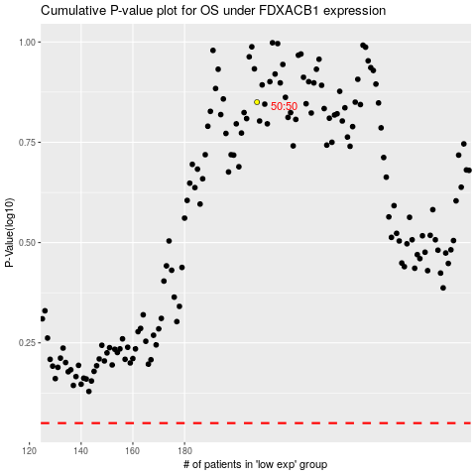

 |  |  |  |  |  | cases_OS | p_OS | rank | exp
 |  |  |  |  |  |  | cases_RFS | p_RFS | rank | exp

