FDXR _multivariate
Reported by Tex Li-Hsing Chi. tex@gate.sinica.edu.tw 2019-08-19

Table 2. The clinicopathological features of HNSCC cohort and FDXR expression. (Chi square test)
Cutoff at -0.249 (50.0%)
 |  | FDXR expression |  | FDXR expression |  | (Optimised)
 | Features | Low | (%) | High | (%) | Case no | P-value | Remark | Matthews
Gender | Female | 156 | 37.6 | 150 | 36.1 | 415 | 0.5222 | 0 | 0
2 | Male | 51 | 12.3 | 58 | 14
Age at diagnosis | <=65y | 138 | 33.3 | 136 | 32.8 | 415 | 0.8634 | 0 | 0
4 | >65y | 69 | 16.6 | 72 | 17.3
Clinical T Status | T1+T2 | 74 | 17.8 | 75 | 18.1 | 415 | 1 | 0 | 0
6 | T3+T4 | 133 | 32 | 133 | 32
Clinical N Status | N0 | 96 | 23.1 | 120 | 28.9 | 415 | 0.0272 | 1 | 0
8 | N1-3 | 111 | 26.7 | 88 | 21.2
Clinical M Status | M0 | 207 | 49.9 | 205 | 49.4 | 415 | 0.2482 | 0 | 0
10 | M1 | 0 | 0 | 3 | 0.7
Clinical Stage | Stage I+II | 51 | 12.3 | 51 | 12.3 | 415 | 1 | 0 | 0
12 | Stage III+IV | 156 | 37.6 | 157 | 37.8
Surgical Margin status | Negative | 157 | 37.8 | 161 | 38.8 | 415 | 0.729 | 0 | 0
14 | Positive | 50 | 12 | 47 | 11.3
Tobacco Exposure | Low | 74 | 17.8 | 87 | 21 | 415 | 0.227 | 0 | 0
16 | High | 133 | 32 | 121 | 29.2

Table 3. Univariate/Multivariate Cox's proportional hazards regression analyses on OS time of FDXR gene expression in HNSCC

 |  | Univariate |  |  |  | Multivariate
 | Features | HR | CI95%(L) | CI95%(H) | P-value | HR | CI95%(L) | CI95%(H) | P-value
1 | Female | 1 |  |  |  | 1
Gender | Male | 1.157 | 0.843 | 1.587 | 0.367 | 1.177 | 0.839 | 1.651 | 0.345
11 | <=65y | 1 |  |  |  | 1
Age at diagnosis | >65y | 1.329 | 0.99 | 1.784 | 0.058 | 1.404 | 1.032 | 1.909 | 0.031
12 | T1+T2 | 1 |  |  |  | 1
Clinical T Status | T3+T4 | 1.409 | 1.028 | 1.931 | 0.033 | 2.235 | 1.181 | 4.228 | 0.013
13 | N0 | 1 |  |  |  | 1
Clinical N Status | N1-3 | 1.185 | 0.89 | 1.577 | 0.246 | 1.255 | 0.879 | 1.791 | 0.212
14 | M0 | 1 |  |  |  | 1
Clinical M Status | M1 | 4.097 | 1.009 | 16.644 | 0.049 | 8.889 | 1.928 | 40.981 | 0.005
15 | Stage I+II | 1 |  |  |  | 1
Clinical Stage | Stage III+IV | 1.245 | 0.882 | 1.759 | 0.213 | 0.491 | 0.228 | 1.057 | 0.069
16 | Negative | 1 |  |  |  | 1
Surgical Margin status | Positive | 1.591 | 1.155 | 2.191 | 0.004 | 1.665 | 1.205 | 2.301 | 0.002
17 | Low | 1 |  |  |  | 1
Tobacco Exposure | High | 1.364 | 1.008 | 1.844 | 0.044 | 1.461 | 1.06 | 2.014 | 0.021
18 | Low | 1 |  |  |  | 1
RNAseq(z-score) | High | 1.13 | 0.848 | 1.506 | 0.404 | 1.13 | 0.842 | 1.516 | 0.416

Table 4. Univariate/Multivariate Cox's proportional hazards regression analyses on RFS time of FDXR gene expression in HNSCC

 |  | Univariate |  |  |  | Multivariate
 | Features | HR | CI95%(L) | CI95%(H) | P-value | HR | CI95%(L) | CI95%(H) | P-value
1 | Female | 1 |  |  |  | 1
Gender | Male | 1.157 | 0.843 | 1.587 | 0.367 | 1.177 | 0.839 | 1.651 | 0.345
11 | <=65y | 1 |  |  |  | 1
Age at diagnosis | >65y | 1.329 | 0.99 | 1.784 | 0.058 | 1.404 | 1.032 | 1.909 | 0.031
12 | T1+T2 | 1 |  |  |  | 1
Clinical T Status | T3+T4 | 1.409 | 1.028 | 1.931 | 0.033 | 2.235 | 1.181 | 4.228 | 0.013
13 | N0 | 1 |  |  |  | 1
Clinical N Status | N1-3 | 1.185 | 0.89 | 1.577 | 0.246 | 1.255 | 0.879 | 1.791 | 0.212
14 | M0 | 1 |  |  |  | 1
Clinical M Status | M1 | 4.097 | 1.009 | 16.644 | 0.049 | 8.889 | 1.928 | 40.981 | 0.005
15 | Stage I+II | 1 |  |  |  | 1
Clinical Stage | Stage III+IV | 1.245 | 0.882 | 1.759 | 0.213 | 0.491 | 0.228 | 1.057 | 0.069
16 | Negative | 1 |  |  |  | 1
Surgical Margin status | Positive | 1.591 | 1.155 | 2.191 | 0.004 | 1.665 | 1.205 | 2.301 | 0.002
17 | Low | 1 |  |  |  | 1
Tobacco Exposure | High | 1.364 | 1.008 | 1.844 | 0.044 | 1.461 | 1.06 | 2.014 | 0.021
18 | Low | 1 |  |  |  | 1
RNAseq(z-score) | High | 1.13 | 0.848 | 1.506 | 0.404 | 1.13 | 0.842 | 1.516 | 0.416

Kaplan-Meier survival estimate: Cutoff at -0.249 (50.0%)



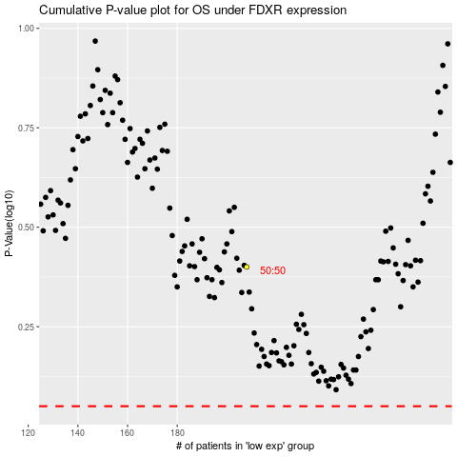

 |  |  |  |  |  | cases_OS | p_OS | rank | exp
 |  |  |  |  |  |  | cases_RFS | p_RFS | rank | exp

