FECH _multivariate
Reported by Tex Li-Hsing Chi. tex@gate.sinica.edu.tw 2019-08-19

Table 2. The clinicopathological features of HNSCC cohort and FECH expression. (Chi square test)
Cutoff at -0.26 (49.8%)
 |  | FECH expression |  | FECH expression |  | (Optimised)
 | Features | Low | (%) | High | (%) | Case no | P-value | Remark | Matthews
Gender | Female | 157 | 37.8 | 149 | 35.9 | 415 | 0.3881 | 0 | 0
2 | Male | 50 | 12 | 59 | 14.2
Age at diagnosis | <=65y | 150 | 36.1 | 124 | 29.9 | 415 | 0.0078 | 1 | 0
4 | >65y | 57 | 13.7 | 84 | 20.2
Clinical T Status | T1+T2 | 67 | 16.1 | 82 | 19.8 | 415 | 0.1628 | 0 | 0
6 | T3+T4 | 140 | 33.7 | 126 | 30.4
Clinical N Status | N0 | 103 | 24.8 | 113 | 27.2 | 415 | 0.4047 | 0 | 0
8 | N1-3 | 104 | 25.1 | 95 | 22.9
Clinical M Status | M0 | 204 | 49.2 | 208 | 50.1 | 415 | 0.1232 | 0 | 0
10 | M1 | 3 | 0.7 | 0 | 0
Clinical Stage | Stage I+II | 49 | 11.8 | 53 | 12.8 | 415 | 0.7535 | 0 | 0
12 | Stage III+IV | 158 | 38.1 | 155 | 37.3
Surgical Margin status | Negative | 165 | 39.8 | 153 | 36.9 | 415 | 0.1639 | 0 | 0
14 | Positive | 42 | 10.1 | 55 | 13.3
Tobacco Exposure | Low | 75 | 18.1 | 86 | 20.7 | 415 | 0.3141 | 0 | 0
16 | High | 132 | 31.8 | 122 | 29.4

Table 3. Univariate/Multivariate Cox's proportional hazards regression analyses on OS time of FECH gene expression in HNSCC

 |  | Univariate |  |  |  | Multivariate
 | Features | HR | CI95%(L) | CI95%(H) | P-value | HR | CI95%(L) | CI95%(H) | P-value
1 | Female | 1 |  |  |  | 1
Gender | Male | 1.157 | 0.843 | 1.587 | 0.367 | 1.203 | 0.861 | 1.681 | 0.278
11 | <=65y | 1 |  |  |  | 1
Age at diagnosis | >65y | 1.329 | 0.99 | 1.784 | 0.058 | 1.384 | 1.016 | 1.884 | 0.039
12 | T1+T2 | 1 |  |  |  | 1
Clinical T Status | T3+T4 | 1.409 | 1.028 | 1.931 | 0.033 | 2.224 | 1.174 | 4.213 | 0.014
13 | N0 | 1 |  |  |  | 1
Clinical N Status | N1-3 | 1.185 | 0.89 | 1.577 | 0.246 | 1.244 | 0.872 | 1.776 | 0.229
14 | M0 | 1 |  |  |  | 1
Clinical M Status | M1 | 4.097 | 1.009 | 16.644 | 0.049 | 9.753 | 2.103 | 45.228 | 0.004
15 | Stage I+II | 1 |  |  |  | 1
Clinical Stage | Stage III+IV | 1.245 | 0.882 | 1.759 | 0.213 | 0.498 | 0.232 | 1.073 | 0.075
16 | Negative | 1 |  |  |  | 1
Surgical Margin status | Positive | 1.591 | 1.155 | 2.191 | 0.004 | 1.665 | 1.205 | 2.303 | 0.002
17 | Low | 1 |  |  |  | 1
Tobacco Exposure | High | 1.364 | 1.008 | 1.844 | 0.044 | 1.457 | 1.057 | 2.008 | 0.021
18 | Low | 1 |  |  |  | 1
RNAseq(z-score) | High | 1.046 | 0.785 | 1.393 | 0.761 | 1.058 | 0.789 | 1.419 | 0.705

Table 4. Univariate/Multivariate Cox's proportional hazards regression analyses on RFS time of FECH gene expression in HNSCC

 |  | Univariate |  |  |  | Multivariate
 | Features | HR | CI95%(L) | CI95%(H) | P-value | HR | CI95%(L) | CI95%(H) | P-value
1 | Female | 1 |  |  |  | 1
Gender | Male | 1.157 | 0.843 | 1.587 | 0.367 | 1.203 | 0.861 | 1.681 | 0.278
11 | <=65y | 1 |  |  |  | 1
Age at diagnosis | >65y | 1.329 | 0.99 | 1.784 | 0.058 | 1.384 | 1.016 | 1.884 | 0.039
12 | T1+T2 | 1 |  |  |  | 1
Clinical T Status | T3+T4 | 1.409 | 1.028 | 1.931 | 0.033 | 2.224 | 1.174 | 4.213 | 0.014
13 | N0 | 1 |  |  |  | 1
Clinical N Status | N1-3 | 1.185 | 0.89 | 1.577 | 0.246 | 1.244 | 0.872 | 1.776 | 0.229
14 | M0 | 1 |  |  |  | 1
Clinical M Status | M1 | 4.097 | 1.009 | 16.644 | 0.049 | 9.753 | 2.103 | 45.228 | 0.004
15 | Stage I+II | 1 |  |  |  | 1
Clinical Stage | Stage III+IV | 1.245 | 0.882 | 1.759 | 0.213 | 0.498 | 0.232 | 1.073 | 0.075
16 | Negative | 1 |  |  |  | 1
Surgical Margin status | Positive | 1.591 | 1.155 | 2.191 | 0.004 | 1.665 | 1.205 | 2.303 | 0.002
17 | Low | 1 |  |  |  | 1
Tobacco Exposure | High | 1.364 | 1.008 | 1.844 | 0.044 | 1.457 | 1.057 | 2.008 | 0.021
18 | Low | 1 |  |  |  | 1
RNAseq(z-score) | High | 1.046 | 0.785 | 1.393 | 0.761 | 1.058 | 0.789 | 1.419 | 0.705

Kaplan-Meier survival estimate: Cutoff at -0.26 (49.8%)



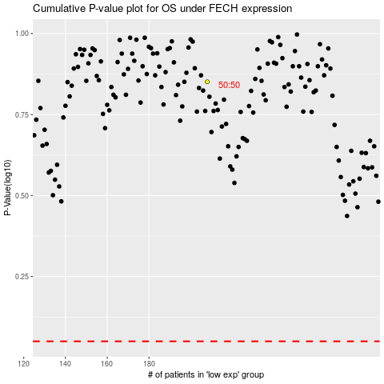

 |  |  |  |  |  | cases_OS | p_OS | rank | exp
 |  |  |  |  |  |  | cases_RFS | p_RFS | rank | exp

