FEM1B _multivariate
Reported by Tex Li-Hsing Chi. tex@gate.sinica.edu.tw 2019-08-19

Table 2. The clinicopathological features of HNSCC cohort and FEM1B expression. (Chi square test)
Cutoff at -0.139 (50.0%)
 |  | FEM1B expression |  | FEM1B expression |  | (Optimised)
 | Features | Low | (%) | High | (%) | Case no | P-value | Remark | Matthews
Gender | Female | 159 | 38.3 | 147 | 35.4 | 415 | 0.1905 | 0 | 0
2 | Male | 48 | 11.6 | 61 | 14.7
Age at diagnosis | <=65y | 139 | 33.5 | 135 | 32.5 | 415 | 0.7044 | 0 | 0
4 | >65y | 68 | 16.4 | 73 | 17.6
Clinical T Status | T1+T2 | 83 | 20 | 66 | 15.9 | 415 | 0.0941 | 0 | 0
6 | T3+T4 | 124 | 29.9 | 142 | 34.2
Clinical N Status | N0 | 96 | 23.1 | 120 | 28.9 | 415 | 0.0272 | 1 | 0
8 | N1-3 | 111 | 26.7 | 88 | 21.2
Clinical M Status | M0 | 206 | 49.6 | 206 | 49.6 | 415 | 1 | 0 | 0
10 | M1 | 1 | 0.2 | 2 | 0.5
Clinical Stage | Stage I+II | 51 | 12.3 | 51 | 12.3 | 415 | 1 | 0 | 0
12 | Stage III+IV | 156 | 37.6 | 157 | 37.8
Surgical Margin status | Negative | 159 | 38.3 | 159 | 38.3 | 415 | 1 | 0 | 0
14 | Positive | 48 | 11.6 | 49 | 11.8
Tobacco Exposure | Low | 79 | 19 | 82 | 19.8 | 415 | 0.8405 | 0 | 0
16 | High | 128 | 30.8 | 126 | 30.4

Table 3. Univariate/Multivariate Cox's proportional hazards regression analyses on OS time of FEM1B gene expression in HNSCC

 |  | Univariate |  |  |  | Multivariate
 | Features | HR | CI95%(L) | CI95%(H) | P-value | HR | CI95%(L) | CI95%(H) | P-value
1 | Female | 1 |  |  |  | 1
Gender | Male | 1.157 | 0.843 | 1.587 | 0.367 | 1.177 | 0.842 | 1.646 | 0.339
11 | <=65y | 1 |  |  |  | 1
Age at diagnosis | >65y | 1.329 | 0.99 | 1.784 | 0.058 | 1.411 | 1.037 | 1.92 | 0.029
12 | T1+T2 | 1 |  |  |  | 1
Clinical T Status | T3+T4 | 1.409 | 1.028 | 1.931 | 0.033 | 2.146 | 1.134 | 4.061 | 0.019
13 | N0 | 1 |  |  |  | 1
Clinical N Status | N1-3 | 1.185 | 0.89 | 1.577 | 0.246 | 1.31 | 0.913 | 1.881 | 0.143
14 | M0 | 1 |  |  |  | 1
Clinical M Status | M1 | 4.097 | 1.009 | 16.644 | 0.049 | 8.8 | 1.916 | 40.424 | 0.005
15 | Stage I+II | 1 |  |  |  | 1
Clinical Stage | Stage III+IV | 1.245 | 0.882 | 1.759 | 0.213 | 0.502 | 0.234 | 1.079 | 0.078
16 | Negative | 1 |  |  |  | 1
Surgical Margin status | Positive | 1.591 | 1.155 | 2.191 | 0.004 | 1.677 | 1.213 | 2.319 | 0.002
17 | Low | 1 |  |  |  | 1
Tobacco Exposure | High | 1.364 | 1.008 | 1.844 | 0.044 | 1.46 | 1.06 | 2.012 | 0.021
18 | Low | 1 |  |  |  | 1
RNAseq(z-score) | High | 1.299 | 0.972 | 1.736 | 0.077 | 1.306 | 0.971 | 1.758 | 0.078

Table 4. Univariate/Multivariate Cox's proportional hazards regression analyses on RFS time of FEM1B gene expression in HNSCC

 |  | Univariate |  |  |  | Multivariate
 | Features | HR | CI95%(L) | CI95%(H) | P-value | HR | CI95%(L) | CI95%(H) | P-value
1 | Female | 1 |  |  |  | 1
Gender | Male | 1.157 | 0.843 | 1.587 | 0.367 | 1.177 | 0.842 | 1.646 | 0.339
11 | <=65y | 1 |  |  |  | 1
Age at diagnosis | >65y | 1.329 | 0.99 | 1.784 | 0.058 | 1.411 | 1.037 | 1.92 | 0.029
12 | T1+T2 | 1 |  |  |  | 1
Clinical T Status | T3+T4 | 1.409 | 1.028 | 1.931 | 0.033 | 2.146 | 1.134 | 4.061 | 0.019
13 | N0 | 1 |  |  |  | 1
Clinical N Status | N1-3 | 1.185 | 0.89 | 1.577 | 0.246 | 1.31 | 0.913 | 1.881 | 0.143
14 | M0 | 1 |  |  |  | 1
Clinical M Status | M1 | 4.097 | 1.009 | 16.644 | 0.049 | 8.8 | 1.916 | 40.424 | 0.005
15 | Stage I+II | 1 |  |  |  | 1
Clinical Stage | Stage III+IV | 1.245 | 0.882 | 1.759 | 0.213 | 0.502 | 0.234 | 1.079 | 0.078
16 | Negative | 1 |  |  |  | 1
Surgical Margin status | Positive | 1.591 | 1.155 | 2.191 | 0.004 | 1.677 | 1.213 | 2.319 | 0.002
17 | Low | 1 |  |  |  | 1
Tobacco Exposure | High | 1.364 | 1.008 | 1.844 | 0.044 | 1.46 | 1.06 | 2.012 | 0.021
18 | Low | 1 |  |  |  | 1
RNAseq(z-score) | High | 1.299 | 0.972 | 1.736 | 0.077 | 1.306 | 0.971 | 1.758 | 0.078

Kaplan-Meier survival estimate: Cutoff at -0.139 (50.0%)



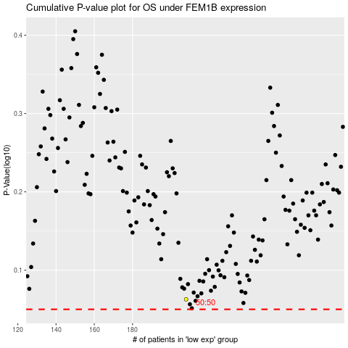

 |  |  |  |  |  | cases_OS | p_OS | rank | exp
 |  |  |  |  |  |  | cases_RFS | p_RFS | rank | exp

