FEN1 _multivariate
Reported by Tex Li-Hsing Chi. tex@gate.sinica.edu.tw 2019-08-19

Table 2. The clinicopathological features of HNSCC cohort and FEN1 expression. (Chi square test)
Cutoff at -0.235 (44.0%)
 |  | FEN1 expression |  | FEN1 expression |  | (Optimised)
 | Features | Low | (%) | High | (%) | Case no | P-value | Remark | Matthews
Gender | Female | 128 | 30.8 | 178 | 42.9 | 415 | 0.1483 | 0 | 0
2 | Male | 55 | 13.3 | 54 | 13
Age at diagnosis | <=65y | 117 | 28.2 | 157 | 37.8 | 415 | 0.4878 | 0 | 0
4 | >65y | 66 | 15.9 | 75 | 18.1
Clinical T Status | T1+T2 | 57 | 13.7 | 92 | 22.2 | 415 | 0.0909 | 0 | 0
6 | T3+T4 | 126 | 30.4 | 140 | 33.7
Clinical N Status | N0 | 104 | 25.1 | 112 | 27 | 415 | 0.1025 | 0 | 0
8 | N1-3 | 79 | 19 | 120 | 28.9
Clinical M Status | M0 | 183 | 44.1 | 229 | 55.2 | 415 | 0.2587 | 0 | 0
10 | M1 | 0 | 0 | 3 | 0.7
Clinical Stage | Stage I+II | 43 | 10.4 | 59 | 14.2 | 415 | 0.7343 | 0 | 0
12 | Stage III+IV | 140 | 33.7 | 173 | 41.7
Surgical Margin status | Negative | 152 | 36.6 | 166 | 40 | 415 | 0.0071 | 1 | 0
14 | Positive | 31 | 7.5 | 66 | 15.9
Tobacco Exposure | Low | 76 | 18.3 | 85 | 20.5 | 415 | 0.3127 | 0 | 0
16 | High | 107 | 25.8 | 147 | 35.4

Table 3. Univariate/Multivariate Cox's proportional hazards regression analyses on OS time of FEN1 gene expression in HNSCC

 |  | Univariate |  |  |  | Multivariate
 | Features | HR | CI95%(L) | CI95%(H) | P-value | HR | CI95%(L) | CI95%(H) | P-value
1 | Female | 1 |  |  |  | 1
Gender | Male | 1.157 | 0.843 | 1.587 | 0.367 | 1.233 | 0.881 | 1.725 | 0.222
11 | <=65y | 1 |  |  |  | 1
Age at diagnosis | >65y | 1.329 | 0.99 | 1.784 | 0.058 | 1.379 | 1.015 | 1.873 | 0.04
12 | T1+T2 | 1 |  |  |  | 1
Clinical T Status | T3+T4 | 1.409 | 1.028 | 1.931 | 0.033 | 2.295 | 1.211 | 4.348 | 0.011
13 | N0 | 1 |  |  |  | 1
Clinical N Status | N1-3 | 1.185 | 0.89 | 1.577 | 0.246 | 1.214 | 0.85 | 1.735 | 0.287
14 | M0 | 1 |  |  |  | 1
Clinical M Status | M1 | 4.097 | 1.009 | 16.644 | 0.049 | 8.818 | 1.92 | 40.502 | 0.005
15 | Stage I+II | 1 |  |  |  | 1
Clinical Stage | Stage III+IV | 1.245 | 0.882 | 1.759 | 0.213 | 0.503 | 0.234 | 1.08 | 0.078
16 | Negative | 1 |  |  |  | 1
Surgical Margin status | Positive | 1.591 | 1.155 | 2.191 | 0.004 | 1.582 | 1.137 | 2.2 | 0.006
17 | Low | 1 |  |  |  | 1
Tobacco Exposure | High | 1.364 | 1.008 | 1.844 | 0.044 | 1.429 | 1.036 | 1.97 | 0.03
18 | Low | 1 |  |  |  | 1
RNAseq(z-score) | High | 1.349 | 1.007 | 1.806 | 0.045 | 1.283 | 0.947 | 1.74 | 0.108

Table 4. Univariate/Multivariate Cox's proportional hazards regression analyses on RFS time of FEN1 gene expression in HNSCC

 |  | Univariate |  |  |  | Multivariate
 | Features | HR | CI95%(L) | CI95%(H) | P-value | HR | CI95%(L) | CI95%(H) | P-value
1 | Female | 1 |  |  |  | 1
Gender | Male | 1.157 | 0.843 | 1.587 | 0.367 | 1.233 | 0.881 | 1.725 | 0.222
11 | <=65y | 1 |  |  |  | 1
Age at diagnosis | >65y | 1.329 | 0.99 | 1.784 | 0.058 | 1.379 | 1.015 | 1.873 | 0.04
12 | T1+T2 | 1 |  |  |  | 1
Clinical T Status | T3+T4 | 1.409 | 1.028 | 1.931 | 0.033 | 2.295 | 1.211 | 4.348 | 0.011
13 | N0 | 1 |  |  |  | 1
Clinical N Status | N1-3 | 1.185 | 0.89 | 1.577 | 0.246 | 1.214 | 0.85 | 1.735 | 0.287
14 | M0 | 1 |  |  |  | 1
Clinical M Status | M1 | 4.097 | 1.009 | 16.644 | 0.049 | 8.818 | 1.92 | 40.502 | 0.005
15 | Stage I+II | 1 |  |  |  | 1
Clinical Stage | Stage III+IV | 1.245 | 0.882 | 1.759 | 0.213 | 0.503 | 0.234 | 1.08 | 0.078
16 | Negative | 1 |  |  |  | 1
Surgical Margin status | Positive | 1.591 | 1.155 | 2.191 | 0.004 | 1.582 | 1.137 | 2.2 | 0.006
17 | Low | 1 |  |  |  | 1
Tobacco Exposure | High | 1.364 | 1.008 | 1.844 | 0.044 | 1.429 | 1.036 | 1.97 | 0.03
18 | Low | 1 |  |  |  | 1
RNAseq(z-score) | High | 1.349 | 1.007 | 1.806 | 0.045 | 1.283 | 0.947 | 1.74 | 0.108

Kaplan-Meier survival estimate: Cutoff at -0.235 (44.0%)



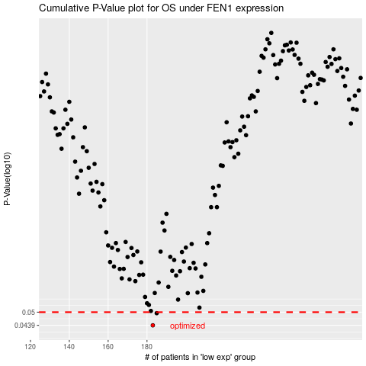

 |  |  |  |  |  | cases_OS | p_OS | rank | exp
 |  |  |  |  |  | 183 | 0.0439 | 201 | -0.23529643623
 |  |  |  |  |  | 185 | 0.0495 | 191 | -0.22292920419
 |  |  |  |  |  |  | cases_RFS | p_RFS | rank | exp
 |  |  |  |  |  |  | 182 | 0.0439 | 187 | -0.24045673794
 |  |  |  |  |  |  | 184 | 0.0495 | 126 | -0.22960624459

