FERMT1 _multivariate
Reported by Tex Li-Hsing Chi. tex@gate.sinica.edu.tw 2019-08-19

Table 2. The clinicopathological features of HNSCC cohort and FERMT1 expression. (Chi square test)
Cutoff at -0.193 (50.0%)
 |  | FERMT1 expression |  | FERMT1 expression |  | (Optimised)
 | Features | Low | (%) | High | (%) | Case no | P-value | Remark | Matthews
Gender | Female | 167 | 40.2 | 139 | 33.5 | 415 | 0.002 | 1 | 0
2 | Male | 40 | 9.6 | 69 | 16.6
Age at diagnosis | <=65y | 134 | 32.3 | 140 | 33.7 | 415 | 0.6529 | 0 | 0
4 | >65y | 73 | 17.6 | 68 | 16.4
Clinical T Status | T1+T2 | 73 | 17.6 | 76 | 18.3 | 415 | 0.8666 | 0 | 0
6 | T3+T4 | 134 | 32.3 | 132 | 31.8
Clinical N Status | N0 | 100 | 24.1 | 116 | 28 | 415 | 0.1548 | 0 | 0
8 | N1-3 | 107 | 25.8 | 92 | 22.2
Clinical M Status | M0 | 206 | 49.6 | 206 | 49.6 | 415 | 1 | 0 | 0
10 | M1 | 1 | 0.2 | 2 | 0.5
Clinical Stage | Stage I+II | 42 | 10.1 | 60 | 14.5 | 415 | 0.0561 | 0 | 0
12 | Stage III+IV | 165 | 39.8 | 148 | 35.7
Surgical Margin status | Negative | 151 | 36.4 | 167 | 40.2 | 415 | 0.0828 | 0 | 0
14 | Positive | 56 | 13.5 | 41 | 9.9
Tobacco Exposure | Low | 67 | 16.1 | 94 | 22.7 | 415 | 0.0088 | 1 | 0
16 | High | 140 | 33.7 | 114 | 27.5

Table 3. Univariate/Multivariate Cox's proportional hazards regression analyses on OS time of FERMT1 gene expression in HNSCC

 |  | Univariate |  |  |  | Multivariate
 | Features | HR | CI95%(L) | CI95%(H) | P-value | HR | CI95%(L) | CI95%(H) | P-value
1 | Female | 1 |  |  |  | 1
Gender | Male | 1.157 | 0.843 | 1.587 | 0.367 | 1.182 | 0.842 | 1.66 | 0.335
11 | <=65y | 1 |  |  |  | 1
Age at diagnosis | >65y | 1.329 | 0.99 | 1.784 | 0.058 | 1.402 | 1.031 | 1.908 | 0.031
12 | T1+T2 | 1 |  |  |  | 1
Clinical T Status | T3+T4 | 1.409 | 1.028 | 1.931 | 0.033 | 2.182 | 1.153 | 4.13 | 0.017
13 | N0 | 1 |  |  |  | 1
Clinical N Status | N1-3 | 1.185 | 0.89 | 1.577 | 0.246 | 1.246 | 0.873 | 1.779 | 0.225
14 | M0 | 1 |  |  |  | 1
Clinical M Status | M1 | 4.097 | 1.009 | 16.644 | 0.049 | 9.175 | 1.996 | 42.161 | 0.004
15 | Stage I+II | 1 |  |  |  | 1
Clinical Stage | Stage III+IV | 1.245 | 0.882 | 1.759 | 0.213 | 0.512 | 0.238 | 1.102 | 0.087
16 | Negative | 1 |  |  |  | 1
Surgical Margin status | Positive | 1.591 | 1.155 | 2.191 | 0.004 | 1.685 | 1.218 | 2.331 | 0.002
17 | Low | 1 |  |  |  | 1
Tobacco Exposure | High | 1.364 | 1.008 | 1.844 | 0.044 | 1.467 | 1.063 | 2.025 | 0.02
18 | Low | 1 |  |  |  | 1
RNAseq(z-score) | High | 1.02 | 0.766 | 1.359 | 0.892 | 1.088 | 0.806 | 1.467 | 0.581

Table 4. Univariate/Multivariate Cox's proportional hazards regression analyses on RFS time of FERMT1 gene expression in HNSCC

 |  | Univariate |  |  |  | Multivariate
 | Features | HR | CI95%(L) | CI95%(H) | P-value | HR | CI95%(L) | CI95%(H) | P-value
1 | Female | 1 |  |  |  | 1
Gender | Male | 1.157 | 0.843 | 1.587 | 0.367 | 1.182 | 0.842 | 1.66 | 0.335
11 | <=65y | 1 |  |  |  | 1
Age at diagnosis | >65y | 1.329 | 0.99 | 1.784 | 0.058 | 1.402 | 1.031 | 1.908 | 0.031
12 | T1+T2 | 1 |  |  |  | 1
Clinical T Status | T3+T4 | 1.409 | 1.028 | 1.931 | 0.033 | 2.182 | 1.153 | 4.13 | 0.017
13 | N0 | 1 |  |  |  | 1
Clinical N Status | N1-3 | 1.185 | 0.89 | 1.577 | 0.246 | 1.246 | 0.873 | 1.779 | 0.225
14 | M0 | 1 |  |  |  | 1
Clinical M Status | M1 | 4.097 | 1.009 | 16.644 | 0.049 | 9.175 | 1.996 | 42.161 | 0.004
15 | Stage I+II | 1 |  |  |  | 1
Clinical Stage | Stage III+IV | 1.245 | 0.882 | 1.759 | 0.213 | 0.512 | 0.238 | 1.102 | 0.087
16 | Negative | 1 |  |  |  | 1
Surgical Margin status | Positive | 1.591 | 1.155 | 2.191 | 0.004 | 1.685 | 1.218 | 2.331 | 0.002
17 | Low | 1 |  |  |  | 1
Tobacco Exposure | High | 1.364 | 1.008 | 1.844 | 0.044 | 1.467 | 1.063 | 2.025 | 0.02
18 | Low | 1 |  |  |  | 1
RNAseq(z-score) | High | 1.02 | 0.766 | 1.359 | 0.892 | 1.088 | 0.806 | 1.467 | 0.581

Kaplan-Meier survival estimate: Cutoff at -0.193 (50.0%)



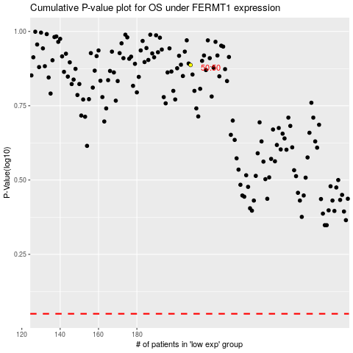

 |  |  |  |  |  | cases_OS | p_OS | rank | exp
 |  |  |  |  |  |  | cases_RFS | p_RFS | rank | exp

