FERMT2 _multivariate
Reported by Tex Li-Hsing Chi. tex@gate.sinica.edu.tw 2019-08-19

Table 2. The clinicopathological features of HNSCC cohort and FERMT2 expression. (Chi square test)
Cutoff at 0.005 (63.5%)
 |  | FERMT2 expression |  | FERMT2 expression |  | (Optimised)
 | Features | Low | (%) | High | (%) | Case no | P-value | Remark | Matthews
Gender | Female | 192 | 46.3 | 114 | 27.5 | 415 | 0.6165 | 0 | 0
2 | Male | 72 | 17.3 | 37 | 8.9
Age at diagnosis | <=65y | 176 | 42.4 | 98 | 23.6 | 415 | 0.7966 | 0 | 0
4 | >65y | 88 | 21.2 | 53 | 12.8
Clinical T Status | T1+T2 | 102 | 24.6 | 47 | 11.3 | 415 | 0.1533 | 0 | 0
6 | T3+T4 | 162 | 39 | 104 | 25.1
Clinical N Status | N0 | 140 | 33.7 | 76 | 18.3 | 415 | 0.6691 | 0 | 0
8 | N1-3 | 124 | 29.9 | 75 | 18.1
Clinical M Status | M0 | 261 | 62.9 | 151 | 36.4 | 415 | 0.5567 | 0 | 0
10 | M1 | 3 | 0.7 | 0 | 0
Clinical Stage | Stage I+II | 68 | 16.4 | 34 | 8.2 | 415 | 0.5357 | 0 | 0
12 | Stage III+IV | 196 | 47.2 | 117 | 28.2
Surgical Margin status | Negative | 207 | 49.9 | 111 | 26.7 | 415 | 0.2787 | 0 | 0
14 | Positive | 57 | 13.7 | 40 | 9.6
Tobacco Exposure | Low | 115 | 27.7 | 46 | 11.1 | 415 | 0.009 | 1 | 0
16 | High | 149 | 35.9 | 105 | 25.3

Table 3. Univariate/Multivariate Cox's proportional hazards regression analyses on OS time of FERMT2 gene expression in HNSCC

 |  | Univariate |  |  |  | Multivariate
 | Features | HR | CI95%(L) | CI95%(H) | P-value | HR | CI95%(L) | CI95%(H) | P-value
1 | Female | 1 |  |  |  | 1
Gender | Male | 1.157 | 0.843 | 1.587 | 0.367 | 1.198 | 0.858 | 1.672 | 0.289
11 | <=65y | 1 |  |  |  | 1
Age at diagnosis | >65y | 1.329 | 0.99 | 1.784 | 0.058 | 1.386 | 1.02 | 1.883 | 0.037
12 | T1+T2 | 1 |  |  |  | 1
Clinical T Status | T3+T4 | 1.409 | 1.028 | 1.931 | 0.033 | 2.146 | 1.134 | 4.063 | 0.019
13 | N0 | 1 |  |  |  | 1
Clinical N Status | N1-3 | 1.185 | 0.89 | 1.577 | 0.246 | 1.248 | 0.875 | 1.782 | 0.222
14 | M0 | 1 |  |  |  | 1
Clinical M Status | M1 | 4.097 | 1.009 | 16.644 | 0.049 | 10.127 | 2.203 | 46.563 | 0.003
15 | Stage I+II | 1 |  |  |  | 1
Clinical Stage | Stage III+IV | 1.245 | 0.882 | 1.759 | 0.213 | 0.504 | 0.235 | 1.083 | 0.079
16 | Negative | 1 |  |  |  | 1
Surgical Margin status | Positive | 1.591 | 1.155 | 2.191 | 0.004 | 1.664 | 1.204 | 2.299 | 0.002
17 | Low | 1 |  |  |  | 1
Tobacco Exposure | High | 1.364 | 1.008 | 1.844 | 0.044 | 1.419 | 1.029 | 1.956 | 0.033
18 | Low | 1 |  |  |  | 1
RNAseq(z-score) | High | 1.346 | 1.004 | 1.806 | 0.047 | 1.276 | 0.947 | 1.718 | 0.109

Table 4. Univariate/Multivariate Cox's proportional hazards regression analyses on RFS time of FERMT2 gene expression in HNSCC

 |  | Univariate |  |  |  | Multivariate
 | Features | HR | CI95%(L) | CI95%(H) | P-value | HR | CI95%(L) | CI95%(H) | P-value
1 | Female | 1 |  |  |  | 1
Gender | Male | 1.157 | 0.843 | 1.587 | 0.367 | 1.198 | 0.858 | 1.672 | 0.289
11 | <=65y | 1 |  |  |  | 1
Age at diagnosis | >65y | 1.329 | 0.99 | 1.784 | 0.058 | 1.386 | 1.02 | 1.883 | 0.037
12 | T1+T2 | 1 |  |  |  | 1
Clinical T Status | T3+T4 | 1.409 | 1.028 | 1.931 | 0.033 | 2.146 | 1.134 | 4.063 | 0.019
13 | N0 | 1 |  |  |  | 1
Clinical N Status | N1-3 | 1.185 | 0.89 | 1.577 | 0.246 | 1.248 | 0.875 | 1.782 | 0.222
14 | M0 | 1 |  |  |  | 1
Clinical M Status | M1 | 4.097 | 1.009 | 16.644 | 0.049 | 10.127 | 2.203 | 46.563 | 0.003
15 | Stage I+II | 1 |  |  |  | 1
Clinical Stage | Stage III+IV | 1.245 | 0.882 | 1.759 | 0.213 | 0.504 | 0.235 | 1.083 | 0.079
16 | Negative | 1 |  |  |  | 1
Surgical Margin status | Positive | 1.591 | 1.155 | 2.191 | 0.004 | 1.664 | 1.204 | 2.299 | 0.002
17 | Low | 1 |  |  |  | 1
Tobacco Exposure | High | 1.364 | 1.008 | 1.844 | 0.044 | 1.419 | 1.029 | 1.956 | 0.033
18 | Low | 1 |  |  |  | 1
RNAseq(z-score) | High | 1.346 | 1.004 | 1.806 | 0.047 | 1.276 | 0.947 | 1.718 | 0.109

Kaplan-Meier survival estimate: Cutoff at 0.005 (63.5%)



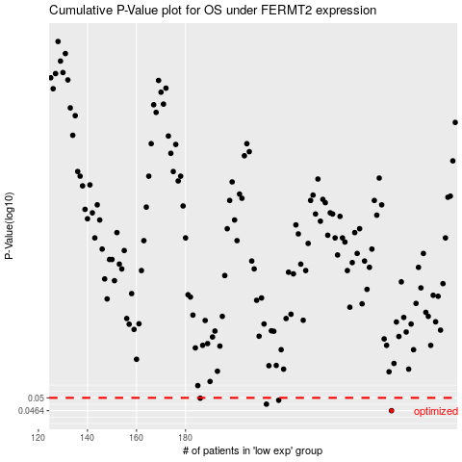

 |  |  |  |  |  | cases_OS | p_OS | rank | exp
 |  |  |  |  |  | 264 | 0.0464 | 58 | 0.0050433764045
 |  |  |  |  |  | 213 | 0.0482 | 404 | -0.19803760688
 |  |  |  |  |  | 218 | 0.0493 | 223 | -0.17576868687
 |  |  |  |  |  | 186 | 0.0499 | 287 | -0.28987448203
 |  |  |  |  |  |  | cases_RFS | p_RFS | rank | exp
 |  |  |  |  |  |  | 263 | 0.0464 | 169 | 0.0037393138086
 |  |  |  |  |  |  | 212 | 0.0482 | 219 | -0.19924668979
 |  |  |  |  |  |  | 217 | 0.0493 | 150 | -0.19041887928
 |  |  |  |  |  |  | 185 | 0.0499 | 46 | -0.29681584335

