FERMT3 _multivariate
Reported by Tex Li-Hsing Chi. tex@gate.sinica.edu.tw 2019-08-19

Table 2. The clinicopathological features of HNSCC cohort and FERMT3 expression. (Chi square test)
Cutoff at -0.35 (49.8%)
 |  | FERMT3 expression |  | FERMT3 expression |  | (Optimised)
 | Features | Low | (%) | High | (%) | Case no | P-value | Remark | Matthews
Gender | Female | 158 | 38.1 | 148 | 35.7 | 415 | 0.2774 | 0 | 0
2 | Male | 49 | 11.8 | 60 | 14.5
Age at diagnosis | <=65y | 142 | 34.2 | 132 | 31.8 | 415 | 0.3167 | 0 | 0
4 | >65y | 65 | 15.7 | 76 | 18.3
Clinical T Status | T1+T2 | 65 | 15.7 | 84 | 20.2 | 415 | 0.0711 | 0 | 0
6 | T3+T4 | 142 | 34.2 | 124 | 29.9
Clinical N Status | N0 | 120 | 28.9 | 96 | 23.1 | 415 | 0.0208 | 1 | 0
8 | N1-3 | 87 | 21 | 112 | 27
Clinical M Status | M0 | 206 | 49.6 | 206 | 49.6 | 415 | 1 | 0 | 0
10 | M1 | 1 | 0.2 | 2 | 0.5
Clinical Stage | Stage I+II | 46 | 11.1 | 56 | 13.5 | 415 | 0.3182 | 0 | 0
12 | Stage III+IV | 161 | 38.8 | 152 | 36.6
Surgical Margin status | Negative | 154 | 37.1 | 164 | 39.5 | 415 | 0.2984 | 0 | 0
14 | Positive | 53 | 12.8 | 44 | 10.6
Tobacco Exposure | Low | 74 | 17.8 | 87 | 21 | 415 | 0.227 | 0 | 0
16 | High | 133 | 32 | 121 | 29.2

Table 3. Univariate/Multivariate Cox's proportional hazards regression analyses on OS time of FERMT3 gene expression in HNSCC

 |  | Univariate |  |  |  | Multivariate
 | Features | HR | CI95%(L) | CI95%(H) | P-value | HR | CI95%(L) | CI95%(H) | P-value
1 | Female | 1 |  |  |  | 1
Gender | Male | 1.157 | 0.843 | 1.587 | 0.367 | 1.202 | 0.86 | 1.68 | 0.281
11 | <=65y | 1 |  |  |  | 1
Age at diagnosis | >65y | 1.329 | 0.99 | 1.784 | 0.058 | 1.394 | 1.025 | 1.894 | 0.034
12 | T1+T2 | 1 |  |  |  | 1
Clinical T Status | T3+T4 | 1.409 | 1.028 | 1.931 | 0.033 | 2.196 | 1.162 | 4.152 | 0.015
13 | N0 | 1 |  |  |  | 1
Clinical N Status | N1-3 | 1.185 | 0.89 | 1.577 | 0.246 | 1.276 | 0.889 | 1.829 | 0.186
14 | M0 | 1 |  |  |  | 1
Clinical M Status | M1 | 4.097 | 1.009 | 16.644 | 0.049 | 9.675 | 2.108 | 44.406 | 0.004
15 | Stage I+II | 1 |  |  |  | 1
Clinical Stage | Stage III+IV | 1.245 | 0.882 | 1.759 | 0.213 | 0.494 | 0.23 | 1.062 | 0.071
16 | Negative | 1 |  |  |  | 1
Surgical Margin status | Positive | 1.591 | 1.155 | 2.191 | 0.004 | 1.669 | 1.208 | 2.306 | 0.002
17 | Low | 1 |  |  |  | 1
Tobacco Exposure | High | 1.364 | 1.008 | 1.844 | 0.044 | 1.444 | 1.047 | 1.991 | 0.025
18 | Low | 1 |  |  |  | 1
RNAseq(z-score) | High | 0.887 | 0.665 | 1.182 | 0.412 | 0.88 | 0.657 | 1.18 | 0.394

Table 4. Univariate/Multivariate Cox's proportional hazards regression analyses on RFS time of FERMT3 gene expression in HNSCC

 |  | Univariate |  |  |  | Multivariate
 | Features | HR | CI95%(L) | CI95%(H) | P-value | HR | CI95%(L) | CI95%(H) | P-value
1 | Female | 1 |  |  |  | 1
Gender | Male | 1.157 | 0.843 | 1.587 | 0.367 | 1.202 | 0.86 | 1.68 | 0.281
11 | <=65y | 1 |  |  |  | 1
Age at diagnosis | >65y | 1.329 | 0.99 | 1.784 | 0.058 | 1.394 | 1.025 | 1.894 | 0.034
12 | T1+T2 | 1 |  |  |  | 1
Clinical T Status | T3+T4 | 1.409 | 1.028 | 1.931 | 0.033 | 2.196 | 1.162 | 4.152 | 0.015
13 | N0 | 1 |  |  |  | 1
Clinical N Status | N1-3 | 1.185 | 0.89 | 1.577 | 0.246 | 1.276 | 0.889 | 1.829 | 0.186
14 | M0 | 1 |  |  |  | 1
Clinical M Status | M1 | 4.097 | 1.009 | 16.644 | 0.049 | 9.675 | 2.108 | 44.406 | 0.004
15 | Stage I+II | 1 |  |  |  | 1
Clinical Stage | Stage III+IV | 1.245 | 0.882 | 1.759 | 0.213 | 0.494 | 0.23 | 1.062 | 0.071
16 | Negative | 1 |  |  |  | 1
Surgical Margin status | Positive | 1.591 | 1.155 | 2.191 | 0.004 | 1.669 | 1.208 | 2.306 | 0.002
17 | Low | 1 |  |  |  | 1
Tobacco Exposure | High | 1.364 | 1.008 | 1.844 | 0.044 | 1.444 | 1.047 | 1.991 | 0.025
18 | Low | 1 |  |  |  | 1
RNAseq(z-score) | High | 0.887 | 0.665 | 1.182 | 0.412 | 0.88 | 0.657 | 1.18 | 0.394

Kaplan-Meier survival estimate: Cutoff at -0.35 (49.8%)



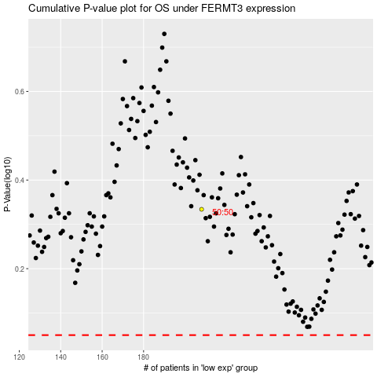

 |  |  |  |  |  | cases_OS | p_OS | rank | exp
 |  |  |  |  |  |  | cases_RFS | p_RFS | rank | exp

