FES _multivariate
Reported by Tex Li-Hsing Chi. tex@gate.sinica.edu.tw 2019-08-19

Table 2. The clinicopathological features of HNSCC cohort and FES expression. (Chi square test)
Cutoff at -0.207 (49.8%)
 |  | FES expression |  | FES expression |  | (Optimised)
 | Features | Low | (%) | High | (%) | Case no | P-value | Remark | Matthews
Gender | Female | 153 | 36.9 | 153 | 36.9 | 415 | 1 | 0 | 0
2 | Male | 54 | 13 | 55 | 13.3
Age at diagnosis | <=65y | 141 | 34 | 133 | 32 | 415 | 0.4272 | 0 | 0
4 | >65y | 66 | 15.9 | 75 | 18.1
Clinical T Status | T1+T2 | 73 | 17.6 | 76 | 18.3 | 415 | 0.8666 | 0 | 0
6 | T3+T4 | 134 | 32.3 | 132 | 31.8
Clinical N Status | N0 | 109 | 26.3 | 107 | 25.8 | 415 | 0.8812 | 0 | 0
8 | N1-3 | 98 | 23.6 | 101 | 24.3
Clinical M Status | M0 | 204 | 49.2 | 208 | 50.1 | 415 | 0.1232 | 0 | 0
10 | M1 | 3 | 0.7 | 0 | 0
Clinical Stage | Stage I+II | 50 | 12 | 52 | 12.5 | 415 | 0.9315 | 0 | 0
12 | Stage III+IV | 157 | 37.8 | 156 | 37.6
Surgical Margin status | Negative | 159 | 38.3 | 159 | 38.3 | 415 | 1 | 0 | 0
14 | Positive | 48 | 11.6 | 49 | 11.8
Tobacco Exposure | Low | 89 | 21.4 | 72 | 17.3 | 415 | 0.0872 | 0 | 0
16 | High | 118 | 28.4 | 136 | 32.8

Table 3. Univariate/Multivariate Cox's proportional hazards regression analyses on OS time of FES gene expression in HNSCC

 |  | Univariate |  |  |  | Multivariate
 | Features | HR | CI95%(L) | CI95%(H) | P-value | HR | CI95%(L) | CI95%(H) | P-value
1 | Female | 1 |  |  |  | 1
Gender | Male | 1.157 | 0.843 | 1.587 | 0.367 | 1.196 | 0.856 | 1.671 | 0.294
11 | <=65y | 1 |  |  |  | 1
Age at diagnosis | >65y | 1.329 | 0.99 | 1.784 | 0.058 | 1.399 | 1.029 | 1.901 | 0.032
12 | T1+T2 | 1 |  |  |  | 1
Clinical T Status | T3+T4 | 1.409 | 1.028 | 1.931 | 0.033 | 2.202 | 1.164 | 4.163 | 0.015
13 | N0 | 1 |  |  |  | 1
Clinical N Status | N1-3 | 1.185 | 0.89 | 1.577 | 0.246 | 1.246 | 0.874 | 1.777 | 0.224
14 | M0 | 1 |  |  |  | 1
Clinical M Status | M1 | 4.097 | 1.009 | 16.644 | 0.049 | 8.64 | 1.873 | 39.846 | 0.006
15 | Stage I+II | 1 |  |  |  | 1
Clinical Stage | Stage III+IV | 1.245 | 0.882 | 1.759 | 0.213 | 0.504 | 0.235 | 1.081 | 0.079
16 | Negative | 1 |  |  |  | 1
Surgical Margin status | Positive | 1.591 | 1.155 | 2.191 | 0.004 | 1.699 | 1.228 | 2.35 | 0.001
17 | Low | 1 |  |  |  | 1
Tobacco Exposure | High | 1.364 | 1.008 | 1.844 | 0.044 | 1.479 | 1.072 | 2.041 | 0.017
18 | Low | 1 |  |  |  | 1
RNAseq(z-score) | High | 0.883 | 0.663 | 1.177 | 0.396 | 0.84 | 0.628 | 1.124 | 0.242

Table 4. Univariate/Multivariate Cox's proportional hazards regression analyses on RFS time of FES gene expression in HNSCC

 |  | Univariate |  |  |  | Multivariate
 | Features | HR | CI95%(L) | CI95%(H) | P-value | HR | CI95%(L) | CI95%(H) | P-value
1 | Female | 1 |  |  |  | 1
Gender | Male | 1.157 | 0.843 | 1.587 | 0.367 | 1.196 | 0.856 | 1.671 | 0.294
11 | <=65y | 1 |  |  |  | 1
Age at diagnosis | >65y | 1.329 | 0.99 | 1.784 | 0.058 | 1.399 | 1.029 | 1.901 | 0.032
12 | T1+T2 | 1 |  |  |  | 1
Clinical T Status | T3+T4 | 1.409 | 1.028 | 1.931 | 0.033 | 2.202 | 1.164 | 4.163 | 0.015
13 | N0 | 1 |  |  |  | 1
Clinical N Status | N1-3 | 1.185 | 0.89 | 1.577 | 0.246 | 1.246 | 0.874 | 1.777 | 0.224
14 | M0 | 1 |  |  |  | 1
Clinical M Status | M1 | 4.097 | 1.009 | 16.644 | 0.049 | 8.64 | 1.873 | 39.846 | 0.006
15 | Stage I+II | 1 |  |  |  | 1
Clinical Stage | Stage III+IV | 1.245 | 0.882 | 1.759 | 0.213 | 0.504 | 0.235 | 1.081 | 0.079
16 | Negative | 1 |  |  |  | 1
Surgical Margin status | Positive | 1.591 | 1.155 | 2.191 | 0.004 | 1.699 | 1.228 | 2.35 | 0.001
17 | Low | 1 |  |  |  | 1
Tobacco Exposure | High | 1.364 | 1.008 | 1.844 | 0.044 | 1.479 | 1.072 | 2.041 | 0.017
18 | Low | 1 |  |  |  | 1
RNAseq(z-score) | High | 0.883 | 0.663 | 1.177 | 0.396 | 0.84 | 0.628 | 1.124 | 0.242

Kaplan-Meier survival estimate: Cutoff at -0.207 (49.8%)



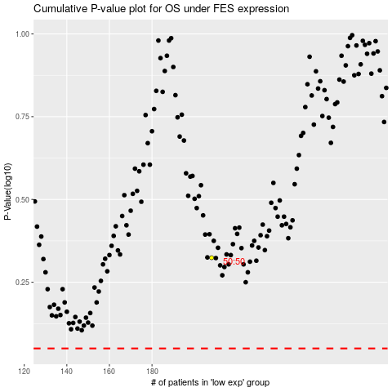

 |  |  |  |  |  | cases_OS | p_OS | rank | exp
 |  |  |  |  |  |  | cases_RFS | p_RFS | rank | exp

