FEZ2 _multivariate
Reported by Tex Li-Hsing Chi. tex@gate.sinica.edu.tw 2019-08-19

Table 2. The clinicopathological features of HNSCC cohort and FEZ2 expression. (Chi square test)
Cutoff at 0.33 (70.0%)
 |  | FEZ2 expression |  | FEZ2 expression |  | (Optimised)
 | Features | Low | (%) | High | (%) | Case no | P-value | Remark | Matthews
Gender | Female | 218 | 52.5 | 88 | 21.2 | 415 | 0.3724 | 0 | 0
2 | Male | 72 | 17.3 | 37 | 8.9
Age at diagnosis | <=65y | 203 | 48.9 | 71 | 17.1 | 415 | 0.0127 | 1 | 0
4 | >65y | 87 | 21 | 54 | 13
Clinical T Status | T1+T2 | 107 | 25.8 | 42 | 10.1 | 415 | 0.5956 | 0 | 0
6 | T3+T4 | 183 | 44.1 | 83 | 20
Clinical N Status | N0 | 149 | 35.9 | 67 | 16.1 | 415 | 0.7578 | 0 | 0
8 | N1-3 | 141 | 34 | 58 | 14
Clinical M Status | M0 | 289 | 69.6 | 123 | 29.6 | 415 | 0.2169 | 0 | 0
10 | M1 | 1 | 0.2 | 2 | 0.5
Clinical Stage | Stage I+II | 74 | 17.8 | 28 | 6.7 | 415 | 0.5807 | 0 | 0
12 | Stage III+IV | 216 | 52 | 97 | 23.4
Surgical Margin status | Negative | 228 | 54.9 | 90 | 21.7 | 415 | 0.1644 | 0 | 0
14 | Positive | 62 | 14.9 | 35 | 8.4
Tobacco Exposure | Low | 104 | 25.1 | 57 | 13.7 | 415 | 0.0787 | 0 | 0
16 | High | 186 | 44.8 | 68 | 16.4

Table 3. Univariate/Multivariate Cox's proportional hazards regression analyses on OS time of FEZ2 gene expression in HNSCC

 |  | Univariate |  |  |  | Multivariate
 | Features | HR | CI95%(L) | CI95%(H) | P-value | HR | CI95%(L) | CI95%(H) | P-value
1 | Female | 1 |  |  |  | 1
Gender | Male | 1.157 | 0.843 | 1.587 | 0.367 | 1.186 | 0.849 | 1.657 | 0.318
11 | <=65y | 1 |  |  |  | 1
Age at diagnosis | >65y | 1.329 | 0.99 | 1.784 | 0.058 | 1.362 | 1 | 1.853 | 0.05
12 | T1+T2 | 1 |  |  |  | 1
Clinical T Status | T3+T4 | 1.409 | 1.028 | 1.931 | 0.033 | 2.174 | 1.15 | 4.111 | 0.017
13 | N0 | 1 |  |  |  | 1
Clinical N Status | N1-3 | 1.185 | 0.89 | 1.577 | 0.246 | 1.268 | 0.887 | 1.812 | 0.192
14 | M0 | 1 |  |  |  | 1
Clinical M Status | M1 | 4.097 | 1.009 | 16.644 | 0.049 | 8.358 | 1.815 | 38.494 | 0.006
15 | Stage I+II | 1 |  |  |  | 1
Clinical Stage | Stage III+IV | 1.245 | 0.882 | 1.759 | 0.213 | 0.495 | 0.231 | 1.062 | 0.071
16 | Negative | 1 |  |  |  | 1
Surgical Margin status | Positive | 1.591 | 1.155 | 2.191 | 0.004 | 1.659 | 1.2 | 2.294 | 0.002
17 | Low | 1 |  |  |  | 1
Tobacco Exposure | High | 1.364 | 1.008 | 1.844 | 0.044 | 1.499 | 1.086 | 2.068 | 0.014
18 | Low | 1 |  |  |  | 1
RNAseq(z-score) | High | 1.376 | 1.015 | 1.865 | 0.04 | 1.351 | 0.99 | 1.845 | 0.058

Table 4. Univariate/Multivariate Cox's proportional hazards regression analyses on RFS time of FEZ2 gene expression in HNSCC

 |  | Univariate |  |  |  | Multivariate
 | Features | HR | CI95%(L) | CI95%(H) | P-value | HR | CI95%(L) | CI95%(H) | P-value
1 | Female | 1 |  |  |  | 1
Gender | Male | 1.157 | 0.843 | 1.587 | 0.367 | 1.186 | 0.849 | 1.657 | 0.318
11 | <=65y | 1 |  |  |  | 1
Age at diagnosis | >65y | 1.329 | 0.99 | 1.784 | 0.058 | 1.362 | 1 | 1.853 | 0.05
12 | T1+T2 | 1 |  |  |  | 1
Clinical T Status | T3+T4 | 1.409 | 1.028 | 1.931 | 0.033 | 2.174 | 1.15 | 4.111 | 0.017
13 | N0 | 1 |  |  |  | 1
Clinical N Status | N1-3 | 1.185 | 0.89 | 1.577 | 0.246 | 1.268 | 0.887 | 1.812 | 0.192
14 | M0 | 1 |  |  |  | 1
Clinical M Status | M1 | 4.097 | 1.009 | 16.644 | 0.049 | 8.358 | 1.815 | 38.494 | 0.006
15 | Stage I+II | 1 |  |  |  | 1
Clinical Stage | Stage III+IV | 1.245 | 0.882 | 1.759 | 0.213 | 0.495 | 0.231 | 1.062 | 0.071
16 | Negative | 1 |  |  |  | 1
Surgical Margin status | Positive | 1.591 | 1.155 | 2.191 | 0.004 | 1.659 | 1.2 | 2.294 | 0.002
17 | Low | 1 |  |  |  | 1
Tobacco Exposure | High | 1.364 | 1.008 | 1.844 | 0.044 | 1.499 | 1.086 | 2.068 | 0.014
18 | Low | 1 |  |  |  | 1
RNAseq(z-score) | High | 1.376 | 1.015 | 1.865 | 0.04 | 1.351 | 0.99 | 1.845 | 0.058

Kaplan-Meier survival estimate: Cutoff at 0.33 (70.0%)



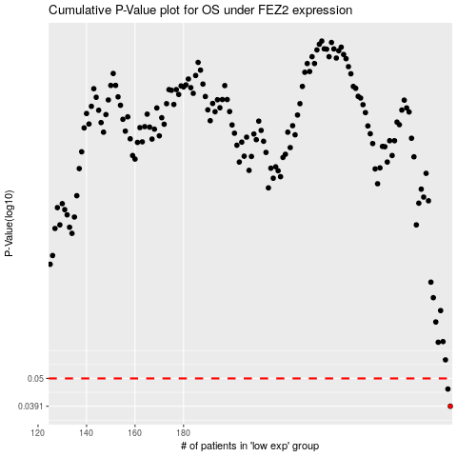

 |  |  |  |  |  | cases_OS | p_OS | rank | exp
 |  |  |  |  |  | 290 | 0.0391 | 128 | 0.33047550072
 |  |  |  |  |  | 289 | 0.0455 | 351 | 0.32653616229
 |  |  |  |  |  |  | cases_RFS | p_RFS | rank | exp
 |  |  |  |  |  |  | 289 | 0.0391 | 351 | 0.32653616229
 |  |  |  |  |  |  | 288 | 0.0455 | 262 | 0.32513659506

