FFAR2 _multivariate
Reported by Tex Li-Hsing Chi. tex@gate.sinica.edu.tw 2019-08-19

Table 2. The clinicopathological features of HNSCC cohort and FFAR2 expression. (Chi square test)
Cutoff at -0.333 (50.0%)
 |  | FFAR2 expression |  | FFAR2 expression |  | (Optimised)
 | Features | Low | (%) | High | (%) | Case no | P-value | Remark | Matthews
Gender | Female | 161 | 38.8 | 145 | 34.9 | 415 | 0.0792 | 0 | 0
2 | Male | 46 | 11.1 | 63 | 15.2
Age at diagnosis | <=65y | 141 | 34 | 133 | 32 | 415 | 0.4272 | 0 | 0
4 | >65y | 66 | 15.9 | 75 | 18.1
Clinical T Status | T1+T2 | 78 | 18.8 | 71 | 17.1 | 415 | 0.5152 | 0 | 0
6 | T3+T4 | 129 | 31.1 | 137 | 33
Clinical N Status | N0 | 107 | 25.8 | 109 | 26.3 | 415 | 0.9624 | 0 | 0
8 | N1-3 | 100 | 24.1 | 99 | 23.9
Clinical M Status | M0 | 205 | 49.4 | 207 | 49.9 | 415 | 0.6232 | 0 | 0
10 | M1 | 2 | 0.5 | 1 | 0.2
Clinical Stage | Stage I+II | 51 | 12.3 | 51 | 12.3 | 415 | 1 | 0 | 0
12 | Stage III+IV | 156 | 37.6 | 157 | 37.8
Surgical Margin status | Negative | 157 | 37.8 | 161 | 38.8 | 415 | 0.729 | 0 | 0
14 | Positive | 50 | 12 | 47 | 11.3
Tobacco Exposure | Low | 74 | 17.8 | 87 | 21 | 415 | 0.227 | 0 | 0
16 | High | 133 | 32 | 121 | 29.2

Table 3. Univariate/Multivariate Cox's proportional hazards regression analyses on OS time of FFAR2 gene expression in HNSCC

 |  | Univariate |  |  |  | Multivariate
 | Features | HR | CI95%(L) | CI95%(H) | P-value | HR | CI95%(L) | CI95%(H) | P-value
1 | Female | 1 |  |  |  | 1
Gender | Male | 1.157 | 0.843 | 1.587 | 0.367 | 1.255 | 0.897 | 1.757 | 0.185
11 | <=65y | 1 |  |  |  | 1
Age at diagnosis | >65y | 1.329 | 0.99 | 1.784 | 0.058 | 1.418 | 1.043 | 1.928 | 0.026
12 | T1+T2 | 1 |  |  |  | 1
Clinical T Status | T3+T4 | 1.409 | 1.028 | 1.931 | 0.033 | 2.349 | 1.239 | 4.453 | 0.009
13 | N0 | 1 |  |  |  | 1
Clinical N Status | N1-3 | 1.185 | 0.89 | 1.577 | 0.246 | 1.26 | 0.882 | 1.799 | 0.203
14 | M0 | 1 |  |  |  | 1
Clinical M Status | M1 | 4.097 | 1.009 | 16.644 | 0.049 | 9.697 | 2.114 | 44.491 | 0.003
15 | Stage I+II | 1 |  |  |  | 1
Clinical Stage | Stage III+IV | 1.245 | 0.882 | 1.759 | 0.213 | 0.472 | 0.219 | 1.017 | 0.055
16 | Negative | 1 |  |  |  | 1
Surgical Margin status | Positive | 1.591 | 1.155 | 2.191 | 0.004 | 1.679 | 1.215 | 2.32 | 0.002
17 | Low | 1 |  |  |  | 1
Tobacco Exposure | High | 1.364 | 1.008 | 1.844 | 0.044 | 1.46 | 1.06 | 2.011 | 0.02
18 | Low | 1 |  |  |  | 1
RNAseq(z-score) | High | 0.819 | 0.613 | 1.092 | 0.173 | 0.744 | 0.554 | 0.999 | 0.049

Table 4. Univariate/Multivariate Cox's proportional hazards regression analyses on RFS time of FFAR2 gene expression in HNSCC

 |  | Univariate |  |  |  | Multivariate
 | Features | HR | CI95%(L) | CI95%(H) | P-value | HR | CI95%(L) | CI95%(H) | P-value
1 | Female | 1 |  |  |  | 1
Gender | Male | 1.157 | 0.843 | 1.587 | 0.367 | 1.255 | 0.897 | 1.757 | 0.185
11 | <=65y | 1 |  |  |  | 1
Age at diagnosis | >65y | 1.329 | 0.99 | 1.784 | 0.058 | 1.418 | 1.043 | 1.928 | 0.026
12 | T1+T2 | 1 |  |  |  | 1
Clinical T Status | T3+T4 | 1.409 | 1.028 | 1.931 | 0.033 | 2.349 | 1.239 | 4.453 | 0.009
13 | N0 | 1 |  |  |  | 1
Clinical N Status | N1-3 | 1.185 | 0.89 | 1.577 | 0.246 | 1.26 | 0.882 | 1.799 | 0.203
14 | M0 | 1 |  |  |  | 1
Clinical M Status | M1 | 4.097 | 1.009 | 16.644 | 0.049 | 9.697 | 2.114 | 44.491 | 0.003
15 | Stage I+II | 1 |  |  |  | 1
Clinical Stage | Stage III+IV | 1.245 | 0.882 | 1.759 | 0.213 | 0.472 | 0.219 | 1.017 | 0.055
16 | Negative | 1 |  |  |  | 1
Surgical Margin status | Positive | 1.591 | 1.155 | 2.191 | 0.004 | 1.679 | 1.215 | 2.32 | 0.002
17 | Low | 1 |  |  |  | 1
Tobacco Exposure | High | 1.364 | 1.008 | 1.844 | 0.044 | 1.46 | 1.06 | 2.011 | 0.02
18 | Low | 1 |  |  |  | 1
RNAseq(z-score) | High | 0.819 | 0.613 | 1.092 | 0.173 | 0.744 | 0.554 | 0.999 | 0.049

Kaplan-Meier survival estimate: Cutoff at -0.333 (50.0%)



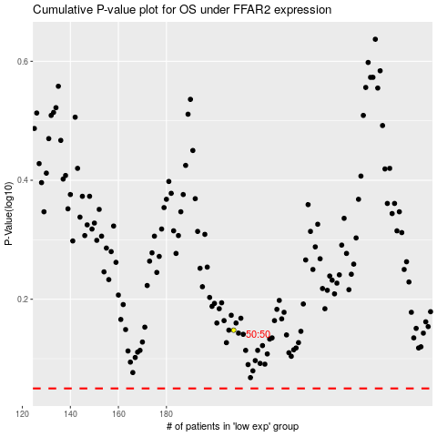

 |  |  |  |  |  | cases_OS | p_OS | rank | exp
 |  |  |  |  |  |  | cases_RFS | p_RFS | rank | exp

