FFAR3 _multivariate
Reported by Tex Li-Hsing Chi. tex@gate.sinica.edu.tw 2019-08-19

Table 2. The clinicopathological features of HNSCC cohort and FFAR3 expression. (Chi square test)
Cutoff at -0.221 (49.8%)
 |  | FFAR3 expression |  | FFAR3 expression |  | (Optimised)
 | Features | Low | (%) | High | (%) | Case no | P-value | Remark | Matthews
Gender | Female | 160 | 38.6 | 146 | 35.2 | 415 | 0.1254 | 0 | 0
2 | Male | 47 | 11.3 | 62 | 14.9
Age at diagnosis | <=65y | 137 | 33 | 137 | 33 | 415 | 1 | 0 | 0
4 | >65y | 70 | 16.9 | 71 | 17.1
Clinical T Status | T1+T2 | 79 | 19 | 70 | 16.9 | 415 | 0.3924 | 0 | 0
6 | T3+T4 | 128 | 30.8 | 138 | 33.3
Clinical N Status | N0 | 113 | 27.2 | 103 | 24.8 | 415 | 0.3495 | 1 | 0
8 | N1-3 | 94 | 22.7 | 105 | 25.3
Clinical M Status | M0 | 205 | 49.4 | 207 | 49.9 | 415 | 0.6232 | 0 | 0
10 | M1 | 2 | 0.5 | 1 | 0.2
Clinical Stage | Stage I+II | 52 | 12.5 | 50 | 12 | 415 | 0.8871 | 0 | 0
12 | Stage III+IV | 155 | 37.3 | 158 | 38.1
Surgical Margin status | Negative | 160 | 38.6 | 158 | 38.1 | 415 | 0.8167 | 0 | 0
14 | Positive | 47 | 11.3 | 50 | 12
Tobacco Exposure | Low | 81 | 19.5 | 80 | 19.3 | 415 | 0.9199 | 0 | 0
16 | High | 126 | 30.4 | 128 | 30.8

Table 3. Univariate/Multivariate Cox's proportional hazards regression analyses on OS time of FFAR3 gene expression in HNSCC

 |  | Univariate |  |  |  | Multivariate
 | Features | HR | CI95%(L) | CI95%(H) | P-value | HR | CI95%(L) | CI95%(H) | P-value
1 | Female | 1 |  |  |  | 1
Gender | Male | 1.157 | 0.843 | 1.587 | 0.367 | 1.201 | 0.86 | 1.676 | 0.282
11 | <=65y | 1 |  |  |  | 1
Age at diagnosis | >65y | 1.329 | 0.99 | 1.784 | 0.058 | 1.397 | 1.027 | 1.899 | 0.033
12 | T1+T2 | 1 |  |  |  | 1
Clinical T Status | T3+T4 | 1.409 | 1.028 | 1.931 | 0.033 | 2.172 | 1.148 | 4.111 | 0.017
13 | N0 | 1 |  |  |  | 1
Clinical N Status | N1-3 | 1.185 | 0.89 | 1.577 | 0.246 | 1.228 | 0.86 | 1.755 | 0.258
14 | M0 | 1 |  |  |  | 1
Clinical M Status | M1 | 4.097 | 1.009 | 16.644 | 0.049 | 9.435 | 2.058 | 43.252 | 0.004
15 | Stage I+II | 1 |  |  |  | 1
Clinical Stage | Stage III+IV | 1.245 | 0.882 | 1.759 | 0.213 | 0.517 | 0.24 | 1.113 | 0.092
16 | Negative | 1 |  |  |  | 1
Surgical Margin status | Positive | 1.591 | 1.155 | 2.191 | 0.004 | 1.647 | 1.19 | 2.282 | 0.003
17 | Low | 1 |  |  |  | 1
Tobacco Exposure | High | 1.364 | 1.008 | 1.844 | 0.044 | 1.455 | 1.057 | 2.004 | 0.022
18 | Low | 1 |  |  |  | 1
RNAseq(z-score) | High | 1.166 | 0.875 | 1.553 | 0.295 | 1.108 | 0.829 | 1.483 | 0.488

Table 4. Univariate/Multivariate Cox's proportional hazards regression analyses on RFS time of FFAR3 gene expression in HNSCC

 |  | Univariate |  |  |  | Multivariate
 | Features | HR | CI95%(L) | CI95%(H) | P-value | HR | CI95%(L) | CI95%(H) | P-value
1 | Female | 1 |  |  |  | 1
Gender | Male | 1.157 | 0.843 | 1.587 | 0.367 | 1.201 | 0.86 | 1.676 | 0.282
11 | <=65y | 1 |  |  |  | 1
Age at diagnosis | >65y | 1.329 | 0.99 | 1.784 | 0.058 | 1.397 | 1.027 | 1.899 | 0.033
12 | T1+T2 | 1 |  |  |  | 1
Clinical T Status | T3+T4 | 1.409 | 1.028 | 1.931 | 0.033 | 2.172 | 1.148 | 4.111 | 0.017
13 | N0 | 1 |  |  |  | 1
Clinical N Status | N1-3 | 1.185 | 0.89 | 1.577 | 0.246 | 1.228 | 0.86 | 1.755 | 0.258
14 | M0 | 1 |  |  |  | 1
Clinical M Status | M1 | 4.097 | 1.009 | 16.644 | 0.049 | 9.435 | 2.058 | 43.252 | 0.004
15 | Stage I+II | 1 |  |  |  | 1
Clinical Stage | Stage III+IV | 1.245 | 0.882 | 1.759 | 0.213 | 0.517 | 0.24 | 1.113 | 0.092
16 | Negative | 1 |  |  |  | 1
Surgical Margin status | Positive | 1.591 | 1.155 | 2.191 | 0.004 | 1.647 | 1.19 | 2.282 | 0.003
17 | Low | 1 |  |  |  | 1
Tobacco Exposure | High | 1.364 | 1.008 | 1.844 | 0.044 | 1.455 | 1.057 | 2.004 | 0.022
18 | Low | 1 |  |  |  | 1
RNAseq(z-score) | High | 1.166 | 0.875 | 1.553 | 0.295 | 1.108 | 0.829 | 1.483 | 0.488

Kaplan-Meier survival estimate: Cutoff at -0.221 (49.8%)



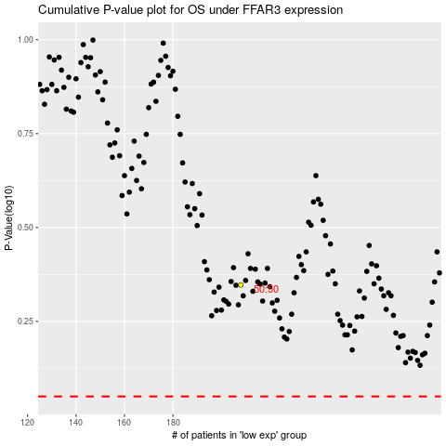

 |  |  |  |  |  | cases_OS | p_OS | rank | exp
 |  |  |  |  |  |  | cases_RFS | p_RFS | rank | exp

