FGF11 _multivariate
Reported by Tex Li-Hsing Chi. tex@gate.sinica.edu.tw 2019-08-19

Table 2. The clinicopathological features of HNSCC cohort and FGF11 expression. (Chi square test)
Cutoff at -0.121 (49.8%)
 |  | FGF11 expression |  | FGF11 expression |  | (Optimised)
 | Features | Low | (%) | High | (%) | Case no | P-value | Remark | Matthews
Gender | Female | 149 | 35.9 | 157 | 37.8 | 415 | 0.4848 | 0 | 0
2 | Male | 58 | 14 | 51 | 12.3
Age at diagnosis | <=65y | 149 | 35.9 | 125 | 30.1 | 415 | 0.0142 | 1 | 0
4 | >65y | 58 | 14 | 83 | 20
Clinical T Status | T1+T2 | 84 | 20.2 | 65 | 15.7 | 415 | 0.0603 | 0 | 0
6 | T3+T4 | 123 | 29.6 | 143 | 34.5
Clinical N Status | N0 | 92 | 22.2 | 124 | 29.9 | 415 | 0.0027 | 1 | 0
8 | N1-3 | 115 | 27.7 | 84 | 20.2
Clinical M Status | M0 | 205 | 49.4 | 207 | 49.9 | 415 | 0.6232 | 0 | 0
10 | M1 | 2 | 0.5 | 1 | 0.2
Clinical Stage | Stage I+II | 50 | 12 | 52 | 12.5 | 415 | 0.9315 | 0 | 0
12 | Stage III+IV | 157 | 37.8 | 156 | 37.6
Surgical Margin status | Negative | 158 | 38.1 | 160 | 38.6 | 415 | 0.9081 | 0 | 0
14 | Positive | 49 | 11.8 | 48 | 11.6
Tobacco Exposure | Low | 82 | 19.8 | 79 | 19 | 415 | 0.763 | 0 | 0
16 | High | 125 | 30.1 | 129 | 31.1

Table 3. Univariate/Multivariate Cox's proportional hazards regression analyses on OS time of FGF11 gene expression in HNSCC

 |  | Univariate |  |  |  | Multivariate
 | Features | HR | CI95%(L) | CI95%(H) | P-value | HR | CI95%(L) | CI95%(H) | P-value
1 | Female | 1 |  |  |  | 1
Gender | Male | 1.157 | 0.843 | 1.587 | 0.367 | 1.202 | 0.862 | 1.676 | 0.279
11 | <=65y | 1 |  |  |  | 1
Age at diagnosis | >65y | 1.329 | 0.99 | 1.784 | 0.058 | 1.438 | 1.055 | 1.961 | 0.022
12 | T1+T2 | 1 |  |  |  | 1
Clinical T Status | T3+T4 | 1.409 | 1.028 | 1.931 | 0.033 | 2.287 | 1.207 | 4.333 | 0.011
13 | N0 | 1 |  |  |  | 1
Clinical N Status | N1-3 | 1.185 | 0.89 | 1.577 | 0.246 | 1.196 | 0.835 | 1.713 | 0.33
14 | M0 | 1 |  |  |  | 1
Clinical M Status | M1 | 4.097 | 1.009 | 16.644 | 0.049 | 9.687 | 2.112 | 44.431 | 0.003
15 | Stage I+II | 1 |  |  |  | 1
Clinical Stage | Stage III+IV | 1.245 | 0.882 | 1.759 | 0.213 | 0.5 | 0.233 | 1.073 | 0.075
16 | Negative | 1 |  |  |  | 1
Surgical Margin status | Positive | 1.591 | 1.155 | 2.191 | 0.004 | 1.649 | 1.193 | 2.28 | 0.002
17 | Low | 1 |  |  |  | 1
Tobacco Exposure | High | 1.364 | 1.008 | 1.844 | 0.044 | 1.473 | 1.069 | 2.028 | 0.018
18 | Low | 1 |  |  |  | 1
RNAseq(z-score) | High | 0.868 | 0.651 | 1.156 | 0.332 | 0.808 | 0.6 | 1.087 | 0.158

Table 4. Univariate/Multivariate Cox's proportional hazards regression analyses on RFS time of FGF11 gene expression in HNSCC

 |  | Univariate |  |  |  | Multivariate
 | Features | HR | CI95%(L) | CI95%(H) | P-value | HR | CI95%(L) | CI95%(H) | P-value
1 | Female | 1 |  |  |  | 1
Gender | Male | 1.157 | 0.843 | 1.587 | 0.367 | 1.202 | 0.862 | 1.676 | 0.279
11 | <=65y | 1 |  |  |  | 1
Age at diagnosis | >65y | 1.329 | 0.99 | 1.784 | 0.058 | 1.438 | 1.055 | 1.961 | 0.022
12 | T1+T2 | 1 |  |  |  | 1
Clinical T Status | T3+T4 | 1.409 | 1.028 | 1.931 | 0.033 | 2.287 | 1.207 | 4.333 | 0.011
13 | N0 | 1 |  |  |  | 1
Clinical N Status | N1-3 | 1.185 | 0.89 | 1.577 | 0.246 | 1.196 | 0.835 | 1.713 | 0.33
14 | M0 | 1 |  |  |  | 1
Clinical M Status | M1 | 4.097 | 1.009 | 16.644 | 0.049 | 9.687 | 2.112 | 44.431 | 0.003
15 | Stage I+II | 1 |  |  |  | 1
Clinical Stage | Stage III+IV | 1.245 | 0.882 | 1.759 | 0.213 | 0.5 | 0.233 | 1.073 | 0.075
16 | Negative | 1 |  |  |  | 1
Surgical Margin status | Positive | 1.591 | 1.155 | 2.191 | 0.004 | 1.649 | 1.193 | 2.28 | 0.002
17 | Low | 1 |  |  |  | 1
Tobacco Exposure | High | 1.364 | 1.008 | 1.844 | 0.044 | 1.473 | 1.069 | 2.028 | 0.018
18 | Low | 1 |  |  |  | 1
RNAseq(z-score) | High | 0.868 | 0.651 | 1.156 | 0.332 | 0.808 | 0.6 | 1.087 | 0.158

Kaplan-Meier survival estimate: Cutoff at -0.121 (49.8%)



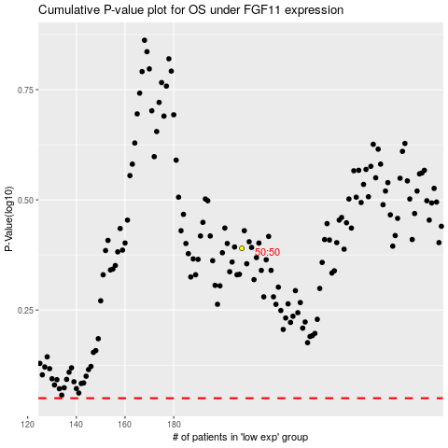

 |  |  |  |  |  | cases_OS | p_OS | rank | exp
 |  |  |  |  |  |  | cases_RFS | p_RFS | rank | exp

