FGF12 _multivariate
Reported by Tex Li-Hsing Chi. tex@gate.sinica.edu.tw 2019-08-19

Table 2. The clinicopathological features of HNSCC cohort and FGF12 expression. (Chi square test)
Cutoff at -0.306 (50.0%)
 |  | FGF12 expression |  | FGF12 expression |  | (Optimised)
 | Features | Low | (%) | High | (%) | Case no | P-value | Remark | Matthews
Gender | Female | 150 | 36.1 | 156 | 37.6 | 415 | 0.6344 | 0 | 0
2 | Male | 57 | 13.7 | 52 | 12.5
Age at diagnosis | <=65y | 133 | 32 | 141 | 34 | 415 | 0.5111 | 0 | 0
4 | >65y | 74 | 17.8 | 67 | 16.1
Clinical T Status | T1+T2 | 81 | 19.5 | 68 | 16.4 | 415 | 0.206 | 0 | 0
6 | T3+T4 | 126 | 30.4 | 140 | 33.7
Clinical N Status | N0 | 105 | 25.3 | 111 | 26.7 | 415 | 0.6598 | 0 | 0
8 | N1-3 | 102 | 24.6 | 97 | 23.4
Clinical M Status | M0 | 205 | 49.4 | 207 | 49.9 | 415 | 0.6232 | 0 | 0
10 | M1 | 2 | 0.5 | 1 | 0.2
Clinical Stage | Stage I+II | 60 | 14.5 | 42 | 10.1 | 415 | 0.0493 | 1 | 0
12 | Stage III+IV | 147 | 35.4 | 166 | 40
Surgical Margin status | Negative | 157 | 37.8 | 161 | 38.8 | 415 | 0.729 | 0 | 0
14 | Positive | 50 | 12 | 47 | 11.3
Tobacco Exposure | Low | 86 | 20.7 | 75 | 18.1 | 415 | 0.2687 | 0 | 0
16 | High | 121 | 29.2 | 133 | 32

Table 3. Univariate/Multivariate Cox's proportional hazards regression analyses on OS time of FGF12 gene expression in HNSCC

 |  | Univariate |  |  |  | Multivariate
 | Features | HR | CI95%(L) | CI95%(H) | P-value | HR | CI95%(L) | CI95%(H) | P-value
1 | Female | 1 |  |  |  | 1
Gender | Male | 1.157 | 0.843 | 1.587 | 0.367 | 1.201 | 0.859 | 1.678 | 0.284
11 | <=65y | 1 |  |  |  | 1
Age at diagnosis | >65y | 1.329 | 0.99 | 1.784 | 0.058 | 1.394 | 1.025 | 1.895 | 0.034
12 | T1+T2 | 1 |  |  |  | 1
Clinical T Status | T3+T4 | 1.409 | 1.028 | 1.931 | 0.033 | 2.22 | 1.173 | 4.203 | 0.014
13 | N0 | 1 |  |  |  | 1
Clinical N Status | N1-3 | 1.185 | 0.89 | 1.577 | 0.246 | 1.256 | 0.875 | 1.802 | 0.216
14 | M0 | 1 |  |  |  | 1
Clinical M Status | M1 | 4.097 | 1.009 | 16.644 | 0.049 | 9.489 | 2.069 | 43.53 | 0.004
15 | Stage I+II | 1 |  |  |  | 1
Clinical Stage | Stage III+IV | 1.245 | 0.882 | 1.759 | 0.213 | 0.494 | 0.228 | 1.068 | 0.073
16 | Negative | 1 |  |  |  | 1
Surgical Margin status | Positive | 1.591 | 1.155 | 2.191 | 0.004 | 1.673 | 1.21 | 2.311 | 0.002
17 | Low | 1 |  |  |  | 1
Tobacco Exposure | High | 1.364 | 1.008 | 1.844 | 0.044 | 1.45 | 1.052 | 1.998 | 0.023
18 | Low | 1 |  |  |  | 1
RNAseq(z-score) | High | 1.032 | 0.775 | 1.374 | 0.83 | 1.059 | 0.79 | 1.418 | 0.703

Table 4. Univariate/Multivariate Cox's proportional hazards regression analyses on RFS time of FGF12 gene expression in HNSCC

 |  | Univariate |  |  |  | Multivariate
 | Features | HR | CI95%(L) | CI95%(H) | P-value | HR | CI95%(L) | CI95%(H) | P-value
1 | Female | 1 |  |  |  | 1
Gender | Male | 1.157 | 0.843 | 1.587 | 0.367 | 1.201 | 0.859 | 1.678 | 0.284
11 | <=65y | 1 |  |  |  | 1
Age at diagnosis | >65y | 1.329 | 0.99 | 1.784 | 0.058 | 1.394 | 1.025 | 1.895 | 0.034
12 | T1+T2 | 1 |  |  |  | 1
Clinical T Status | T3+T4 | 1.409 | 1.028 | 1.931 | 0.033 | 2.22 | 1.173 | 4.203 | 0.014
13 | N0 | 1 |  |  |  | 1
Clinical N Status | N1-3 | 1.185 | 0.89 | 1.577 | 0.246 | 1.256 | 0.875 | 1.802 | 0.216
14 | M0 | 1 |  |  |  | 1
Clinical M Status | M1 | 4.097 | 1.009 | 16.644 | 0.049 | 9.489 | 2.069 | 43.53 | 0.004
15 | Stage I+II | 1 |  |  |  | 1
Clinical Stage | Stage III+IV | 1.245 | 0.882 | 1.759 | 0.213 | 0.494 | 0.228 | 1.068 | 0.073
16 | Negative | 1 |  |  |  | 1
Surgical Margin status | Positive | 1.591 | 1.155 | 2.191 | 0.004 | 1.673 | 1.21 | 2.311 | 0.002
17 | Low | 1 |  |  |  | 1
Tobacco Exposure | High | 1.364 | 1.008 | 1.844 | 0.044 | 1.45 | 1.052 | 1.998 | 0.023
18 | Low | 1 |  |  |  | 1
RNAseq(z-score) | High | 1.032 | 0.775 | 1.374 | 0.83 | 1.059 | 0.79 | 1.418 | 0.703

Kaplan-Meier survival estimate: Cutoff at -0.306 (50.0%)



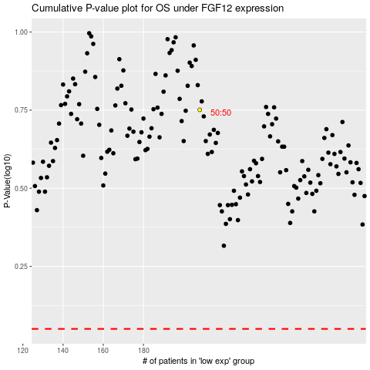

 |  |  |  |  |  | cases_OS | p_OS | rank | exp
 |  |  |  |  |  |  | cases_RFS | p_RFS | rank | exp

