FGF18 _multivariate
Reported by Tex Li-Hsing Chi. tex@gate.sinica.edu.tw 2019-08-19

Table 2. The clinicopathological features of HNSCC cohort and FGF18 expression. (Chi square test)
Cutoff at -0.197 (63.3%)
 |  | FGF18 expression |  | FGF18 expression |  | (Optimised)
 | Features | Low | (%) | High | (%) | Case no | P-value | Remark | Matthews
Gender | Female | 192 | 46.3 | 114 | 27.5 | 415 | 0.7418 | 0 | 0
2 | Male | 71 | 17.1 | 38 | 9.2
Age at diagnosis | <=65y | 170 | 41 | 104 | 25.1 | 415 | 0.4989 | 0 | 0
4 | >65y | 93 | 22.4 | 48 | 11.6
Clinical T Status | T1+T2 | 82 | 19.8 | 67 | 16.1 | 415 | 0.0113 | 1 | 0
6 | T3+T4 | 181 | 43.6 | 85 | 20.5
Clinical N Status | N0 | 134 | 32.3 | 82 | 19.8 | 415 | 0.6264 | 0 | 0
8 | N1-3 | 129 | 31.1 | 70 | 16.9
Clinical M Status | M0 | 260 | 62.7 | 152 | 36.6 | 415 | 0.302 | 0 | 0
10 | M1 | 3 | 0.7 | 0 | 0
Clinical Stage | Stage I+II | 54 | 13 | 48 | 11.6 | 415 | 0.0164 | 1 | 0
12 | Stage III+IV | 209 | 50.4 | 104 | 25.1
Surgical Margin status | Negative | 202 | 48.7 | 116 | 28 | 415 | 0.9048 | 0 | 0
14 | Positive | 61 | 14.7 | 36 | 8.7
Tobacco Exposure | Low | 104 | 25.1 | 57 | 13.7 | 415 | 0.7539 | 0 | 0
16 | High | 159 | 38.3 | 95 | 22.9

Table 3. Univariate/Multivariate Cox's proportional hazards regression analyses on OS time of FGF18 gene expression in HNSCC

 |  | Univariate |  |  |  | Multivariate
 | Features | HR | CI95%(L) | CI95%(H) | P-value | HR | CI95%(L) | CI95%(H) | P-value
1 | Female | 1 |  |  |  | 1
Gender | Male | 1.157 | 0.843 | 1.587 | 0.367 | 1.196 | 0.855 | 1.674 | 0.296
11 | <=65y | 1 |  |  |  | 1
Age at diagnosis | >65y | 1.329 | 0.99 | 1.784 | 0.058 | 1.376 | 1.012 | 1.869 | 0.042
12 | T1+T2 | 1 |  |  |  | 1
Clinical T Status | T3+T4 | 1.409 | 1.028 | 1.931 | 0.033 | 2.191 | 1.159 | 4.142 | 0.016
13 | N0 | 1 |  |  |  | 1
Clinical N Status | N1-3 | 1.185 | 0.89 | 1.577 | 0.246 | 1.267 | 0.888 | 1.808 | 0.192
14 | M0 | 1 |  |  |  | 1
Clinical M Status | M1 | 4.097 | 1.009 | 16.644 | 0.049 | 8.454 | 1.838 | 38.878 | 0.006
15 | Stage I+II | 1 |  |  |  | 1
Clinical Stage | Stage III+IV | 1.245 | 0.882 | 1.759 | 0.213 | 0.485 | 0.226 | 1.042 | 0.063
16 | Negative | 1 |  |  |  | 1
Surgical Margin status | Positive | 1.591 | 1.155 | 2.191 | 0.004 | 1.67 | 1.209 | 2.307 | 0.002
17 | Low | 1 |  |  |  | 1
Tobacco Exposure | High | 1.364 | 1.008 | 1.844 | 0.044 | 1.486 | 1.077 | 2.051 | 0.016
18 | Low | 1 |  |  |  | 1
RNAseq(z-score) | High | 0.733 | 0.54 | 0.994 | 0.046 | 0.743 | 0.546 | 1.012 | 0.059

Table 4. Univariate/Multivariate Cox's proportional hazards regression analyses on RFS time of FGF18 gene expression in HNSCC

 |  | Univariate |  |  |  | Multivariate
 | Features | HR | CI95%(L) | CI95%(H) | P-value | HR | CI95%(L) | CI95%(H) | P-value
1 | Female | 1 |  |  |  | 1
Gender | Male | 1.157 | 0.843 | 1.587 | 0.367 | 1.196 | 0.855 | 1.674 | 0.296
11 | <=65y | 1 |  |  |  | 1
Age at diagnosis | >65y | 1.329 | 0.99 | 1.784 | 0.058 | 1.376 | 1.012 | 1.869 | 0.042
12 | T1+T2 | 1 |  |  |  | 1
Clinical T Status | T3+T4 | 1.409 | 1.028 | 1.931 | 0.033 | 2.191 | 1.159 | 4.142 | 0.016
13 | N0 | 1 |  |  |  | 1
Clinical N Status | N1-3 | 1.185 | 0.89 | 1.577 | 0.246 | 1.267 | 0.888 | 1.808 | 0.192
14 | M0 | 1 |  |  |  | 1
Clinical M Status | M1 | 4.097 | 1.009 | 16.644 | 0.049 | 8.454 | 1.838 | 38.878 | 0.006
15 | Stage I+II | 1 |  |  |  | 1
Clinical Stage | Stage III+IV | 1.245 | 0.882 | 1.759 | 0.213 | 0.485 | 0.226 | 1.042 | 0.063
16 | Negative | 1 |  |  |  | 1
Surgical Margin status | Positive | 1.591 | 1.155 | 2.191 | 0.004 | 1.67 | 1.209 | 2.307 | 0.002
17 | Low | 1 |  |  |  | 1
Tobacco Exposure | High | 1.364 | 1.008 | 1.844 | 0.044 | 1.486 | 1.077 | 2.051 | 0.016
18 | Low | 1 |  |  |  | 1
RNAseq(z-score) | High | 0.733 | 0.54 | 0.994 | 0.046 | 0.743 | 0.546 | 1.012 | 0.059

Kaplan-Meier survival estimate: Cutoff at -0.197 (63.3%)



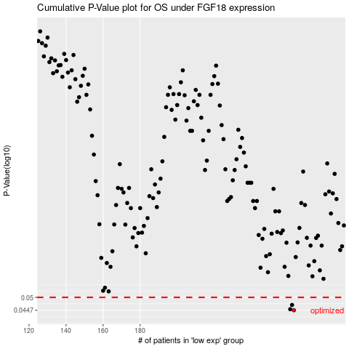

 |  |  |  |  |  | cases_OS | p_OS | rank | exp
 |  |  |  |  |  | 263 | 0.0447 | 219 | -0.1966009137
 |  |  |  |  |  | 261 | 0.0451 | 315 | -0.21274651873
 |  |  |  |  |  | 262 | 0.0468 | 280 | -0.19800801671
 |  |  |  |  |  |  | cases_RFS | p_RFS | rank | exp
 |  |  |  |  |  |  | 262 | 0.0447 | 280 | -0.19800801671
 |  |  |  |  |  |  | 260 | 0.0451 | 114 | -0.21461664281
 |  |  |  |  |  |  | 261 | 0.0468 | 315 | -0.21274651873

