FGF9 _multivariate
Reported by Tex Li-Hsing Chi. tex@gate.sinica.edu.tw 2019-08-19

Table 2. The clinicopathological features of HNSCC cohort and FGF9 expression. (Chi square test)
Cutoff at -0.238 (50.0%)
 |  | FGF9 expression |  | FGF9 expression |  | (Optimised)
 | Features | Low | (%) | High | (%) | Case no | P-value | Remark | Matthews
Gender | Female | 154 | 37.1 | 152 | 36.6 | 415 | 0.8463 | 0 | 0
2 | Male | 53 | 12.8 | 56 | 13.5
Age at diagnosis | <=65y | 123 | 29.6 | 151 | 36.4 | 415 | 0.0063 | 1 | 0
4 | >65y | 84 | 20.2 | 57 | 13.7
Clinical T Status | T1+T2 | 59 | 14.2 | 90 | 21.7 | 415 | 0.0024 | 1 | 0
6 | T3+T4 | 148 | 35.7 | 118 | 28.4
Clinical N Status | N0 | 109 | 26.3 | 107 | 25.8 | 415 | 0.8812 | 0 | 0
8 | N1-3 | 98 | 23.6 | 101 | 24.3
Clinical M Status | M0 | 206 | 49.6 | 206 | 49.6 | 415 | 1 | 0 | 0
10 | M1 | 1 | 0.2 | 2 | 0.5
Clinical Stage | Stage I+II | 40 | 9.6 | 62 | 14.9 | 415 | 0.018 | 1 | 0
12 | Stage III+IV | 167 | 40.2 | 146 | 35.2
Surgical Margin status | Negative | 156 | 37.6 | 162 | 39 | 415 | 0.5636 | 0 | 0
14 | Positive | 51 | 12.3 | 46 | 11.1
Tobacco Exposure | Low | 86 | 20.7 | 75 | 18.1 | 415 | 0.2687 | 0 | 0
16 | High | 121 | 29.2 | 133 | 32

Table 3. Univariate/Multivariate Cox's proportional hazards regression analyses on OS time of FGF9 gene expression in HNSCC

 |  | Univariate |  |  |  | Multivariate
 | Features | HR | CI95%(L) | CI95%(H) | P-value | HR | CI95%(L) | CI95%(H) | P-value
1 | Female | 1 |  |  |  | 1
Gender | Male | 1.157 | 0.843 | 1.587 | 0.367 | 1.195 | 0.856 | 1.667 | 0.296
11 | <=65y | 1 |  |  |  | 1
Age at diagnosis | >65y | 1.329 | 0.99 | 1.784 | 0.058 | 1.452 | 1.059 | 1.991 | 0.02
12 | T1+T2 | 1 |  |  |  | 1
Clinical T Status | T3+T4 | 1.409 | 1.028 | 1.931 | 0.033 | 2.218 | 1.172 | 4.197 | 0.014
13 | N0 | 1 |  |  |  | 1
Clinical N Status | N1-3 | 1.185 | 0.89 | 1.577 | 0.246 | 1.22 | 0.854 | 1.743 | 0.273
14 | M0 | 1 |  |  |  | 1
Clinical M Status | M1 | 4.097 | 1.009 | 16.644 | 0.049 | 8.939 | 1.947 | 41.044 | 0.005
15 | Stage I+II | 1 |  |  |  | 1
Clinical Stage | Stage III+IV | 1.245 | 0.882 | 1.759 | 0.213 | 0.523 | 0.243 | 1.125 | 0.097
16 | Negative | 1 |  |  |  | 1
Surgical Margin status | Positive | 1.591 | 1.155 | 2.191 | 0.004 | 1.675 | 1.213 | 2.315 | 0.002
17 | Low | 1 |  |  |  | 1
Tobacco Exposure | High | 1.364 | 1.008 | 1.844 | 0.044 | 1.417 | 1.027 | 1.956 | 0.034
18 | Low | 1 |  |  |  | 1
RNAseq(z-score) | High | 1.131 | 0.849 | 1.508 | 0.399 | 1.211 | 0.895 | 1.639 | 0.214

Table 4. Univariate/Multivariate Cox's proportional hazards regression analyses on RFS time of FGF9 gene expression in HNSCC

 |  | Univariate |  |  |  | Multivariate
 | Features | HR | CI95%(L) | CI95%(H) | P-value | HR | CI95%(L) | CI95%(H) | P-value
1 | Female | 1 |  |  |  | 1
Gender | Male | 1.157 | 0.843 | 1.587 | 0.367 | 1.195 | 0.856 | 1.667 | 0.296
11 | <=65y | 1 |  |  |  | 1
Age at diagnosis | >65y | 1.329 | 0.99 | 1.784 | 0.058 | 1.452 | 1.059 | 1.991 | 0.02
12 | T1+T2 | 1 |  |  |  | 1
Clinical T Status | T3+T4 | 1.409 | 1.028 | 1.931 | 0.033 | 2.218 | 1.172 | 4.197 | 0.014
13 | N0 | 1 |  |  |  | 1
Clinical N Status | N1-3 | 1.185 | 0.89 | 1.577 | 0.246 | 1.22 | 0.854 | 1.743 | 0.273
14 | M0 | 1 |  |  |  | 1
Clinical M Status | M1 | 4.097 | 1.009 | 16.644 | 0.049 | 8.939 | 1.947 | 41.044 | 0.005
15 | Stage I+II | 1 |  |  |  | 1
Clinical Stage | Stage III+IV | 1.245 | 0.882 | 1.759 | 0.213 | 0.523 | 0.243 | 1.125 | 0.097
16 | Negative | 1 |  |  |  | 1
Surgical Margin status | Positive | 1.591 | 1.155 | 2.191 | 0.004 | 1.675 | 1.213 | 2.315 | 0.002
17 | Low | 1 |  |  |  | 1
Tobacco Exposure | High | 1.364 | 1.008 | 1.844 | 0.044 | 1.417 | 1.027 | 1.956 | 0.034
18 | Low | 1 |  |  |  | 1
RNAseq(z-score) | High | 1.131 | 0.849 | 1.508 | 0.399 | 1.211 | 0.895 | 1.639 | 0.214

Kaplan-Meier survival estimate: Cutoff at -0.238 (50.0%)



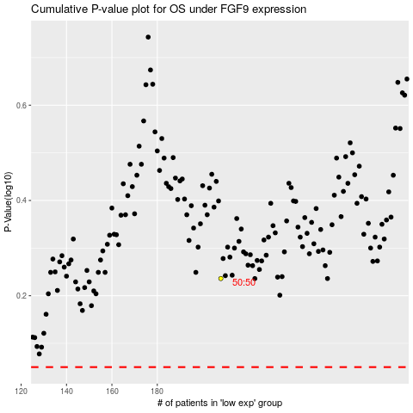

 |  |  |  |  |  | cases_OS | p_OS | rank | exp
 |  |  |  |  |  |  | cases_RFS | p_RFS | rank | exp

