FGFBP1 _multivariate
Reported by Tex Li-Hsing Chi. tex@gate.sinica.edu.tw 2019-08-19

Table 2. The clinicopathological features of HNSCC cohort and FGFBP1 expression. (Chi square test)
Cutoff at -0.309 (50.0%)
 |  | FGFBP1 expression |  | FGFBP1 expression |  | (Optimised)
 | Features | Low | (%) | High | (%) | Case no | P-value | Remark | Matthews
Gender | Female | 155 | 37.3 | 151 | 36.4 | 415 | 0.6768 | 0 | 0
2 | Male | 52 | 12.5 | 57 | 13.7
Age at diagnosis | <=65y | 142 | 34.2 | 132 | 31.8 | 415 | 0.3167 | 0 | 0
4 | >65y | 65 | 15.7 | 76 | 18.3
Clinical T Status | T1+T2 | 83 | 20 | 66 | 15.9 | 415 | 0.0941 | 0 | 0
6 | T3+T4 | 124 | 29.9 | 142 | 34.2
Clinical N Status | N0 | 105 | 25.3 | 111 | 26.7 | 415 | 0.6598 | 0 | 0
8 | N1-3 | 102 | 24.6 | 97 | 23.4
Clinical M Status | M0 | 207 | 49.9 | 205 | 49.4 | 415 | 0.2482 | 0 | 0
10 | M1 | 0 | 0 | 3 | 0.7
Clinical Stage | Stage I+II | 53 | 12.8 | 49 | 11.8 | 415 | 0.7113 | 0 | 0
12 | Stage III+IV | 154 | 37.1 | 159 | 38.3
Surgical Margin status | Negative | 155 | 37.3 | 163 | 39.3 | 415 | 0.4187 | 0 | 0
14 | Positive | 52 | 12.5 | 45 | 10.8
Tobacco Exposure | Low | 71 | 17.1 | 90 | 21.7 | 415 | 0.0698 | 0 | 0
16 | High | 136 | 32.8 | 118 | 28.4

Table 3. Univariate/Multivariate Cox's proportional hazards regression analyses on OS time of FGFBP1 gene expression in HNSCC

 |  | Univariate |  |  |  | Multivariate
 | Features | HR | CI95%(L) | CI95%(H) | P-value | HR | CI95%(L) | CI95%(H) | P-value
1 | Female | 1 |  |  |  | 1
Gender | Male | 1.157 | 0.843 | 1.587 | 0.367 | 1.204 | 0.862 | 1.682 | 0.276
11 | <=65y | 1 |  |  |  | 1
Age at diagnosis | >65y | 1.329 | 0.99 | 1.784 | 0.058 | 1.397 | 1.027 | 1.9 | 0.033
12 | T1+T2 | 1 |  |  |  | 1
Clinical T Status | T3+T4 | 1.409 | 1.028 | 1.931 | 0.033 | 2.23 | 1.175 | 4.231 | 0.014
13 | N0 | 1 |  |  |  | 1
Clinical N Status | N1-3 | 1.185 | 0.89 | 1.577 | 0.246 | 1.241 | 0.87 | 1.771 | 0.234
14 | M0 | 1 |  |  |  | 1
Clinical M Status | M1 | 4.097 | 1.009 | 16.644 | 0.049 | 9.79 | 2.104 | 45.553 | 0.004
15 | Stage I+II | 1 |  |  |  | 1
Clinical Stage | Stage III+IV | 1.245 | 0.882 | 1.759 | 0.213 | 0.499 | 0.232 | 1.073 | 0.075
16 | Negative | 1 |  |  |  | 1
Surgical Margin status | Positive | 1.591 | 1.155 | 2.191 | 0.004 | 1.675 | 1.212 | 2.314 | 0.002
17 | Low | 1 |  |  |  | 1
Tobacco Exposure | High | 1.364 | 1.008 | 1.844 | 0.044 | 1.446 | 1.049 | 1.994 | 0.024
18 | Low | 1 |  |  |  | 1
RNAseq(z-score) | High | 1.012 | 0.76 | 1.348 | 0.934 | 0.946 | 0.707 | 1.267 | 0.711

Table 4. Univariate/Multivariate Cox's proportional hazards regression analyses on RFS time of FGFBP1 gene expression in HNSCC

 |  | Univariate |  |  |  | Multivariate
 | Features | HR | CI95%(L) | CI95%(H) | P-value | HR | CI95%(L) | CI95%(H) | P-value
1 | Female | 1 |  |  |  | 1
Gender | Male | 1.157 | 0.843 | 1.587 | 0.367 | 1.204 | 0.862 | 1.682 | 0.276
11 | <=65y | 1 |  |  |  | 1
Age at diagnosis | >65y | 1.329 | 0.99 | 1.784 | 0.058 | 1.397 | 1.027 | 1.9 | 0.033
12 | T1+T2 | 1 |  |  |  | 1
Clinical T Status | T3+T4 | 1.409 | 1.028 | 1.931 | 0.033 | 2.23 | 1.175 | 4.231 | 0.014
13 | N0 | 1 |  |  |  | 1
Clinical N Status | N1-3 | 1.185 | 0.89 | 1.577 | 0.246 | 1.241 | 0.87 | 1.771 | 0.234
14 | M0 | 1 |  |  |  | 1
Clinical M Status | M1 | 4.097 | 1.009 | 16.644 | 0.049 | 9.79 | 2.104 | 45.553 | 0.004
15 | Stage I+II | 1 |  |  |  | 1
Clinical Stage | Stage III+IV | 1.245 | 0.882 | 1.759 | 0.213 | 0.499 | 0.232 | 1.073 | 0.075
16 | Negative | 1 |  |  |  | 1
Surgical Margin status | Positive | 1.591 | 1.155 | 2.191 | 0.004 | 1.675 | 1.212 | 2.314 | 0.002
17 | Low | 1 |  |  |  | 1
Tobacco Exposure | High | 1.364 | 1.008 | 1.844 | 0.044 | 1.446 | 1.049 | 1.994 | 0.024
18 | Low | 1 |  |  |  | 1
RNAseq(z-score) | High | 1.012 | 0.76 | 1.348 | 0.934 | 0.946 | 0.707 | 1.267 | 0.711

Kaplan-Meier survival estimate: Cutoff at -0.309 (50.0%)



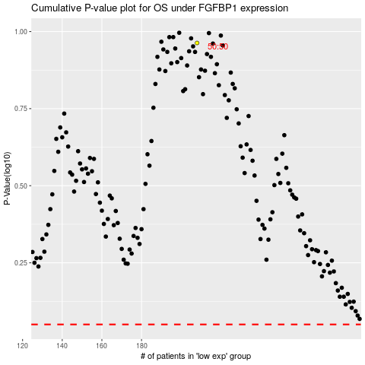

 |  |  |  |  |  | cases_OS | p_OS | rank | exp
 |  |  |  |  |  |  | cases_RFS | p_RFS | rank | exp

