FGFR1OP2 _multivariate
Reported by Tex Li-Hsing Chi. tex@gate.sinica.edu.tw 2019-08-19

Table 2. The clinicopathological features of HNSCC cohort and FGFR1OP2 expression. (Chi square test)
Cutoff at -0.082 (50.0%)
 |  | FGFR1OP2 expression |  | FGFR1OP2 expression |  | (Optimised)
 | Features | Low | (%) | High | (%) | Case no | P-value | Remark | Matthews
Gender | Female | 149 | 35.9 | 157 | 37.8 | 415 | 0.4848 | 0 | 0
2 | Male | 58 | 14 | 51 | 12.3
Age at diagnosis | <=65y | 140 | 33.7 | 134 | 32.3 | 415 | 0.5574 | 0 | 0
4 | >65y | 67 | 16.1 | 74 | 17.8
Clinical T Status | T1+T2 | 75 | 18.1 | 74 | 17.8 | 415 | 0.9707 | 0 | 0
6 | T3+T4 | 132 | 31.8 | 134 | 32.3
Clinical N Status | N0 | 109 | 26.3 | 107 | 25.8 | 415 | 0.8812 | 0 | 0
8 | N1-3 | 98 | 23.6 | 101 | 24.3
Clinical M Status | M0 | 206 | 49.6 | 206 | 49.6 | 415 | 1 | 0 | 0
10 | M1 | 1 | 0.2 | 2 | 0.5
Clinical Stage | Stage I+II | 48 | 11.6 | 54 | 13 | 415 | 0.5878 | 0 | 0
12 | Stage III+IV | 159 | 38.3 | 154 | 37.1
Surgical Margin status | Negative | 163 | 39.3 | 155 | 37.3 | 415 | 0.3537 | 0 | 0
14 | Positive | 44 | 10.6 | 53 | 12.8
Tobacco Exposure | Low | 76 | 18.3 | 85 | 20.5 | 415 | 0.4207 | 0 | 0
16 | High | 131 | 31.6 | 123 | 29.6

Table 3. Univariate/Multivariate Cox's proportional hazards regression analyses on OS time of FGFR1OP2 gene expression in HNSCC

 |  | Univariate |  |  |  | Multivariate
 | Features | HR | CI95%(L) | CI95%(H) | P-value | HR | CI95%(L) | CI95%(H) | P-value
1 | Female | 1 |  |  |  | 1
Gender | Male | 1.157 | 0.843 | 1.587 | 0.367 | 1.191 | 0.852 | 1.664 | 0.307
11 | <=65y | 1 |  |  |  | 1
Age at diagnosis | >65y | 1.329 | 0.99 | 1.784 | 0.058 | 1.393 | 1.025 | 1.894 | 0.034
12 | T1+T2 | 1 |  |  |  | 1
Clinical T Status | T3+T4 | 1.409 | 1.028 | 1.931 | 0.033 | 2.24 | 1.184 | 4.239 | 0.013
13 | N0 | 1 |  |  |  | 1
Clinical N Status | N1-3 | 1.185 | 0.89 | 1.577 | 0.246 | 1.257 | 0.88 | 1.795 | 0.209
14 | M0 | 1 |  |  |  | 1
Clinical M Status | M1 | 4.097 | 1.009 | 16.644 | 0.049 | 9.654 | 2.104 | 44.302 | 0.004
15 | Stage I+II | 1 |  |  |  | 1
Clinical Stage | Stage III+IV | 1.245 | 0.882 | 1.759 | 0.213 | 0.493 | 0.229 | 1.06 | 0.07
16 | Negative | 1 |  |  |  | 1
Surgical Margin status | Positive | 1.591 | 1.155 | 2.191 | 0.004 | 1.687 | 1.22 | 2.332 | 0.002
17 | Low | 1 |  |  |  | 1
Tobacco Exposure | High | 1.364 | 1.008 | 1.844 | 0.044 | 1.437 | 1.042 | 1.981 | 0.027
18 | Low | 1 |  |  |  | 1
RNAseq(z-score) | High | 0.899 | 0.674 | 1.199 | 0.47 | 0.867 | 0.647 | 1.161 | 0.338

Table 4. Univariate/Multivariate Cox's proportional hazards regression analyses on RFS time of FGFR1OP2 gene expression in HNSCC

 |  | Univariate |  |  |  | Multivariate
 | Features | HR | CI95%(L) | CI95%(H) | P-value | HR | CI95%(L) | CI95%(H) | P-value
1 | Female | 1 |  |  |  | 1
Gender | Male | 1.157 | 0.843 | 1.587 | 0.367 | 1.191 | 0.852 | 1.664 | 0.307
11 | <=65y | 1 |  |  |  | 1
Age at diagnosis | >65y | 1.329 | 0.99 | 1.784 | 0.058 | 1.393 | 1.025 | 1.894 | 0.034
12 | T1+T2 | 1 |  |  |  | 1
Clinical T Status | T3+T4 | 1.409 | 1.028 | 1.931 | 0.033 | 2.24 | 1.184 | 4.239 | 0.013
13 | N0 | 1 |  |  |  | 1
Clinical N Status | N1-3 | 1.185 | 0.89 | 1.577 | 0.246 | 1.257 | 0.88 | 1.795 | 0.209
14 | M0 | 1 |  |  |  | 1
Clinical M Status | M1 | 4.097 | 1.009 | 16.644 | 0.049 | 9.654 | 2.104 | 44.302 | 0.004
15 | Stage I+II | 1 |  |  |  | 1
Clinical Stage | Stage III+IV | 1.245 | 0.882 | 1.759 | 0.213 | 0.493 | 0.229 | 1.06 | 0.07
16 | Negative | 1 |  |  |  | 1
Surgical Margin status | Positive | 1.591 | 1.155 | 2.191 | 0.004 | 1.687 | 1.22 | 2.332 | 0.002
17 | Low | 1 |  |  |  | 1
Tobacco Exposure | High | 1.364 | 1.008 | 1.844 | 0.044 | 1.437 | 1.042 | 1.981 | 0.027
18 | Low | 1 |  |  |  | 1
RNAseq(z-score) | High | 0.899 | 0.674 | 1.199 | 0.47 | 0.867 | 0.647 | 1.161 | 0.338

Kaplan-Meier survival estimate: Cutoff at -0.082 (50.0%)



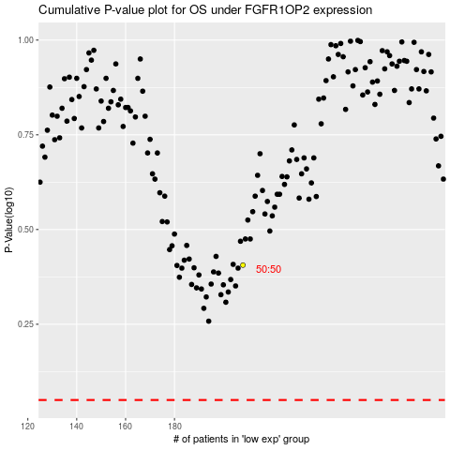

 |  |  |  |  |  | cases_OS | p_OS | rank | exp
 |  |  |  |  |  |  | cases_RFS | p_RFS | rank | exp

