FGL2 _multivariate
Reported by Tex Li-Hsing Chi. tex@gate.sinica.edu.tw 2019-08-19

Table 2. The clinicopathological features of HNSCC cohort and FGL2 expression. (Chi square test)
Cutoff at -0.367 (49.8%)
 |  | FGL2 expression |  | FGL2 expression |  | (Optimised)
 | Features | Low | (%) | High | (%) | Case no | P-value | Remark | Matthews
Gender | Female | 166 | 40 | 140 | 33.7 | 415 | 0.0041 | 1 | 0
2 | Male | 41 | 9.9 | 68 | 16.4
Age at diagnosis | <=65y | 140 | 33.7 | 134 | 32.3 | 415 | 0.5574 | 0 | 0
4 | >65y | 67 | 16.1 | 74 | 17.8
Clinical T Status | T1+T2 | 65 | 15.7 | 84 | 20.2 | 415 | 0.0711 | 0 | 0
6 | T3+T4 | 142 | 34.2 | 124 | 29.9
Clinical N Status | N0 | 115 | 27.7 | 101 | 24.3 | 415 | 0.184 | 1 | 0
8 | N1-3 | 92 | 22.2 | 107 | 25.8
Clinical M Status | M0 | 204 | 49.2 | 208 | 50.1 | 415 | 0.1232 | 0 | 0
10 | M1 | 3 | 0.7 | 0 | 0
Clinical Stage | Stage I+II | 47 | 11.3 | 55 | 13.3 | 415 | 0.4413 | 0 | 0
12 | Stage III+IV | 160 | 38.6 | 153 | 36.9
Surgical Margin status | Negative | 160 | 38.6 | 158 | 38.1 | 415 | 0.8167 | 0 | 0
14 | Positive | 47 | 11.3 | 50 | 12
Tobacco Exposure | Low | 74 | 17.8 | 87 | 21 | 415 | 0.227 | 0 | 0
16 | High | 133 | 32 | 121 | 29.2

Table 3. Univariate/Multivariate Cox's proportional hazards regression analyses on OS time of FGL2 gene expression in HNSCC

 |  | Univariate |  |  |  | Multivariate
 | Features | HR | CI95%(L) | CI95%(H) | P-value | HR | CI95%(L) | CI95%(H) | P-value
1 | Female | 1 |  |  |  | 1
Gender | Male | 1.157 | 0.843 | 1.587 | 0.367 | 1.22 | 0.871 | 1.707 | 0.247
11 | <=65y | 1 |  |  |  | 1
Age at diagnosis | >65y | 1.329 | 0.99 | 1.784 | 0.058 | 1.386 | 1.02 | 1.883 | 0.037
12 | T1+T2 | 1 |  |  |  | 1
Clinical T Status | T3+T4 | 1.409 | 1.028 | 1.931 | 0.033 | 2.166 | 1.145 | 4.1 | 0.018
13 | N0 | 1 |  |  |  | 1
Clinical N Status | N1-3 | 1.185 | 0.89 | 1.577 | 0.246 | 1.255 | 0.879 | 1.791 | 0.212
14 | M0 | 1 |  |  |  | 1
Clinical M Status | M1 | 4.097 | 1.009 | 16.644 | 0.049 | 8.668 | 1.873 | 40.103 | 0.006
15 | Stage I+II | 1 |  |  |  | 1
Clinical Stage | Stage III+IV | 1.245 | 0.882 | 1.759 | 0.213 | 0.507 | 0.236 | 1.087 | 0.081
16 | Negative | 1 |  |  |  | 1
Surgical Margin status | Positive | 1.591 | 1.155 | 2.191 | 0.004 | 1.681 | 1.216 | 2.323 | 0.002
17 | Low | 1 |  |  |  | 1
Tobacco Exposure | High | 1.364 | 1.008 | 1.844 | 0.044 | 1.434 | 1.039 | 1.978 | 0.028
18 | Low | 1 |  |  |  | 1
RNAseq(z-score) | High | 0.849 | 0.637 | 1.131 | 0.262 | 0.871 | 0.649 | 1.169 | 0.356

Table 4. Univariate/Multivariate Cox's proportional hazards regression analyses on RFS time of FGL2 gene expression in HNSCC

 |  | Univariate |  |  |  | Multivariate
 | Features | HR | CI95%(L) | CI95%(H) | P-value | HR | CI95%(L) | CI95%(H) | P-value
1 | Female | 1 |  |  |  | 1
Gender | Male | 1.157 | 0.843 | 1.587 | 0.367 | 1.22 | 0.871 | 1.707 | 0.247
11 | <=65y | 1 |  |  |  | 1
Age at diagnosis | >65y | 1.329 | 0.99 | 1.784 | 0.058 | 1.386 | 1.02 | 1.883 | 0.037
12 | T1+T2 | 1 |  |  |  | 1
Clinical T Status | T3+T4 | 1.409 | 1.028 | 1.931 | 0.033 | 2.166 | 1.145 | 4.1 | 0.018
13 | N0 | 1 |  |  |  | 1
Clinical N Status | N1-3 | 1.185 | 0.89 | 1.577 | 0.246 | 1.255 | 0.879 | 1.791 | 0.212
14 | M0 | 1 |  |  |  | 1
Clinical M Status | M1 | 4.097 | 1.009 | 16.644 | 0.049 | 8.668 | 1.873 | 40.103 | 0.006
15 | Stage I+II | 1 |  |  |  | 1
Clinical Stage | Stage III+IV | 1.245 | 0.882 | 1.759 | 0.213 | 0.507 | 0.236 | 1.087 | 0.081
16 | Negative | 1 |  |  |  | 1
Surgical Margin status | Positive | 1.591 | 1.155 | 2.191 | 0.004 | 1.681 | 1.216 | 2.323 | 0.002
17 | Low | 1 |  |  |  | 1
Tobacco Exposure | High | 1.364 | 1.008 | 1.844 | 0.044 | 1.434 | 1.039 | 1.978 | 0.028
18 | Low | 1 |  |  |  | 1
RNAseq(z-score) | High | 0.849 | 0.637 | 1.131 | 0.262 | 0.871 | 0.649 | 1.169 | 0.356

Kaplan-Meier survival estimate: Cutoff at -0.367 (49.8%)



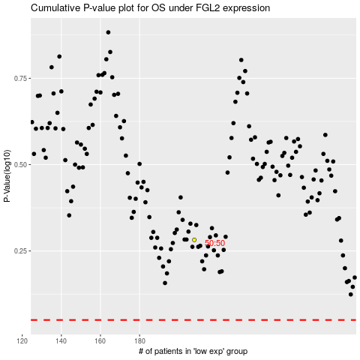

 |  |  |  |  |  | cases_OS | p_OS | rank | exp
 |  |  |  |  |  |  | cases_RFS | p_RFS | rank | exp

