FGR _multivariate
Reported by Tex Li-Hsing Chi. tex@gate.sinica.edu.tw 2019-08-19

Table 2. The clinicopathological features of HNSCC cohort and FGR expression. (Chi square test)
Cutoff at -0.318 (50.0%)
 |  | FGR expression |  | FGR expression |  | (Optimised)
 | Features | Low | (%) | High | (%) | Case no | P-value | Remark | Matthews
Gender | Female | 167 | 40.2 | 139 | 33.5 | 415 | 0.002 | 1 | 0
2 | Male | 40 | 9.6 | 69 | 16.6
Age at diagnosis | <=65y | 148 | 35.7 | 126 | 30.4 | 415 | 0.0248 | 1 | 0
4 | >65y | 59 | 14.2 | 82 | 19.8
Clinical T Status | T1+T2 | 68 | 16.4 | 81 | 19.5 | 415 | 0.2336 | 0 | 0
6 | T3+T4 | 139 | 33.5 | 127 | 30.6
Clinical N Status | N0 | 118 | 28.4 | 98 | 23.6 | 415 | 0.0551 | 1 | 0
8 | N1-3 | 89 | 21.4 | 110 | 26.5
Clinical M Status | M0 | 205 | 49.4 | 207 | 49.9 | 415 | 0.6232 | 0 | 0
10 | M1 | 2 | 0.5 | 1 | 0.2
Clinical Stage | Stage I+II | 46 | 11.1 | 56 | 13.5 | 415 | 0.3182 | 0 | 0
12 | Stage III+IV | 161 | 38.8 | 152 | 36.6
Surgical Margin status | Negative | 157 | 37.8 | 161 | 38.8 | 415 | 0.729 | 0 | 0
14 | Positive | 50 | 12 | 47 | 11.3
Tobacco Exposure | Low | 74 | 17.8 | 87 | 21 | 415 | 0.227 | 0 | 0
16 | High | 133 | 32 | 121 | 29.2

Table 3. Univariate/Multivariate Cox's proportional hazards regression analyses on OS time of FGR gene expression in HNSCC

 |  | Univariate |  |  |  | Multivariate
 | Features | HR | CI95%(L) | CI95%(H) | P-value | HR | CI95%(L) | CI95%(H) | P-value
1 | Female | 1 |  |  |  | 1
Gender | Male | 1.157 | 0.843 | 1.587 | 0.367 | 1.226 | 0.876 | 1.715 | 0.236
11 | <=65y | 1 |  |  |  | 1
Age at diagnosis | >65y | 1.329 | 0.99 | 1.784 | 0.058 | 1.423 | 1.046 | 1.935 | 0.025
12 | T1+T2 | 1 |  |  |  | 1
Clinical T Status | T3+T4 | 1.409 | 1.028 | 1.931 | 0.033 | 2.217 | 1.172 | 4.193 | 0.014
13 | N0 | 1 |  |  |  | 1
Clinical N Status | N1-3 | 1.185 | 0.89 | 1.577 | 0.246 | 1.293 | 0.902 | 1.853 | 0.162
14 | M0 | 1 |  |  |  | 1
Clinical M Status | M1 | 4.097 | 1.009 | 16.644 | 0.049 | 9.159 | 1.997 | 42.008 | 0.004
15 | Stage I+II | 1 |  |  |  | 1
Clinical Stage | Stage III+IV | 1.245 | 0.882 | 1.759 | 0.213 | 0.488 | 0.227 | 1.048 | 0.066
16 | Negative | 1 |  |  |  | 1
Surgical Margin status | Positive | 1.591 | 1.155 | 2.191 | 0.004 | 1.702 | 1.23 | 2.356 | 0.001
17 | Low | 1 |  |  |  | 1
Tobacco Exposure | High | 1.364 | 1.008 | 1.844 | 0.044 | 1.437 | 1.042 | 1.981 | 0.027
18 | Low | 1 |  |  |  | 1
RNAseq(z-score) | High | 0.873 | 0.655 | 1.164 | 0.356 | 0.812 | 0.604 | 1.092 | 0.168

Table 4. Univariate/Multivariate Cox's proportional hazards regression analyses on RFS time of FGR gene expression in HNSCC

 |  | Univariate |  |  |  | Multivariate
 | Features | HR | CI95%(L) | CI95%(H) | P-value | HR | CI95%(L) | CI95%(H) | P-value
1 | Female | 1 |  |  |  | 1
Gender | Male | 1.157 | 0.843 | 1.587 | 0.367 | 1.226 | 0.876 | 1.715 | 0.236
11 | <=65y | 1 |  |  |  | 1
Age at diagnosis | >65y | 1.329 | 0.99 | 1.784 | 0.058 | 1.423 | 1.046 | 1.935 | 0.025
12 | T1+T2 | 1 |  |  |  | 1
Clinical T Status | T3+T4 | 1.409 | 1.028 | 1.931 | 0.033 | 2.217 | 1.172 | 4.193 | 0.014
13 | N0 | 1 |  |  |  | 1
Clinical N Status | N1-3 | 1.185 | 0.89 | 1.577 | 0.246 | 1.293 | 0.902 | 1.853 | 0.162
14 | M0 | 1 |  |  |  | 1
Clinical M Status | M1 | 4.097 | 1.009 | 16.644 | 0.049 | 9.159 | 1.997 | 42.008 | 0.004
15 | Stage I+II | 1 |  |  |  | 1
Clinical Stage | Stage III+IV | 1.245 | 0.882 | 1.759 | 0.213 | 0.488 | 0.227 | 1.048 | 0.066
16 | Negative | 1 |  |  |  | 1
Surgical Margin status | Positive | 1.591 | 1.155 | 2.191 | 0.004 | 1.702 | 1.23 | 2.356 | 0.001
17 | Low | 1 |  |  |  | 1
Tobacco Exposure | High | 1.364 | 1.008 | 1.844 | 0.044 | 1.437 | 1.042 | 1.981 | 0.027
18 | Low | 1 |  |  |  | 1
RNAseq(z-score) | High | 0.873 | 0.655 | 1.164 | 0.356 | 0.812 | 0.604 | 1.092 | 0.168

Kaplan-Meier survival estimate: Cutoff at -0.318 (50.0%)



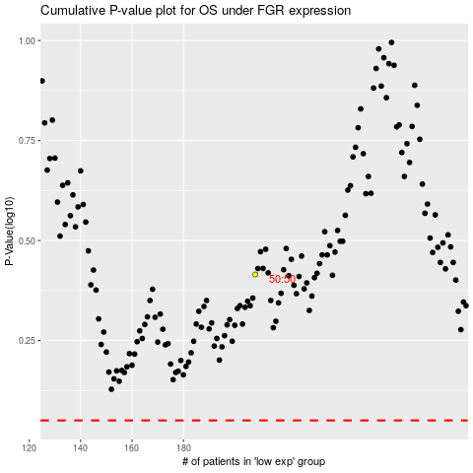

 |  |  |  |  |  | cases_OS | p_OS | rank | exp
 |  |  |  |  |  |  | cases_RFS | p_RFS | rank | exp

